1
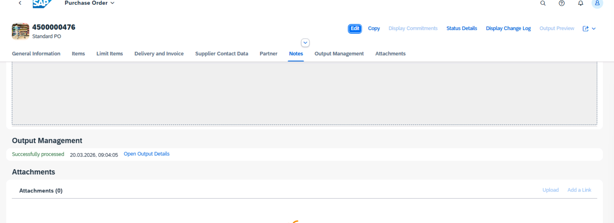
Always replace the characters ## with the number we assigned you.

Test Script |  |  | Test Execution

 |  |  | Tester Name | Freddy Reulier
Business Example The warehouse stock of material A500–28 must be replenished. Create a purchase order and check the correctness of the message for this purchase order. |  |  | Tester Date | 2026-03-20

Test User
 | User Name / ID | Password
 | S4500-28 | Welcome1 | PO 4500000476 created

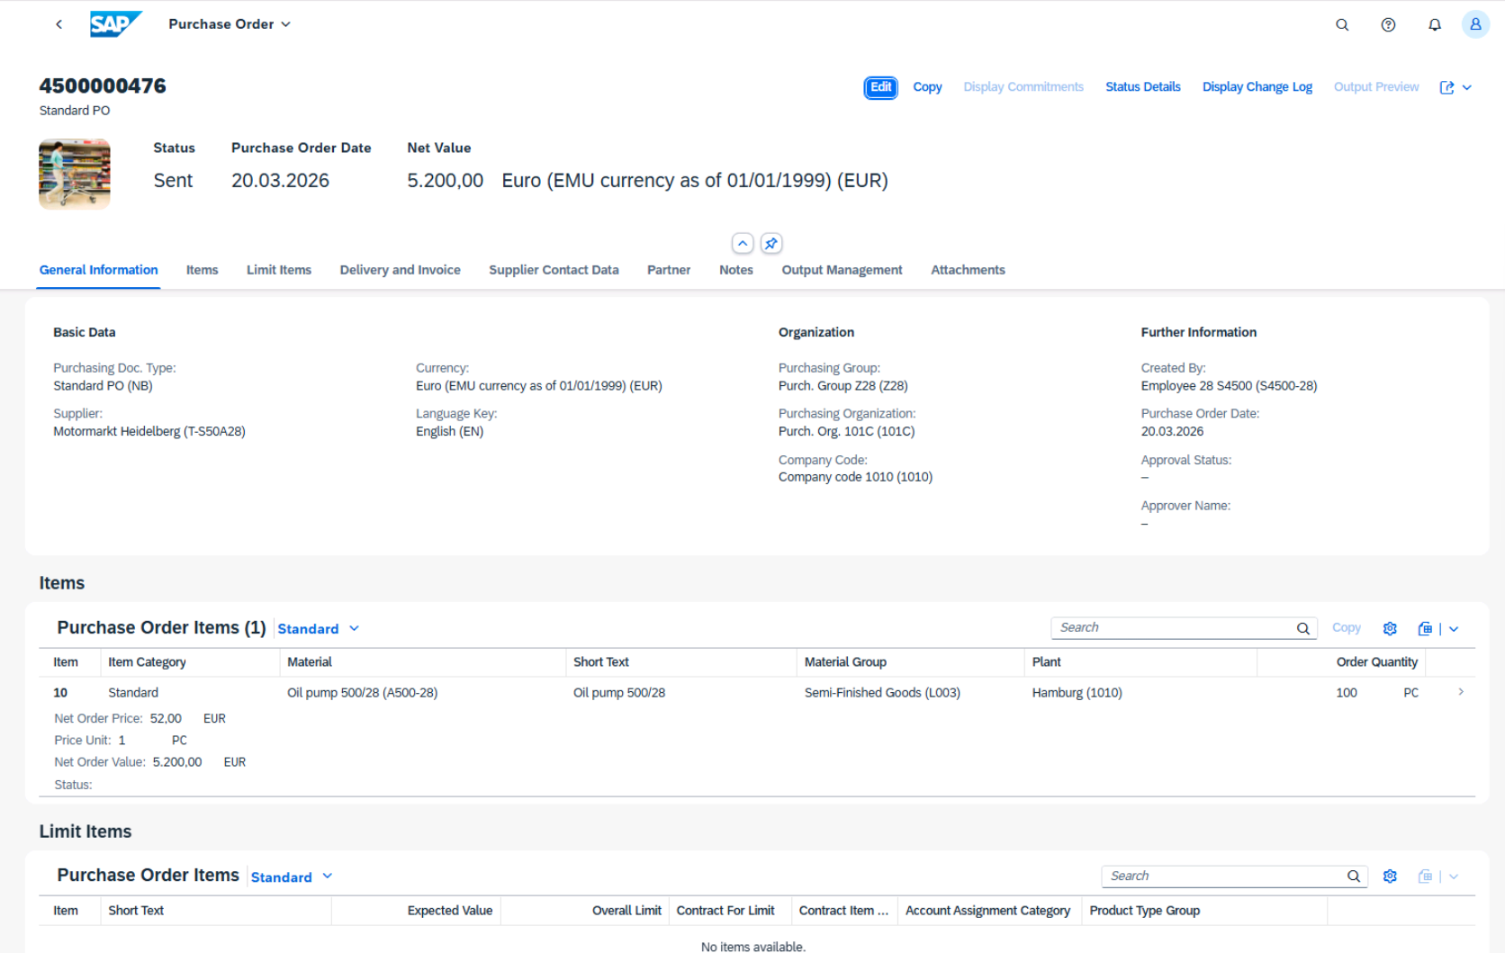
Procedure
1. Order 100 pieces of the material A500–28 (Oil pump 500/28) for plant 1010. The supplier for the material is T-S50A28 (Motormarkt Heidelberg). If possible, use an info record as template (reference document). To do so, use the Manage Purchase Orders app. Make sure that it is possible to post a goods receipt and an invoice for the PO item. Before you save the PO, look at the purchasing group, the purchasing organization, and the net price, which are proposed from the system. Save the purchase order and also write down the PO number
 | a) Start the Manage Purchase Orders app (tile group Purchase Order Processing or tile
 | group Favorites) on the SAP Fiori launchpad.
 | b) To add a new purchase order, choose Create .
 | c) In the Items area, choose Add from Document.
 | d) In the Add from Document dialog screen, enter supplier T-S50A28 and material A500–
 | 28 and choose Info Record as Purchasing Document Type. Then start the search
 | with Go.
 | e) Select the info record for material A500–28 and choose Add Items.
 | f) Complete the PO item by entering plant 1010 and quantity 100 PC.
 | g) Click the button on the right side of the item line to open the item details. On the
 | Process Control tab, you can control whether a goods receipt and an invoice receipt
 | are expected.
 | h) Choose the Apply button to return to the PO overview.
 | i) Look at the Basic Data and note that the purchasing group is Z28 and the purchasing
 | organization is 101C. In the item line, you can find the net price of 52 EUR.
 | j) Choose the Order button to create the PO and write down the document number.

2
Always replace the characters ## with the number we assigned you.

Test Script |  |  | Test Execution

Business Example |  |  | Tester Name | Freddy Reulier
As an employee in the warehouse, you are responsible for entering goods receipts in thesystem. If goods are delivered due to a purchase order, you enter the goods receipt with reference to this PO. This allows you to check whether the delivery matches the purchase order. When you post the goods receipt, the system updates the order history and allows the buyer to check the status of the delivery directly from the purchase order. |  |  | Tester Date | 2026-03-20

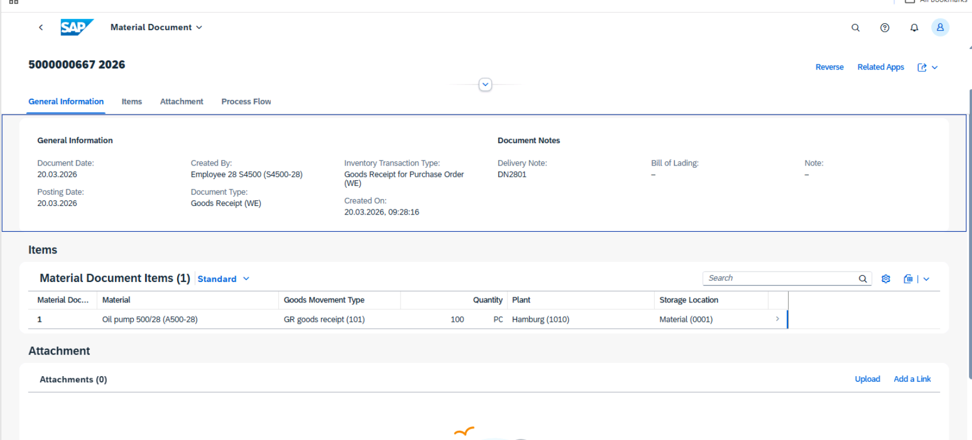
Test User |  |  | Material document 5000000667 for GR (PO 4500000476) created
 | User Name / ID | Password
 | S4500-28 | Welcome1

Procedure

Oil pumps A500-28 ordered by vendor T-S50A28 are supplied. Enter the goods receipt with reference to the corresponding purchase order.
Post the goods receipt using the following information:
Purchase order | < PO number from test case, Create Purchase Order>
Delivery note | DN2801
Document date | < Today >
Material | A500-28
Quantity | 100 PC
Storage location | 001

a) Start the Post Goods Receipt for Purchasing Document app (tile group Goods Receipt
Processing or tile group Favorites).
b) Enter your PO number from the previous test case.
c) Enter DN2801 as the delivery note and choose 0001 as the storage location.
d) Choose Post. You get a message that a material document was posted. Write down the
document number.

3
Always replace the characters ## with the number we assigned you.

Test Script |  |  | Test Execution

 | Business Example |  | Tester Name | Freddy Reulier
 | In invoice verification, you enter the invoice you have received from the supplier. You compare |  | Tester Date | 2026-03-20
 | the purchase order and goods receipt data with the data in the supplier’s invoice.

Test User
 | User Name / ID | Password
 | S4500-28 | Welcome1 | Supplier invoice 5105600408 created
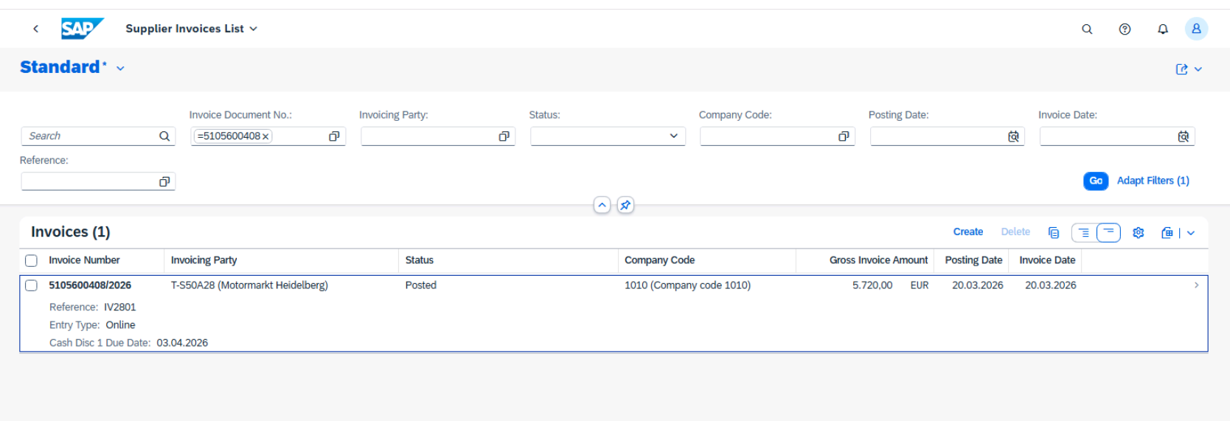

Procedure
1. Supplier T-S50A28 sent you the invoice for the delivery of the oil pumps. Enter the invoice
for company code 1010. Take the necessary data from the supplier’s invoice (IV2801).
Compare the invoice price and invoice quantity with the data proposed by the system.
Post the invoice and write down the number of the invoice document.

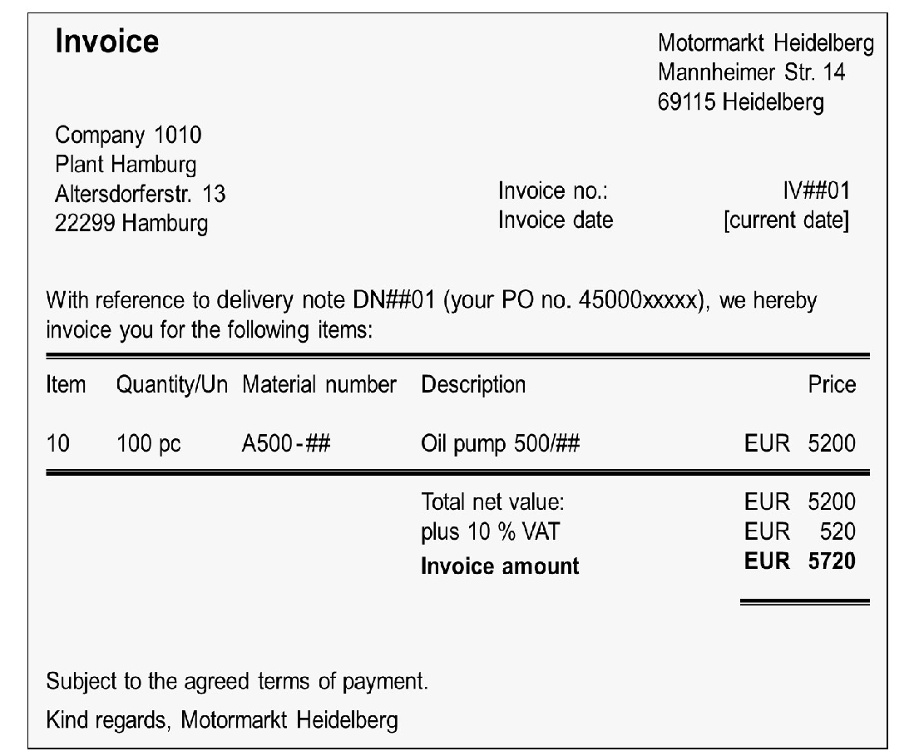

 |  |  | Settings change of the result in the supplier invoice list app
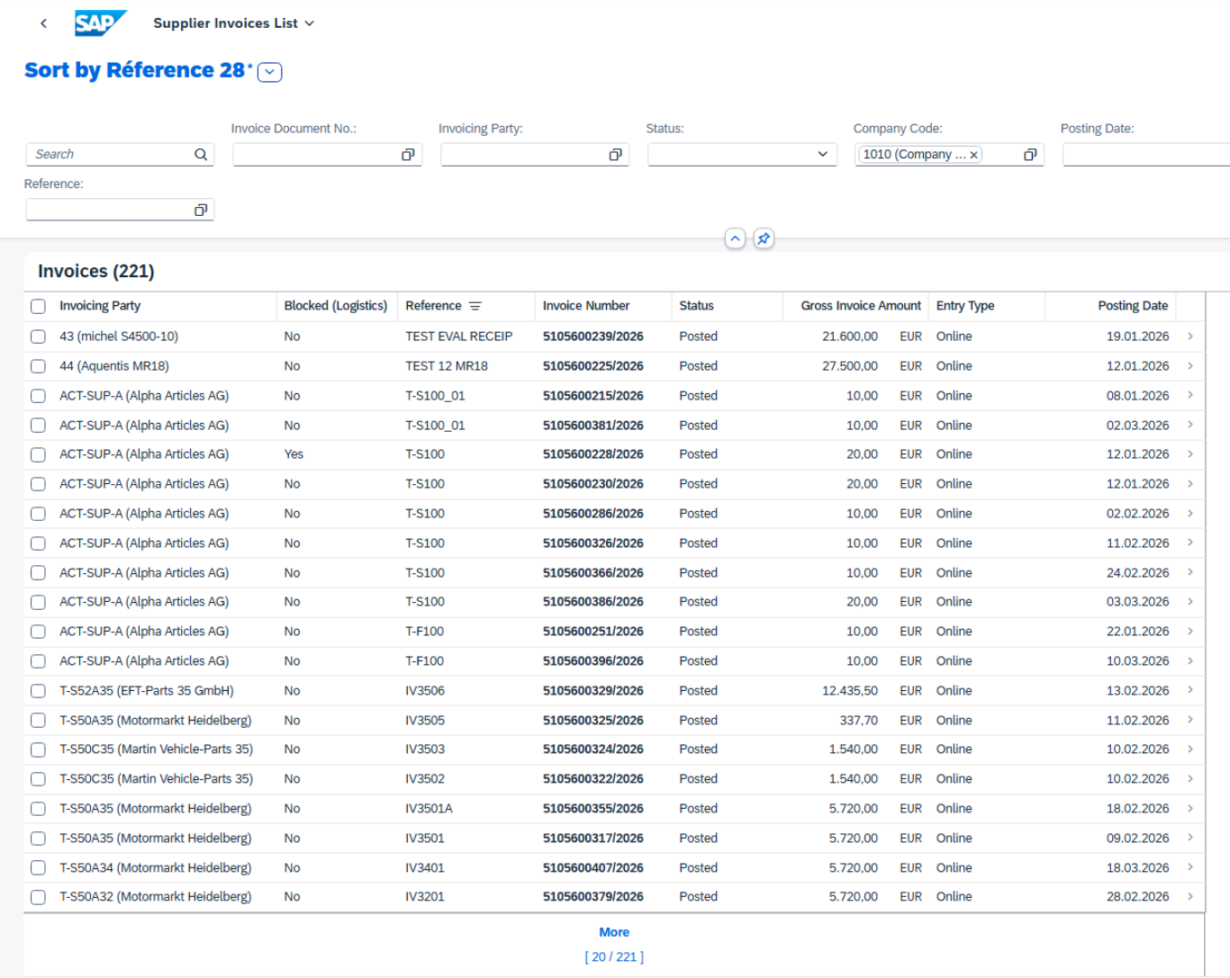

 | a) Start the Create Supplier Invoice app (tile group Supplier Invoice Processing or tile
 | group Favorites).
 | b) Enter the following data from the invoice:
 | Field | Value
 | Company Code | 1010
 | Gross Invoice Amount | 5,720.00
 | Invoice date | <Today’s date>
 | Reference | IV2801

 | c) Under Purchase Order References, choose Delivery Note as the reference document
 | category. Enter DN2801 as the delivery note and press Enter.
 | d) Compare the proposed data with the supplier’s invoice and, if necessary, change the
 | proposed data so that it fits with the supplier’s invoice.
 | e) Choose Post.
 | You get a message that an invoice was posted. Write down the document number.

2. Select all invoice documents for company code 1010. Change the settings of the results
list. The following columns should be displayed in the specified sequence:
● Invoicing Party
● Blocked (Logistics)
● Reference
● Invoice Number
● Status
● Gross Invoice Amount
● Entry Type
● Posting Date
Sort the list entries descending by the reference.
Save your list settings as variant Sort by Reference ## and set this variant as default.
 | a) Start the Supplier Invoices List app (tile group Supplier Invoice Processing).
 | b) Enter 1010 as the company code and choose Go. |  | In the supplier invoice 5105600408 the PO number (45000000476) is displayed in purchasing document references
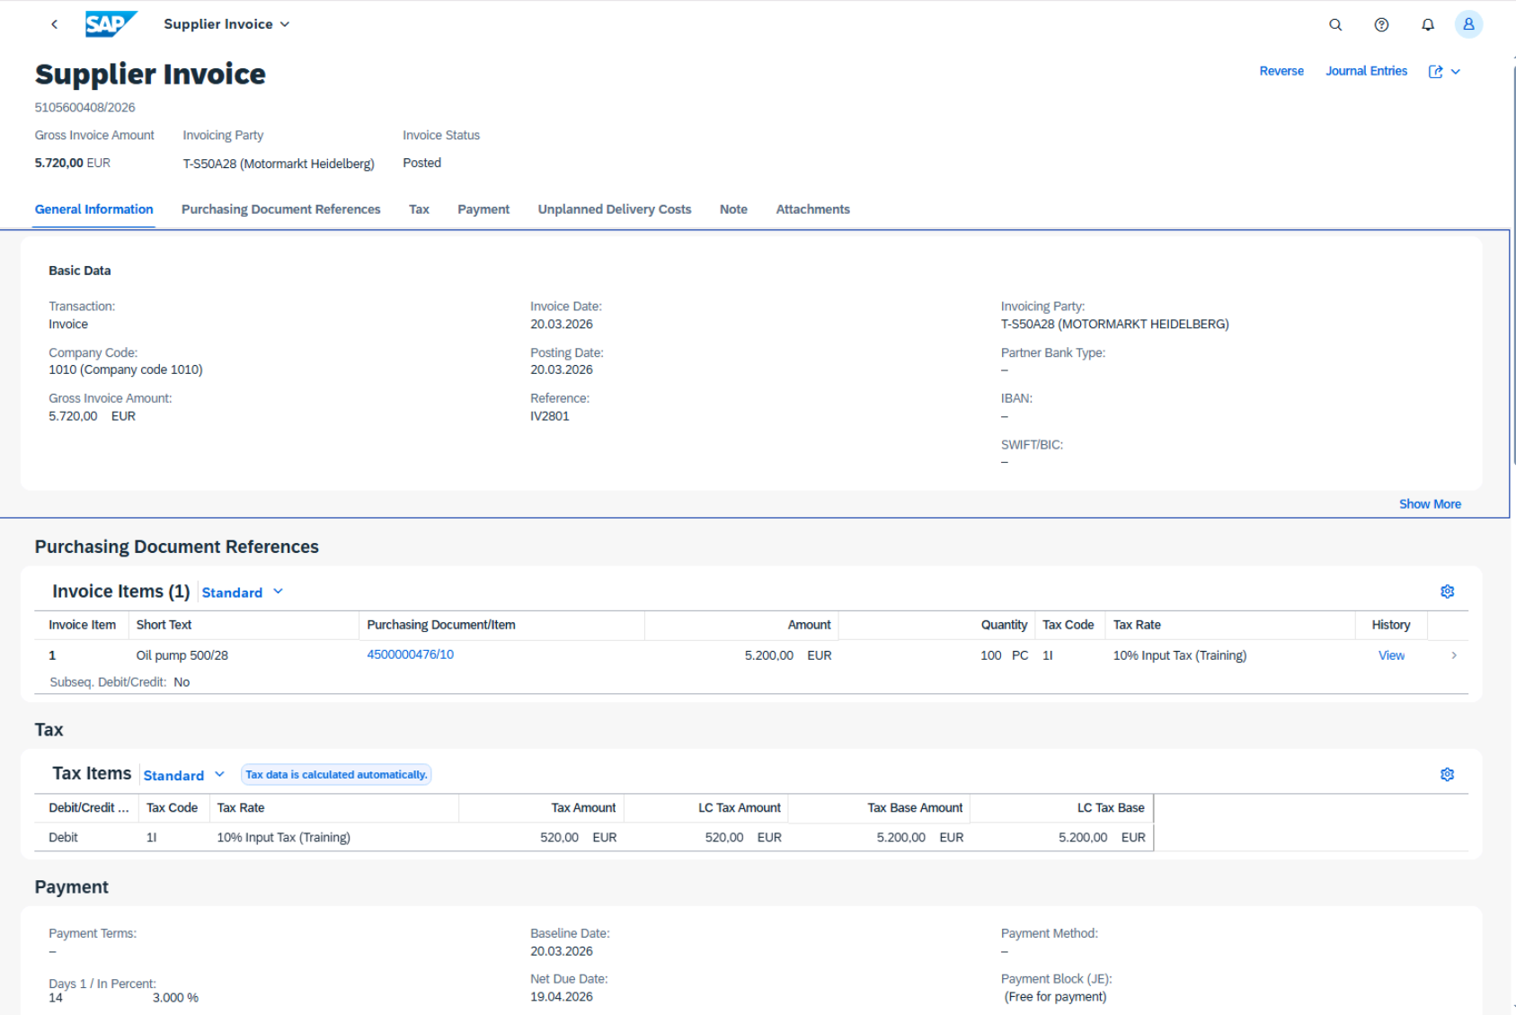
 | c) Choose (Settings) to change and sort the columns. Select all columns listed above
 | and deselect all other columns. To sort the selected columns in the specified
 | sequence, move the entries up or down
 | d) Choose the Sort tab and select Reference and Descending.
 | e) Choose OK.
 | f) Choose (Select View) on the top left of the invoice list, and choose Save As.
 | g) Enter Sort by Reference ## as the name, select Set as Default, and choose Save.

3. From the supplier invoice list, select your invoice for supplier T-S50A##. The purchase order number should be displayed in Purchasing Document references

 | a) To open the invoice, choose the number of the invoice from your supplier T-S50A##.
 | b) Choose Purchasing Document References. Here you can find the number of your
 | purchase order.

4
Always replace the characters ## with the number we assigned you.

Test Script |  |  | Test Execution
Business Example
Your company has entered a business relationship with a new supplier. Because your |  |  | Tester Name | Freddy Reulier
company will now procure from this source on a regular basis, create a master record for this |  |  | Tester Date | 2026-03-20
business partner.

Test User
 | User Name / ID | Password
 | S4500-## | Welcome1 | Supplier master data T-S50C28 created

Procedure
 | Create a new supplier master record with the Manage Supplier Master Data app. Use the category Organization for the new business partner. For all other data, see the following tables.

 | Table 1: Basic and Address
 | Data Field Name | Value
 | Business Partner | T-S50C##
 | Grouping | Ext. alpha-num.numb. (a-z;CUST/SUPL) | Basic data and address completed
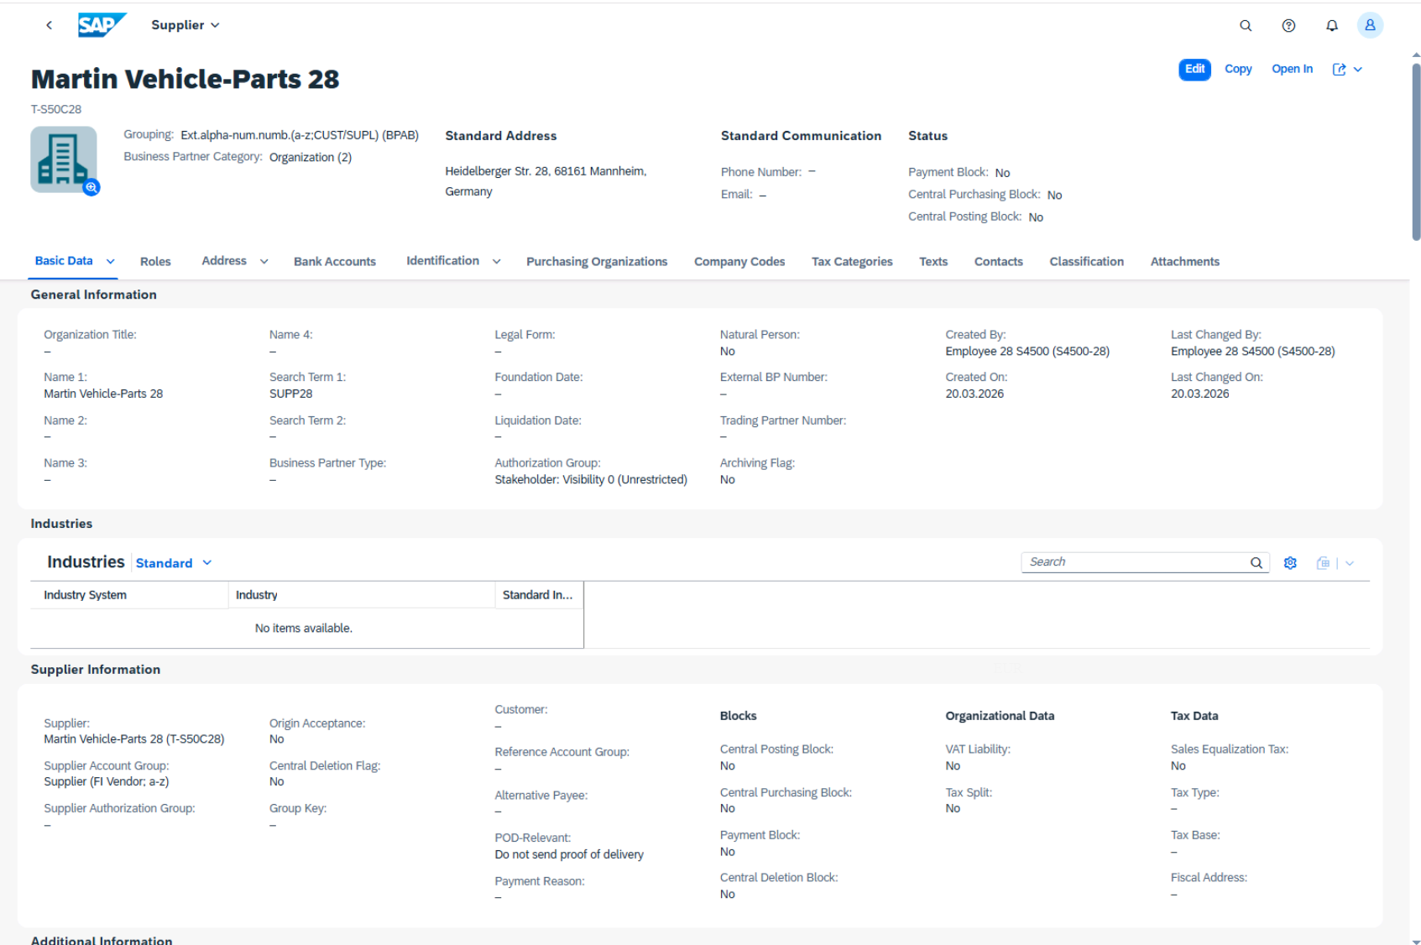
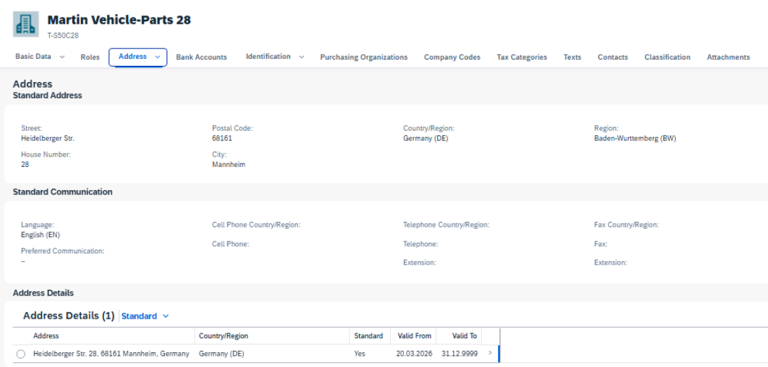
 | Name 1 | Martin Vehicle-Parts ##
 | Street | Heidelberger Str.
 | House Number | ##
 | Postal code | 68161
 | City | Mannheim
 | Country | DE (Germany)
 | Region | BW (Baden-Wuerttemberg)
 | Language | EN (English)

 | Table 2: Additional Basic Data
 | Field Name | Value
 | Search Term 1 | SUPP##

 | Table 3: Roles
 | Role ID | Role Description
 | FLVN00 | Business Partner FI Vendor
 | FLVN01 | Business Partner Supplier

 | Table 4: Purchasing Organization

 | Data Field Name | Value
 | Purchasing Organization | 101C
 | Purchasing Group | Z##
 | Planned Delivery Time | 7
 | Order Currency | EUR | Roles assigned
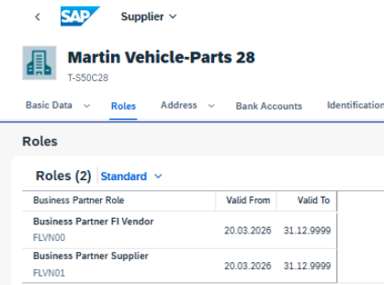
 | Payment Terms | 14 days 2%, 30 days net (0002)
 | Automatic Purchasing Order | X
 | Goods Receipt-Based In-voice Verification: | X

 | Table 5: Company Code Data
 | Field Name | Value
 | Company Code | 1010
 | Payment Terms | 14 days 2%, 30 days net (0002)
 | Reconciliation account | 21100000(Trade Payables Domestic)

 | a) Start the Manage Supplier Master Data app (tile group Supplier and BP).
 | b) In the top right above the supplier list, choose Create and then Organization.
 | c) In the Create Organization screen, enter the basic and address data provided in table 1.
 | In this screen, also enter the data for purchasing organization, order currency,
 | company code, and reconciliation account. |  | Company code maintained
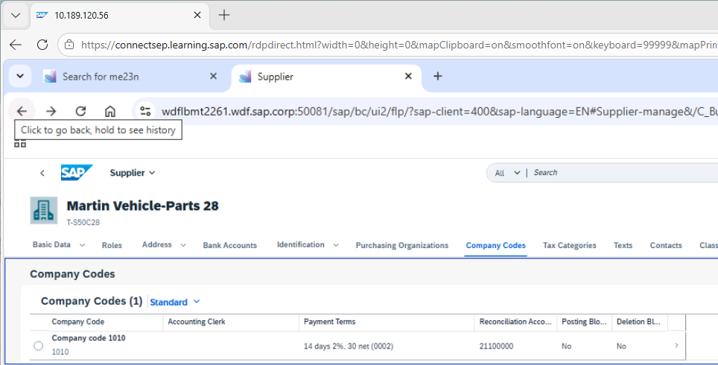
 | d) Choose OK.
 | e) In the Basic Data category, enter the additional basic data from table 2.
 | f) Switch to the Roles category.
 | g) Enter FLVN00 as the first business partner role. Choose Create and enter FLVN01 as
 | the second business partner role.
 | h) Navigate to the Purchasing Organizations category.
 | i) To enter further data for the purchasing organization 101C (table 4), choose the arrow
 | to the right of the line.
 | j) After you have maintained all purchasing data, choose Apply.
 | k) Switch to the Company Codes category and enter the remaining information from
 | table 5.
 | l) Choose Save at the bottom right of the screen

5
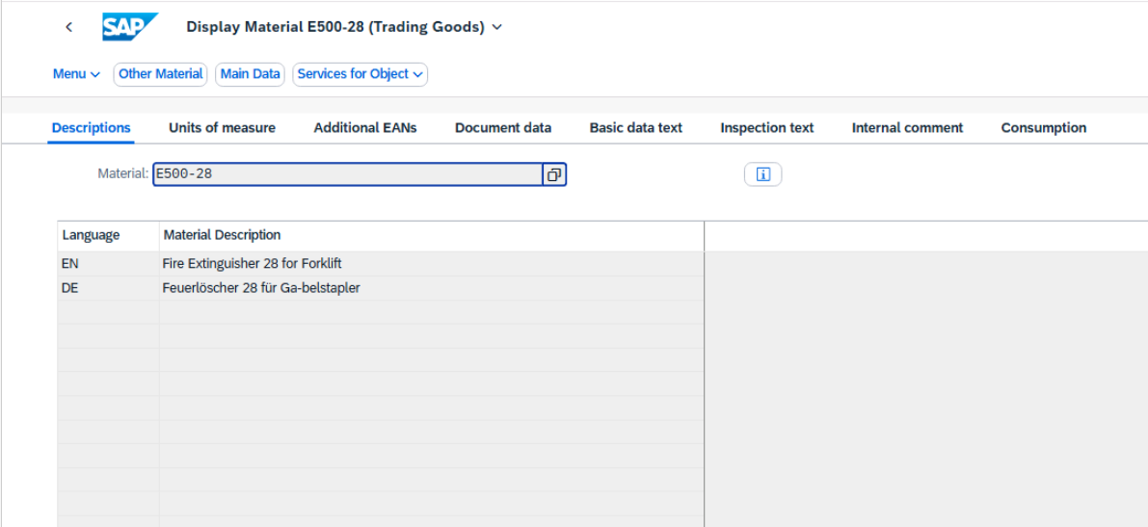
Always replace the characters ## with the number we assigned you.

Test Script |  |  | Test Execution
Business Example
You have added a new material to your product range and need to create the corresponding |  |  | Tester Name | Freddy Reulier
material master record. |  |  | Tester Date | 2026-03-20

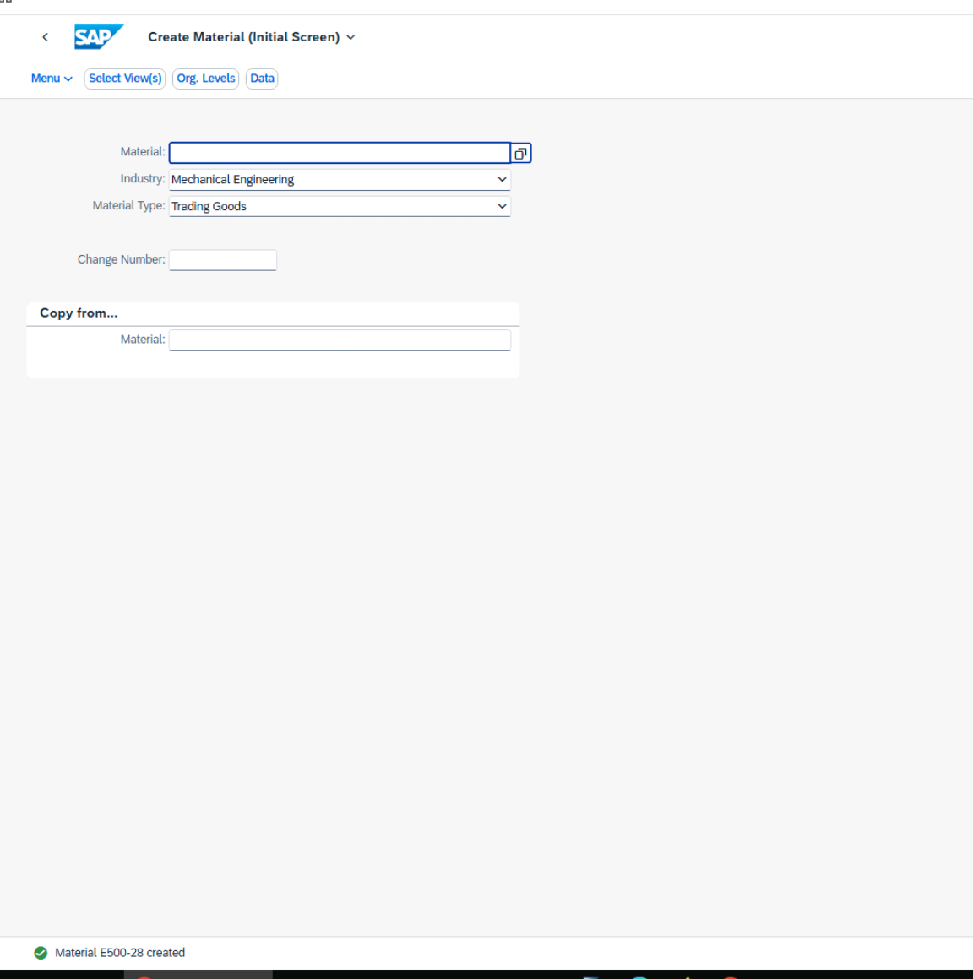
Test User |  |  | Material master data E500-28 created
 | User Name / ID | Password
 | S4500-## | Welcome1

Procedure
1. The new material is a fire extinguisher for a forklift. Create a new material master record
with the number E500-##. Choose industry sector Mechanical Engineering and
material type Trading Goods. Maintain the Basic data 1, Purchasing, and General Plant
Data/Storage 1 views for plant 1010 and storage location 0001.
Create the new material master record using the following data:

Basic Data 1 view:
Field Name | Value
Material description (short text) | Language EN: Fire Extinguisher ## for Forklift
 | Language DE: Feuerlöscher ## für Ga-belstapler
Base Unit of Measure | PC (Piece)
Material Group | L001 (Material group Trading Materi-al)

Purchasing view:
Field name | Value
Purchasing Group | Z##
Purchasing Value Key | 1
GR processing time | 1

General Plant Data/Storage 1 view:
Field name | Value
Storage Bin | BI-##

When you have entered all the data, save your new material master record.
 | a) Start the Create Material app (tile group Material Master).
 | b) Enter the material number, the industry sector, and the material type.
 | c) To call the view selection, choose Continue or press Enter.
 | d) Select the views Basic data 1, Purchasing, and General Plant Data/Storage 1.
 | e) To call the Organizational Levels dialog box, choose Org. Levels or press Enter.
 | f) Enter the relevant organizational levels, plant 1010 and Storage Location 0001.
 | g) To call the selected views of the material master record, choose (Continue) or
 | press Enter.
 | h) In the Basic Data 1 view, enter the short text in your logon language, the unit of |  | Basic data 1 view completed
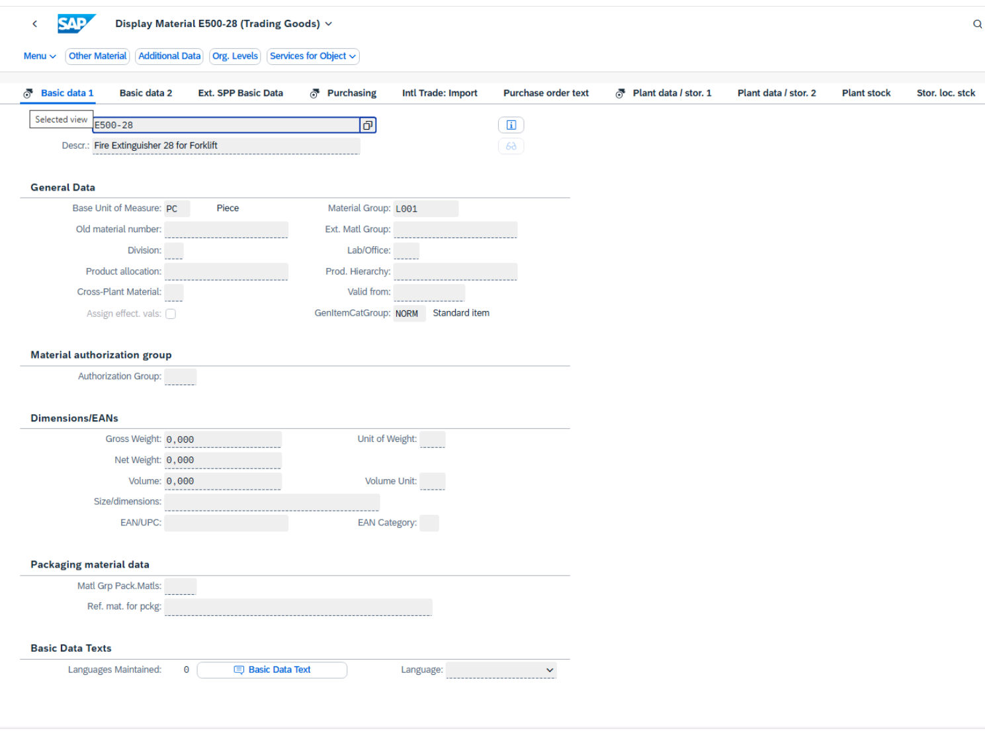
 | measure, and the material group.
 | i) To open the next preselected view (Purchasing), press Enter and enter the field values
 | as listed in the table above.
 | j) To open the last preselected view (Plant data / stor. 1), press Enter and enter the field
 | values as listed in the table above.
 | If you receive the message Check the data for the purchasing value key,
 | confirm it by pressing Enter.
 | k) Choose the Additional Data button. Enter the second language and the related short
 | text.
 | l) If you have entered all data, choose Save.

 |  |  | Purchasing view completed
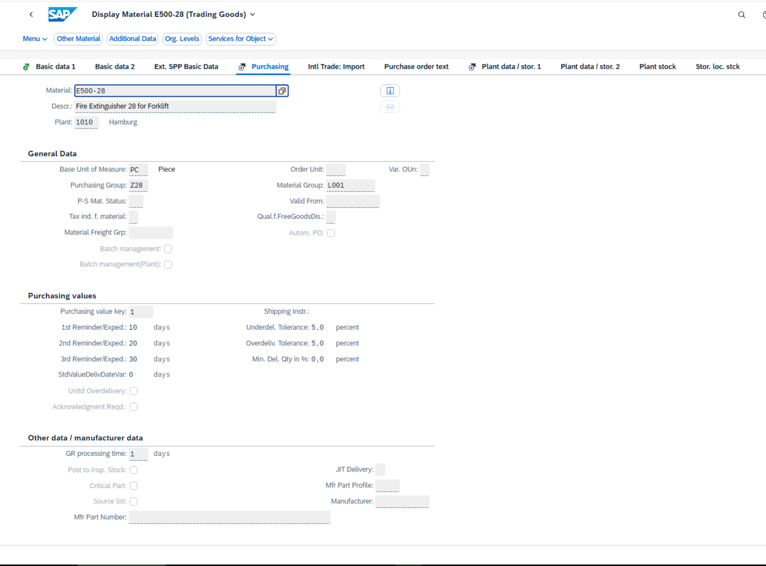

 |  |  | General Plant Data/Storage 1 view completed
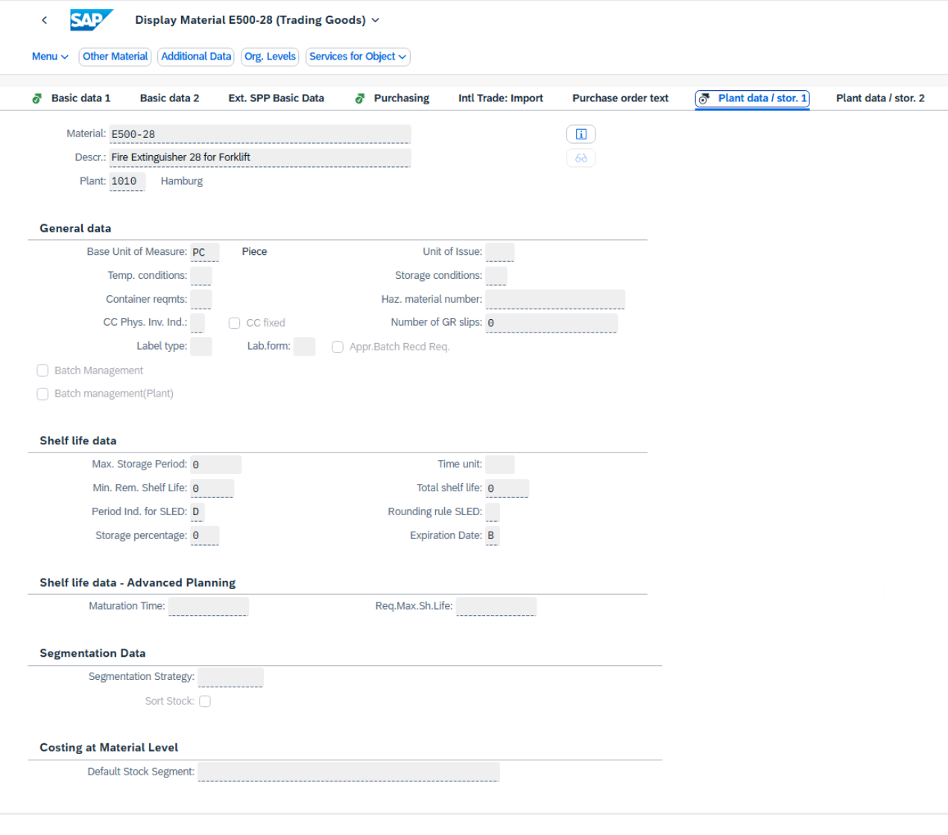

 |  |  | Second language and material description completed

6
Always replace the characters ## with the number we assigned you.

Test Script |  |  |  | Test Execution

Business Example |  |  |  | Tester Name | Freddy Reulier
Extend a material master record by adding accounting data and data for an additional plant. |  |  |  | Tester Date | 2026-03-20

Test User
 | User Name / ID | Password |  | Accounting data for plant 1010 has been maintained for material E500-28
 | S4500-## | Welcome1
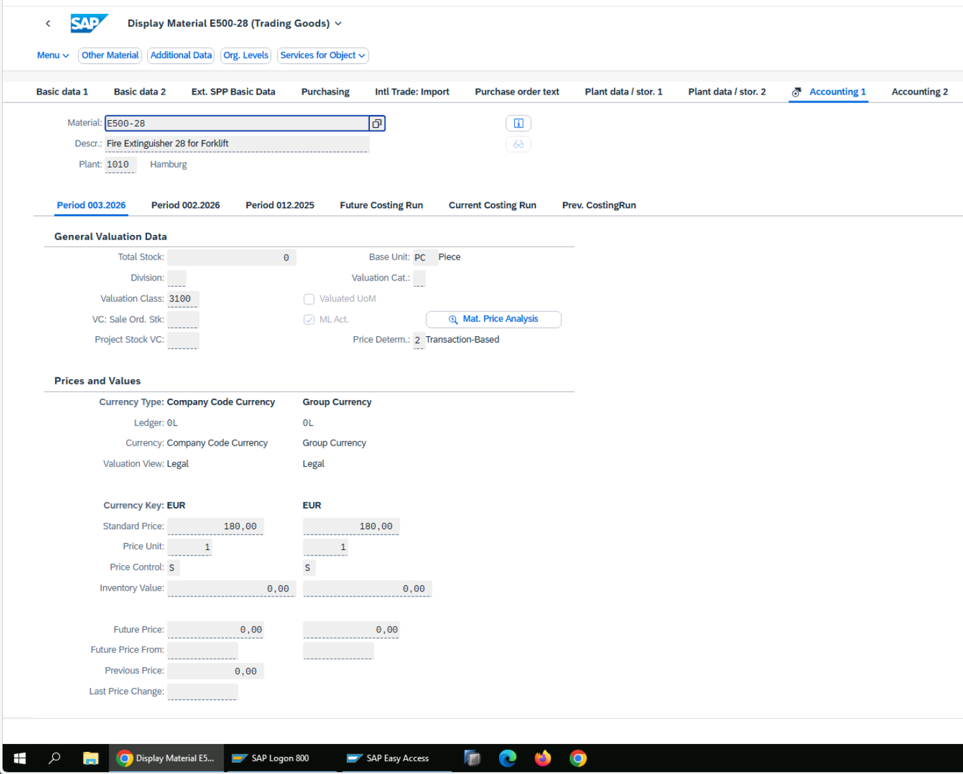

Procedure
1. The accounting data has now been provided for material E500-##. Extend the material
master record by adding the following accounting data for plant 1010.

Field name | Value
Valuation Class | 3100 (Trading goods)
Price Control Indicator | S (Standard price)
Standard Price | 180

 | a) Start the Create Material app.
 | b) Enter the material number E500-## and choose Continue. If necessary, confirm the
 | message that the material type and industry sector will be copied from the material
 | master record by choosing Continue.
 | c) Select the Accounting 1 view and choose (Continue).
 | d) Enter 1010 as the plant and choose (Continue).
 | e) Enter the provided data for accounting.
 | f) Choose Save.

2. Material E500-## should also be used in plant 1020. Extend the material master record by
adding the data for purchasing and accounting for plant 1020. Also maintain the general
plant/storage 1 data for plant 1020 and storage location 101A. Copy the data from plant
1010 and storage location 0001 without any changes.

 | a) Start the Create Material app.
 | b) Enter the following data on the initial screen:
 | Field name | Value
 | Material | E500-##
 | Copy from material | E500-##

 | c) Choose Continue. If necessary, confirm the message that the material type and
 | industry sector will be copied from the material master record with Enter.
 | d) Select the Purchasing, General Plant / Storage 1, and Accounting 1 views and select the
 | Create views selected checkbox. Choose (Continue).
 | e) Enter the following data in the Organizational Levels dialog box:
 | Organizational Levels | (new) | Copy from
 | Plant | 1020 | 1010 | Material E500-28 has been successfully extended to plant 1020, including purchasing, accounting, and storage data, in accordance with the defined instructions
 | Storage location | 101A | 0001
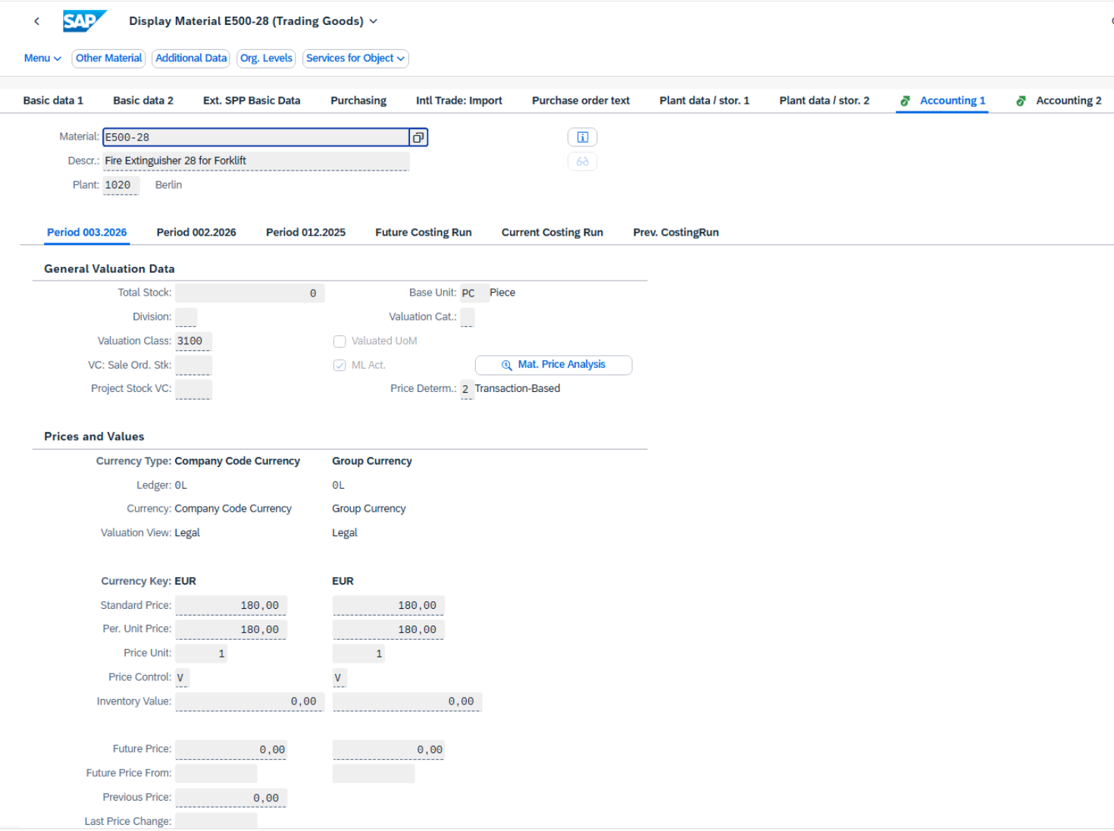
 | f) Choose (Continue) and choose Save

3. Change accounting data for material E500-## for plant 1020. In plant 1020, the material
is valuated with the moving average price.
 | a) Start the Change Material app.
 | b) Enter material E500-## on the initial screen and choose Continue.
 | c) Select the Accounting 1 view and choose (Continue).
 | d) Enter plant 1020 in the Organizational Levels dialog box and choose (Continue).
 | e) Change the Price Control indicator to V and choose Save. Confirm the message that
 | the prices have been recalculated by choosing Save.

7
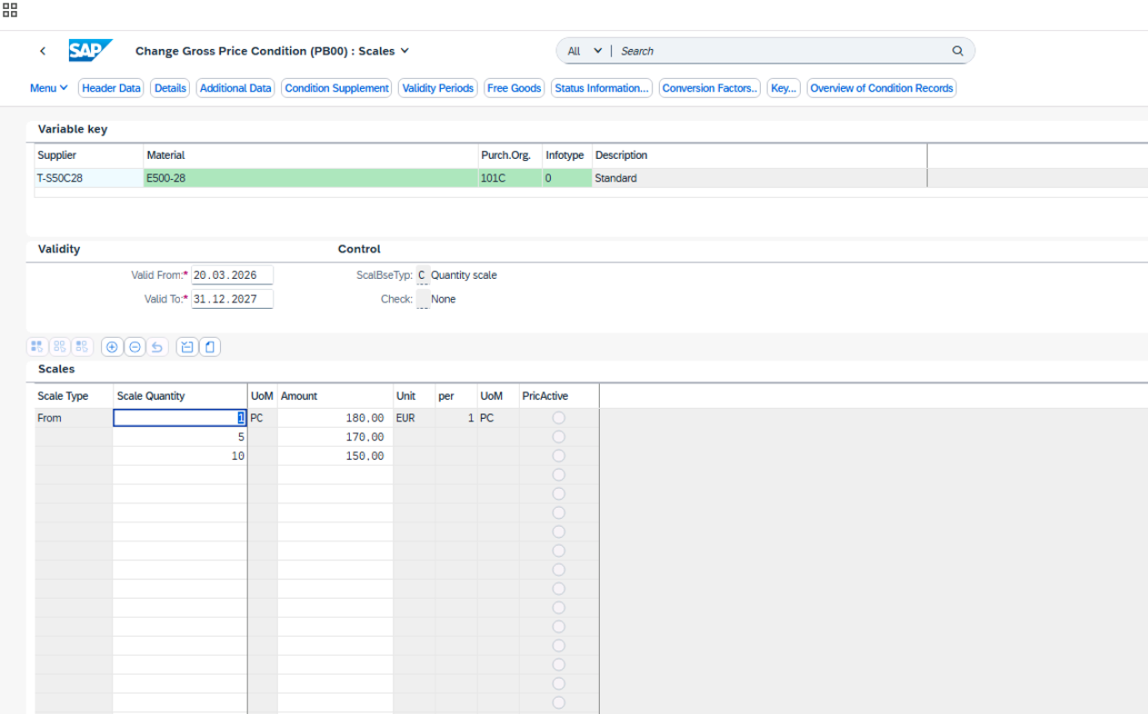
Always replace the characters ## with the number we assigned you.

Test Script |  |  | Test Execution

Business Example |  |  | Tester Name | Freddy Reulier
The business partner Martin Vehicle-Parts ## is the supplier for a new material, Fire |  |  | Tester Date | 2026-03-20
Extinguisher ##. You have been asked to create a purchasing-organization-wide info record
for the supplier and the material
 |  |  | Purchasing info record n°5300005116 successfully created
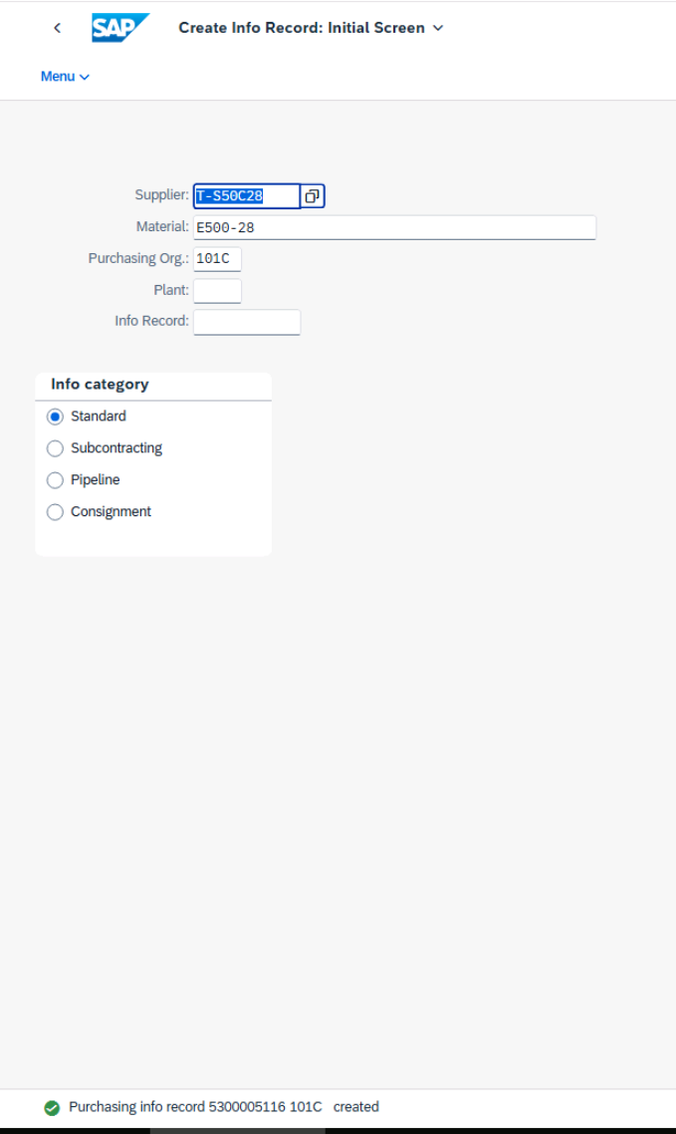
Test User
 | User Name / ID | Password
 | S4500-## | Welcome1

Procedure
1.Create an info record for the vendor T-S50C## and material E500-## on the level of purchasing organization 101C with the following data:

Field Name | Value
Purchasing group | Z##
Standard quantity | 10
Tax Code | 1I (10 % Input tax (Training))

 | The following is valid for conditions:
Field Name | Value
Validity period | Today until end of next year
Gross price | For 1 to 4 PC: EUR 180 per PC
 | For 5 to 9 PC: EUR 170 per PC
 | For 10 or more PC: EUR 150 per PC
Discount % on Gross | 10%

 | a) Start the Create Purchasing Info Record app (tile group Sources of Supply
 | Management)
 | b) Enter the following data and then press Enter:
 | Field Name | Value
 | Supplier | T-S50C##
 | Material | E500-##
 | Purchasing Organization | 101C
 | c) Choose Purch. Org. Data 1 and enter the data provided in the first table, including the
 | net price of EUR 180.
 | d) Choose Conditions.
 | e) Maintain the validity period and add the new condition type RA01 (Discount % on |  | Purchasing organization data 1 maintained
 | Gross) with amount 10. Confirm your input by pressing Enter.
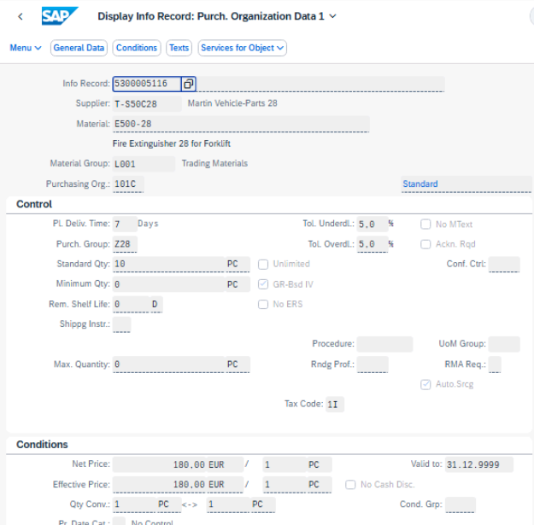
 | f) To enter the price scale, select condition type PB00 and choose Scales. Then enter the
 | following scale values:
 | Scale quantity | Amount
 | 1 | 180
 | 5 | 170
 | 10 | 150
 | g) Choose Save.

 |  |  | Price condition maintained

8
Always replace the characters ## with the number we assigned you.

Test Script |  |  | Test Execution

Business Example |  |  | Tester Name | Freddy Reulier
You want to test whether the new master data is completely maintained for the procurement |  |  | Tester Date | 2026-03-20
process. To do this, create the first purchase order for the Fire extinguisher ##. Order 10 PC
for plant 1010 and 10 PC for plant 1020.
 |  |  | Purchase Order 4500000486 created
Test User
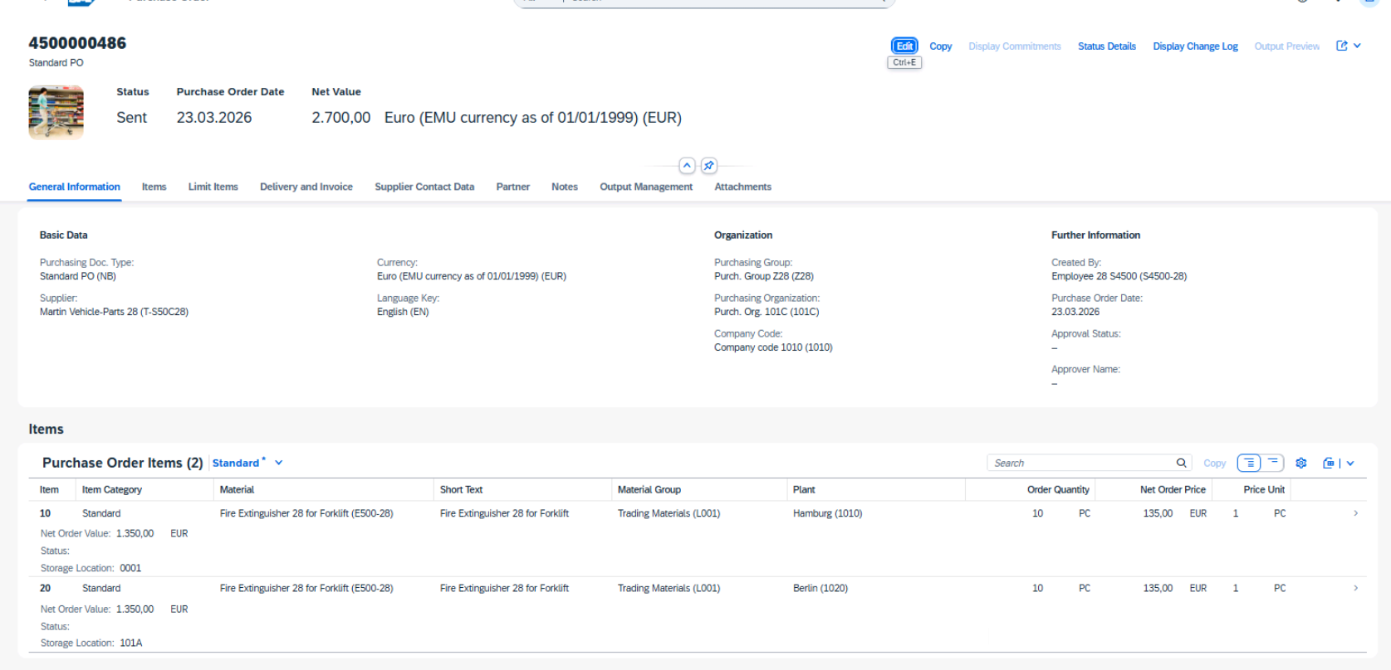
 | User Name / ID | Password
 | S4500-## | Welcome1

Procedure
1.Create a purchase order for material E500-##. Because you know that business partner T-S50C## is the only supplier for this material, create the purchase order by entering all necessary data manually. To do so, use the Manage Purchase Orders app.

Use the following data:
 | Field | Value
 | Header data
 | Supplier | T-S50C##
 | Company Code | 1010
 | Purchasing Group | Z##
 | Purchasing Organization | 101C
 | Item 1
 | Material | E500-##
 | Quantity | 10 PC
 | Plant | 1010
 | Storage Location | 0001
 | Item 2
 | Material | E500-##
 | Quantity | 10 PC
 | Plant | 1020
 | Storage Location | 101A

Net price should be EUR 135 per PC for the material
Write down the PO number

 | a) Start the Manage Purchase Orders app.
 | b) Choose the Create button.
 | c) Enter T-S50C## as the supplier and press Enter.
 | d) To create the first item, choose Create in the Items section.
 | e) Enter the data for the first item for plant 1010.
 | To enter the storage location, choose (Settings), select the Storage Location
 | column, and choose OK.
 | f) To create the second item, choose Create again and enter the relevant data for plant
 | 1020.
 | The net price for both items is EUR 135 per PC.
 | g) Choose Order to save the purchase order. Note the PO number.

9
Always replace the characters ## with the number we assigned you.

Test Script |  |  |  |  | Test Execution

Business Example |  |  |  |  | Tester Name | Freddy Reulier
The 10 PC fire extinguishers for plant 1010 are delivered and invoiced. Post the GR and IR and |  |  |  |  | Tester Date | 2026-03-23
analyze the effects on material valuation and financial accounting.

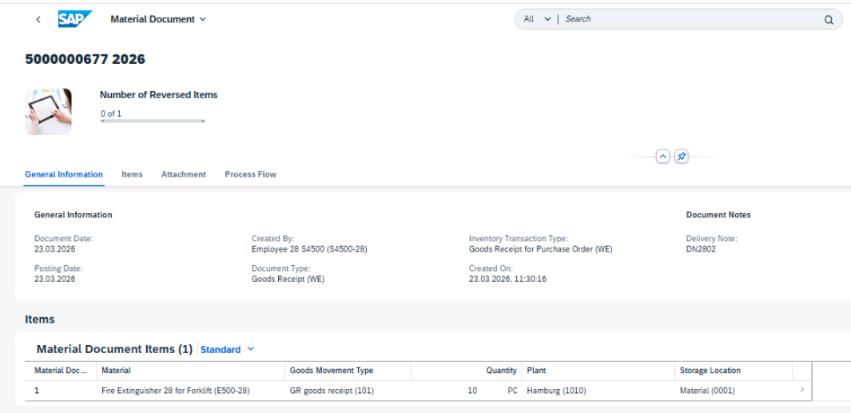
Test User |  |  |  |  | Material document 5000000677 posted for goods receipt against PO 4500000486 (plant 1010)
 | User Name / ID | Password
 | S4500-## | Welcome1

Procedure
1. Display the material master record for material E500-##. Display the Accounting 1 view for plant 1010 . The values should fit the following:

Price Control Indicator | S
Total Stock | 0 PC
Standard Price | EUR 180.00
Inventory ValueTotal Stock

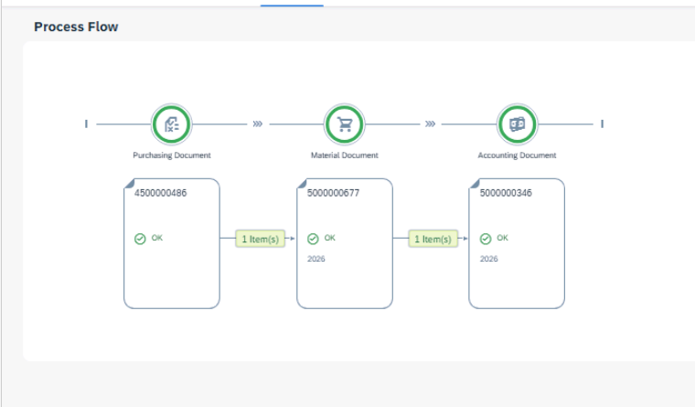
 | a) Start the Display Material app.
 | b) Enter E500-## as the material and press Enter.
 | c) Select the Accounting 1 view and choose (Continue).
 | d) Enter 1010 as the plant and choose (Continue).

2. Supplier T-S50C## delivers the 10 PC of the material E500-## for plant 1010. Enter the
goods receipt with reference to the purchase order. Post the receipt using the following
data:
 | Field | Value
 | Purchase order | < PO number from the last test case>
 | Delivery Note | DN##02
 | Plant / Storage location | Hamburg / Material (1010 / 0001)
 | Stock type | Unrestricted-Use Stock

After posting, write down the number of the material document. |  |  |  |  | Accounting document 5000000346 has been correctly posted
 | a) Start the Post Goods Receipt for Purchasing Document app in the SAP Fiori launchpad.
 | b) Enter the PO number of the last test case.
 | c) Select the first line (PO item for plant 1010 (Hamburg)).
 | d) Enter DN##02 as the delivery note and choose Post.
 | You get a message that a material document was posted. Write down the document
 | number.

3. Display the material document and accounting document for the goods receipt of material
E500-##.
The accouting document should have the following items
 | G/L Account | Name of G/L Account | Debit | Credit
 | 13600000 | Inventory TradingGd | EUR 1,800.00
 | 21120000 | GR/IR |  | EUR 1,350.00
 | 52541000 | Gain Price Differences Ext.Products |  | EUR 450.00

4. Again, display the material master record for material E500-##. Display the Accounting 1
view for plant 1010 and check the following information:
 | Total Stock | 10 PC
 | Standard Price | EUR 180.00
 | Inventory Value | EUR 1,800.00
 |  |  |  |  | Invoice simulation could not be completed due to an error on unplanned freight costs posting (account 52041000). Freight costs were therefore excluded as agreed to proceed with the test.

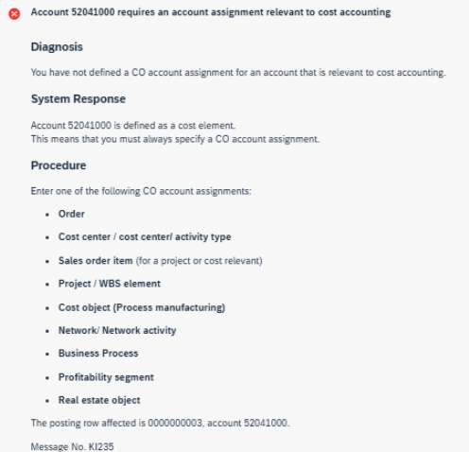
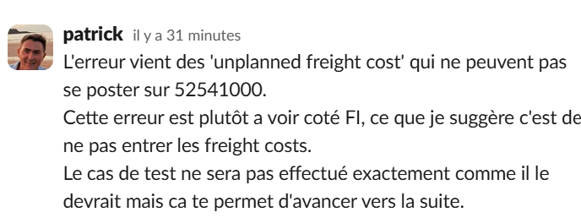

 | a) Start the Display Material app from the SAP Fiori launchpad.
 | b) Enter E500-## as the material and press Enter.
 | c) Select the Accounting 1 view and choose (Continue).
 | d) Enter 1010 as the plant and choose (Continue).

5. Enter the supplier invoice for company code 1010. Take the necessary data from the
supplier’s invoice (IV##02). Compare the invoice price and invoice quantity with the data
proposed by the system. Note that the invoice also includes freight costs. Enter these
freight costs as unplanned delivery costs.

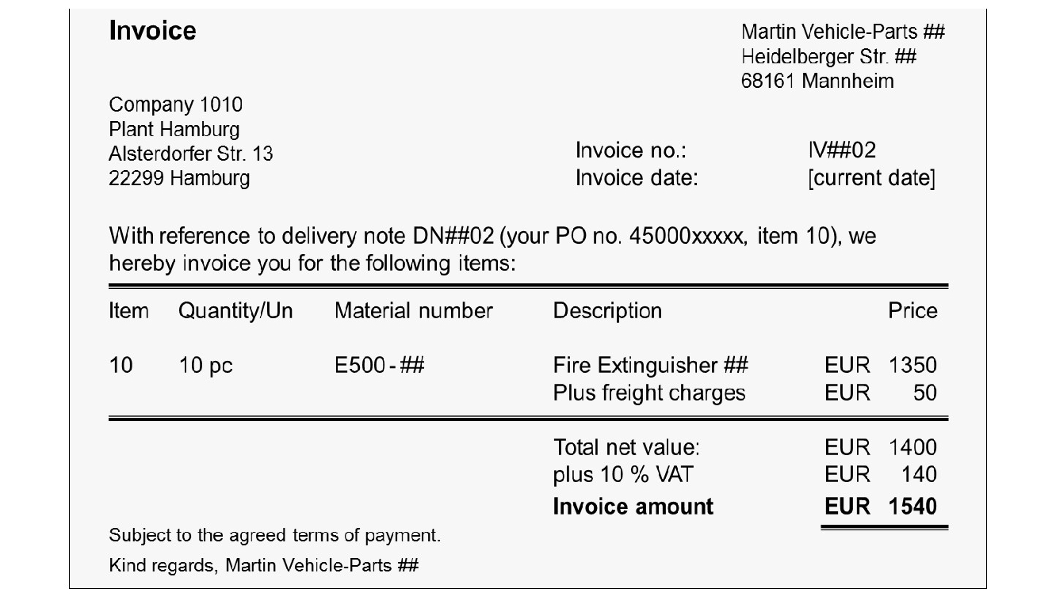

 |  |  |  |  | Simulation results excluding €50 unplanned freight costs

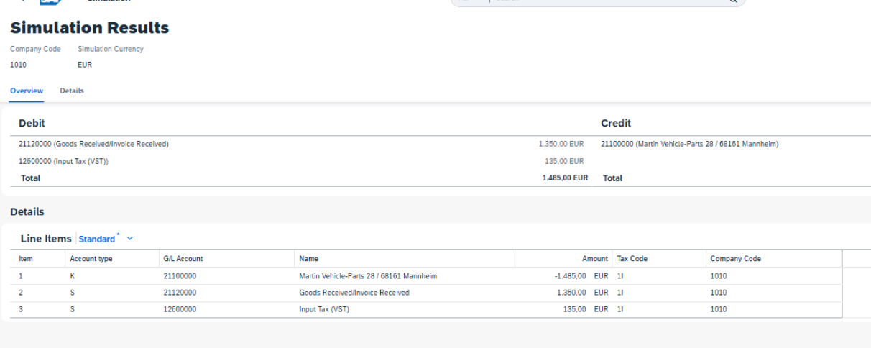

Simulate posting the invoice. In the details of the simulation result, choose display variant
S4500. The posting lines should fit the following :
 | G/L Account | Name | Debit/Credit Ind. | Amount
 | 21100000 | Martin Vehicle-Parts ## | H (Credit) | EUR –1,540.00
 | 21120000 | Goods Received/Invoice Re-ceived (GR/IR) | S (Debit) | EUR 1,350.00
 | 52041000 | Loss Price Differences Exter-nal Products | S (Debit) | EUR 50.00
 | 12600000 | Input Tax (VST) | S (Debit) | EUR 140.00
After simulation, post the invoice and write down the number of the invoice document.

 | a) Start the Create Supplier Invoice app from the SAP Fiori launchpad.
 | b) Enter the following data from the invoice:
 | Field name | Value
 | Company Code | 1010 |  |  | Supplier invoice 5105600423 successfully created excluding €50 unplanned freight costs
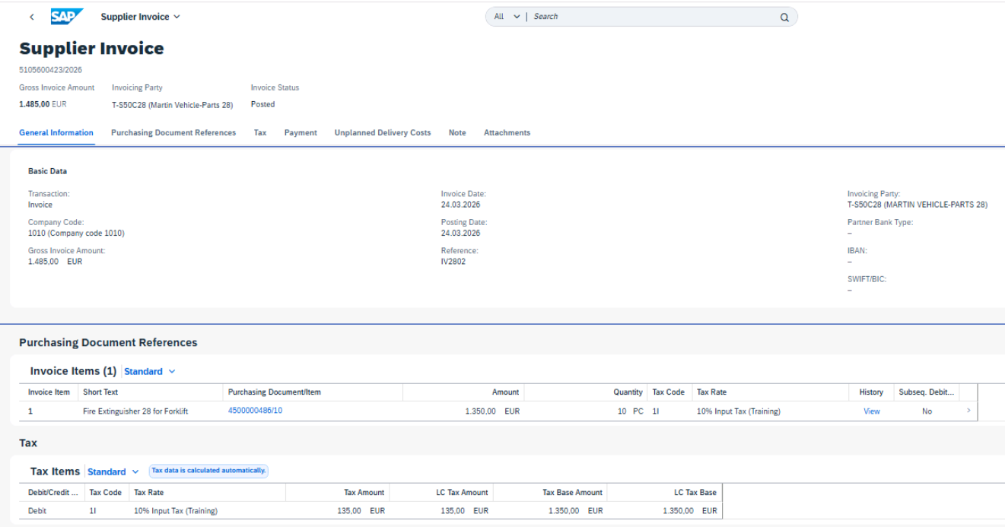
 | Gross Invoice Amount | 1,540.00
 | Invoice Date | <date today>
 | Reference | IV##02

 | c) Under Purchase Order References, choose Delivery Note as the reference document
 | category. Enter DN##02 as the delivery note and press Enter.

 | d) Compare the proposed item data with the supplier’s invoice and, if necessary, change
 | the proposed data so that it fits with the supplier’s invoice. Ensure that the tax code is
 | 1I.
 | e) Choose Unplanned Delivery Costs and enter freight costs of EUR 50.
 | f) Choose Simulate.
 | g) In the Details of the simulation results, choose and.choose S4500.
 | h) Fill in the table. The values should fit the following:
 | G/L Account | Name | Debit/Credit Ind. | Amount
 | 21100000 | Martin Vehicle-Parts ## | H (Credit) | EUR –1,540.00
 | 21120000 | Goods Received/Invoice Re-ceived (GR/IR) | S (Debit) | EUR 1,350.00
 | 52041000 | Loss Price Differences Exter-nal Products | S (Debit) | EUR 50.00
 | 12600000 | Input Tax (VST) | S (Debit) | EUR 140.00

 | i) Choose Post and write down the invoice number.

6. Check the accounting data in the material master record again.
The data in the material master was not changed because the price control of the material
in plant 1010 is Standard Price. All differences between purchase order price or invoice
price to the standard price are posted to price difference accounts.

10
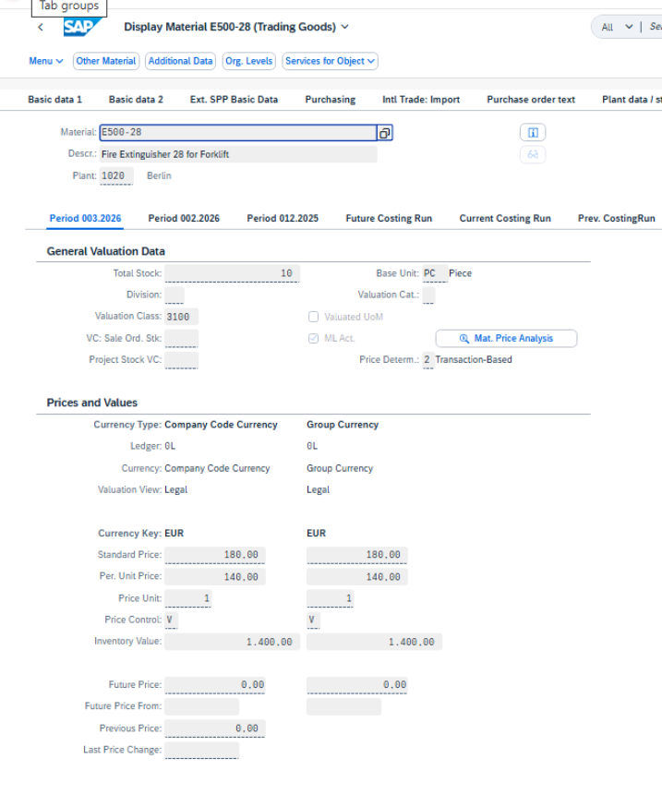
RF

Test Script |  |  |  |  | Test Execution
 |  |  |  |  | Tester Name | Freddy Reulier
Business Example |  |  |  |  | Tester Date | 2026-03-23
The 10 PC fire extinguishers for plant 1020 are delivered and invoiced. Post the GR and IR and
analyze the effects on material valuation and financial accounting.

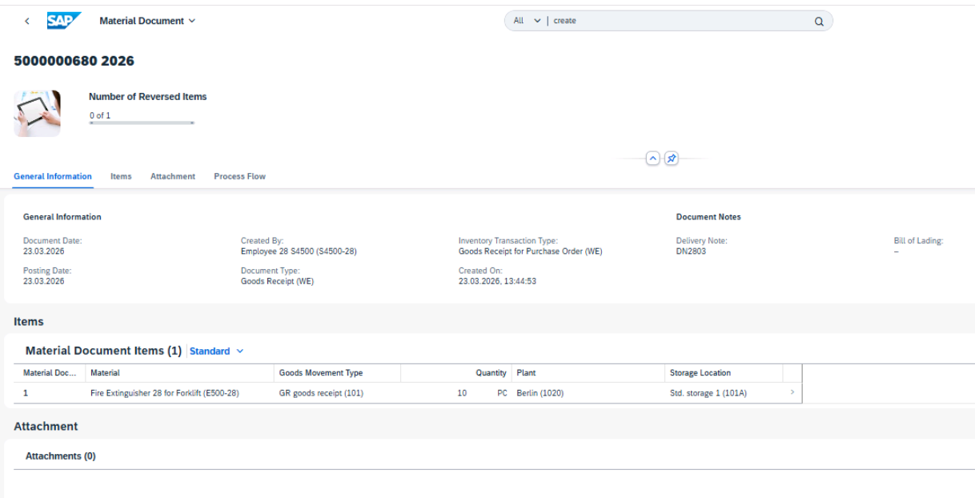
Test User |  |  |  |  | Material document 5000000680 posted for goods receipt against PO 4500000486 in plant 1020
 | User Name / ID | Password
 | S4500-## | Welcome1

Procedure
1.Display the material master record for material E500-##. Display the Accounting 1 view for plant 1020 and write down the following information:

The values should fit the following:
 | Price Control Indicator | V
 | Total Stock | 0 PC
 | Standard Price | EUR 180.00
 | Inventory ValueTotal Stock | EUR 0.00

 | a) Start the Display Material app.
 | b) Enter E500-## as material and press Enter.
 | c) Select the Accounting 1 view and choose (Continue).
 | d) Enter 1020 as the plant and choose (Continue).

2.Supplier T-S50C## delivers the 10 PC of material E500-## for plant 1020. Enter the goods receipt with reference to the purchase order. Post the receipt using the following data:

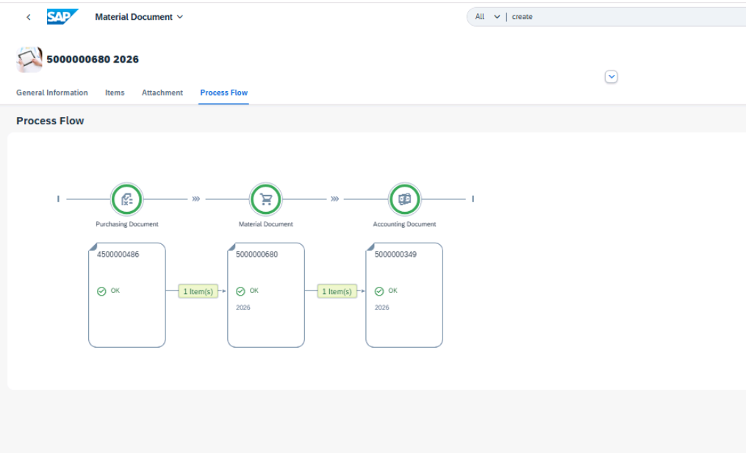
 | Field | Value
 | Purchase order | <PO number from the last test case>
 | Delivery Note | DN##03
 | Plant / Storage location | Berlin / Storage 1 (1020 / 101A)
 | Stock type | Unrestricted-Use Stock
 | a) Start the Post Goods Receipt for Purchasing Document app in the SAP Fiori launchpad.
 | b) Enter your PO number.
 | c) Enter DN##03 as the delivery note and select the item for plant 1020 (Berlin).
 | d) Choose Post.
 | You get a message that a material document was posted. Write down the document
 | number.

3. Display the material document and accounting document for the goods receipt.
The accouting document should have the following items
 | G/L Account | Name of G/L Account | Debit | Credit
 | 13600000 | Inventory TradingGd | EUR 1,350.00
 | 21120000 | GR/IR |  | EUR 1,350.00

 |  |  |  |  | Accounting document 5000000349 has been correctly posted

4. Again, display the material master record for material E500-##. Display the Accounting 1
view for plant 1020 and check the following information:
 | Total Stock | 10 PC
 | Periodic Unit Price | EUR 135.00
 | Inventory Value | EUR 1,350.00

 |  |  |  |  | Accounting 1 view for material E500-28 in plant 1020 is correctly maintained (stock, price, and inventory value verified)
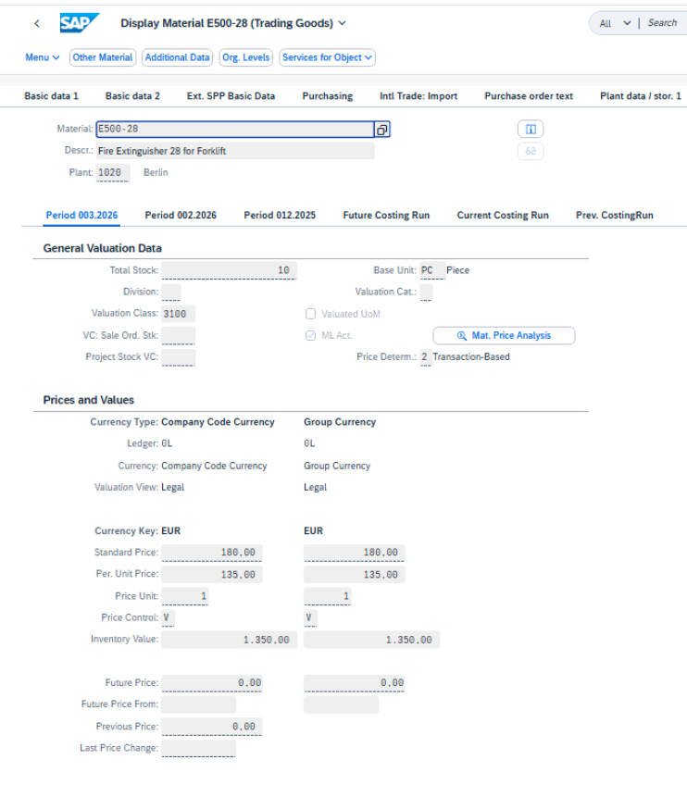

5. Enter the supplier invoice for company code 1010. Take the necessary data from the
supplier’s invoice (IV##03). Compare the invoice price and invoice quantity with the data
proposed by the system. Note that the invoice also includes freight costs. Enter these
freight costs as unplanned delivery costs.
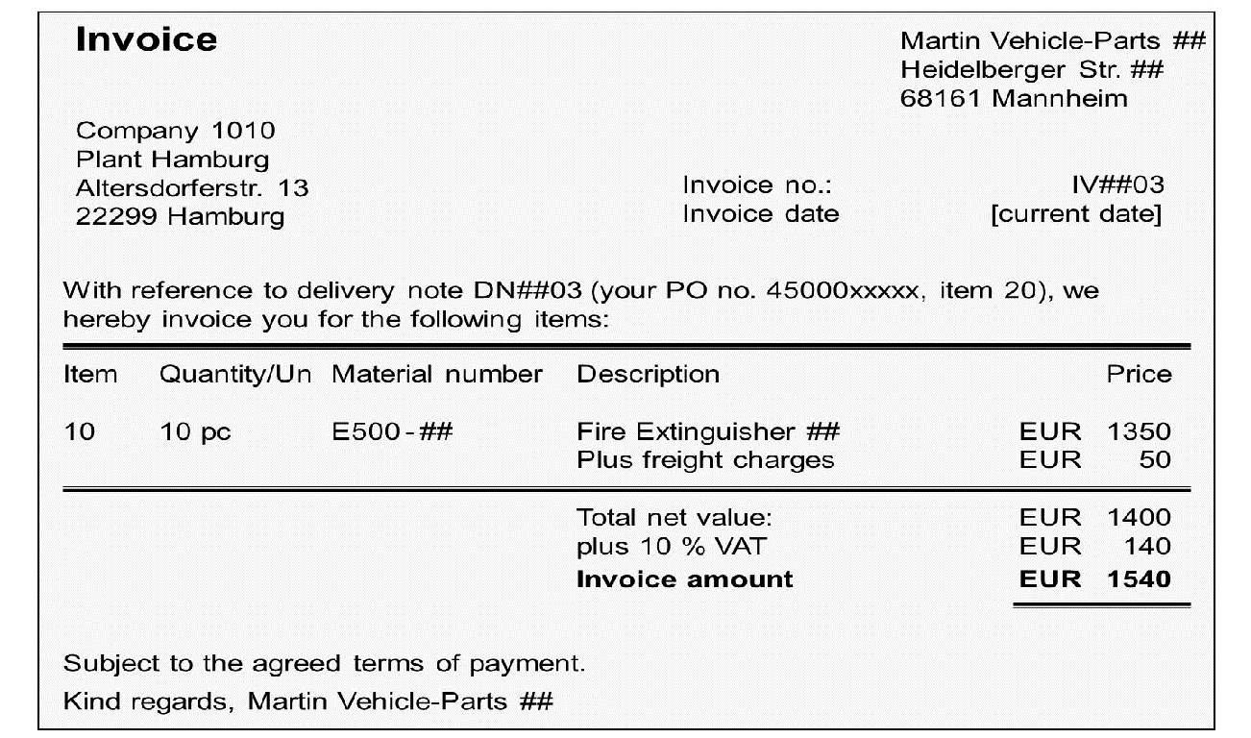

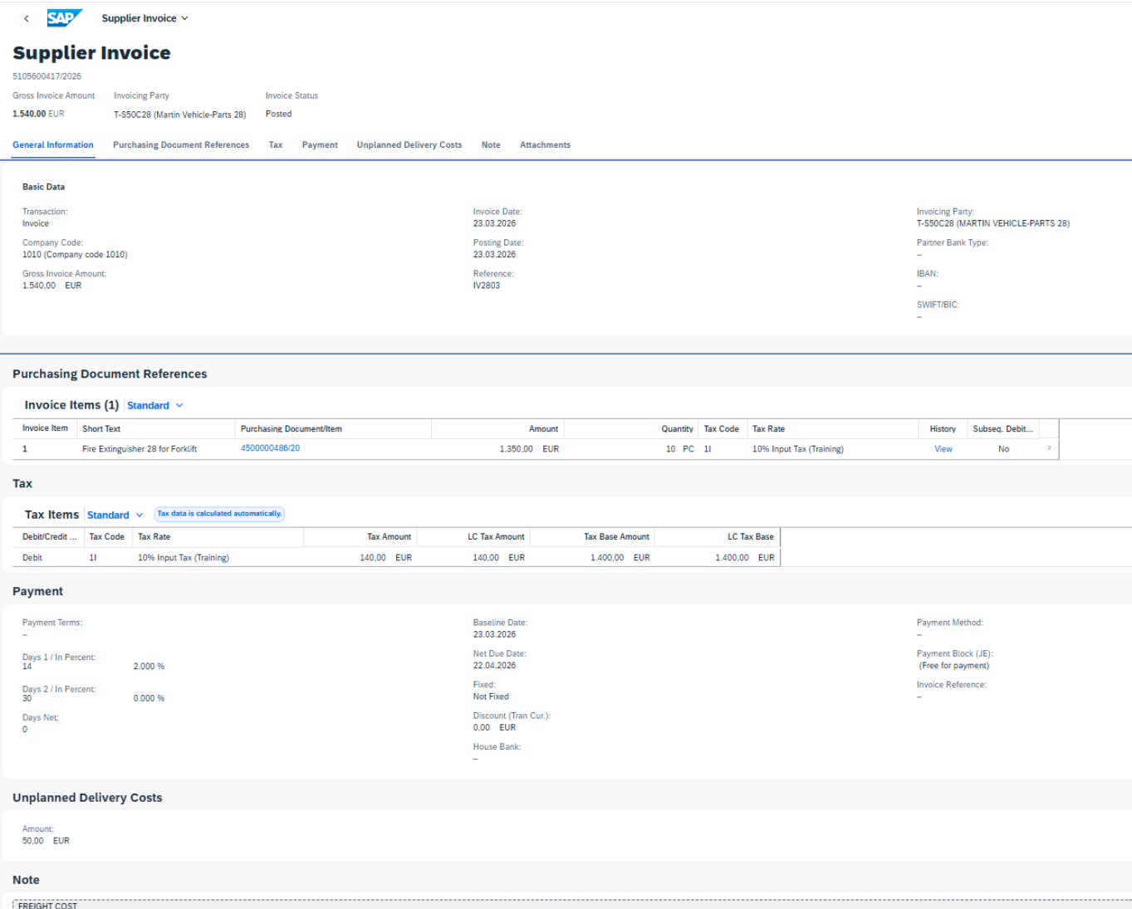
Simulate posting the invoice. In the details of the simulation result, choose display variant |  |  |  |  | Supplier invoice 5105600417 correctly posted
S4500. The posting lines should fit the following :
 | G/L Account | Name | Debit/Credit Ind. | Amount
 | 21100000 | Martin Vehicle-Parts ## | H (Credit) | EUR –1,540.00
 | 21120000 | Goods Received/Invoice Re-ceived | S (Debit) | EUR 1,350.00
 | 13600000 | Fire Extinguisher ## (trading goods) | S (Debit) | EUR 50.00
 | 12600000 | Input Tax (VST) | S (Debit) | EUR 140.00
After simulation, post the invoice and write down the number of the invoice document.
 | a) Start the Create Supplier Invoice app from SAP Fiori launchpad.
 | b) Enter the following data from the invoice:
 | Field name | Value
 | Company Code | 1010
 | Gross Invoice Amount | 1,540.00
 | Invoice Date | <today's date>
 | Reference | IV##03
 | c) Under Purchase Order References, choose Delivery Note as the reference document
 | category. Enter DN##03 as the delivery note and press Enter.
 | d) Compare the proposed data with the supplier’s invoice and, if necessary, change the
 | proposed data so that it fits the supplier’s invoice.
 | e) Choose Unplanned Delivery Costs and enter freight costs of EUR 50.
 | f) Choose Simulate.
 | g) In the Details of the simulation results, choose views and choose S4500.
 | h) The posting lines should fit the following :
 | G/L Account | Name | Debit/Credit Ind. | Amount
 | 21100000 | Martin Vehicle-Parts ## | H (Credit) | EUR –1,540.00
 | 21120000 | Goods Received/Invoice Re-ceived | S (Debit) | EUR 1,350.00
 | 13600000 | Fire Extinguisher ## (trading goods) | S (Debit) | EUR 50.00
 | 12600000 | Input Tax (VST) | S (Debit) | EUR 140.00
 | i) Choose Post and write down the invoice number.

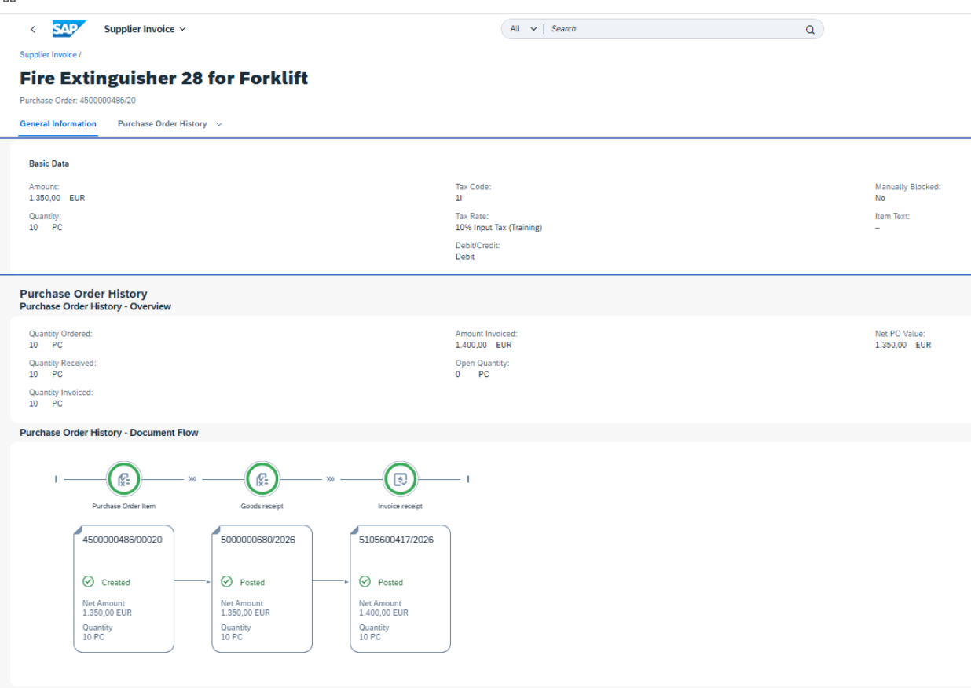
6. Check the accounting data in the material master record again.
The data in the material master was changed, because the price control of the material in
plant 1020 is Moving Average Price. Differences between purchase order price and invoice
price are posted to the material inventory account (enough stock provided).

 |  |  |  |  | Journal entry is correct and aligns with the expected accounting postings

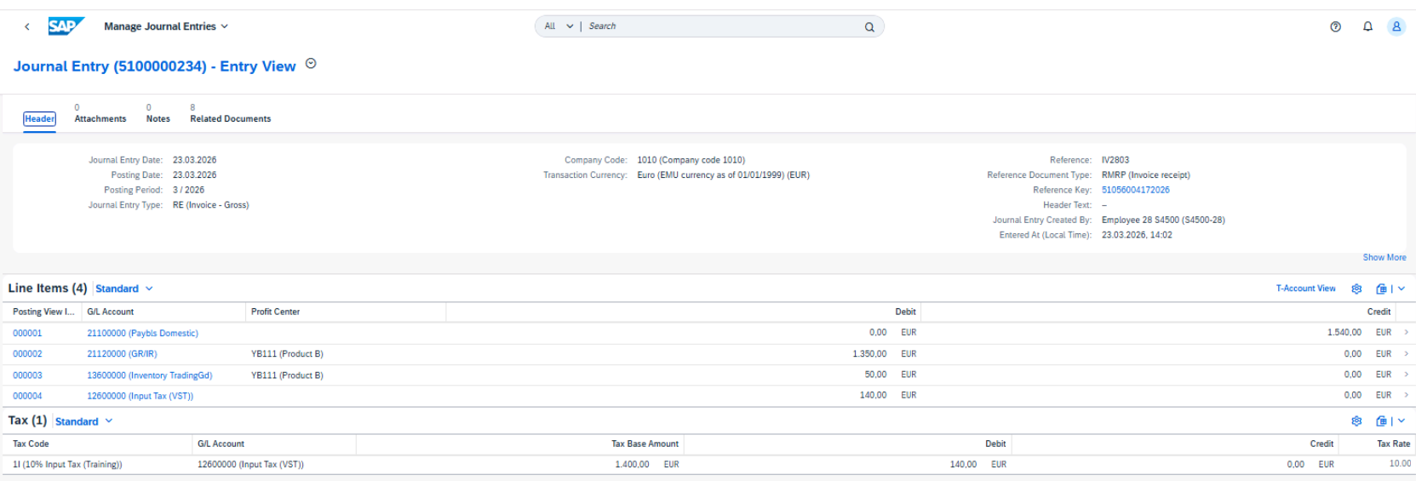

 |  |  |  |  | Accounting data updated after supplier invoice posting (moving average price applied, inventory value adjusted)

11
Always replace the characters ## with the number we assigned you.

Test Script |  |  | Test Execution
 |  |  | Tester Name | Freddy Reulier
Business Example |  |  | Tester Date | 2026-03-23
The various departments in your company report their material requirements to purchasing
using purchase requisitions. The requirement from the manufacturing department is usually
generated by a material requirements planning run. But sometimes a material is requested
manually, for example, when it is needed for a repair. |  |  | Personal default values for purchase requisitions maintained

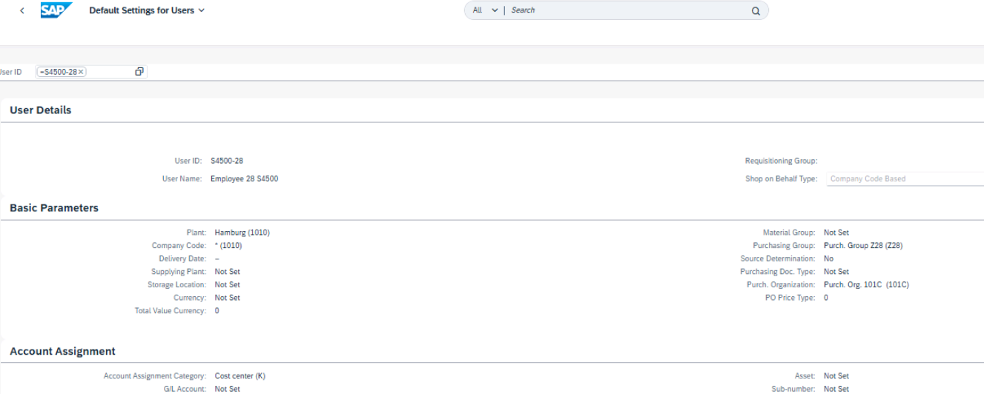
Test User
 | User Name / ID | Password
 | S4500-## | Welcome1

Procedure
1.Before you create the purchase requisition, maintain your personal default values for
purchase requisitions. Define the following values:
 | Field name | Value
 | Plant | 1010
 | Company Code | 1010
 | Purchasing Group | Z##
 | Purchasing Organization | 101C
 | Account Assignment Category | K
 | Cost Center | 113## (Repair Group ##)

 | a) Start the Default Settings for User app (tile group Purchase Requisition Processing).
 | b) Enter your user ID.
 | c) Choose Edit and enter the values provided in the table above.
 | d) Save the default values.
 |  |  | Purchase Requisition 10001329 created
2. Create a purchase requisition for the materials A500-## and B500-##. In plant 1010, for
both materials, 50 pieces each are required for the cost center 113##. The desired
delivery date is today in two weeks. Use the SAP Fiori app Manage Purchase Requisitions –
Professional.
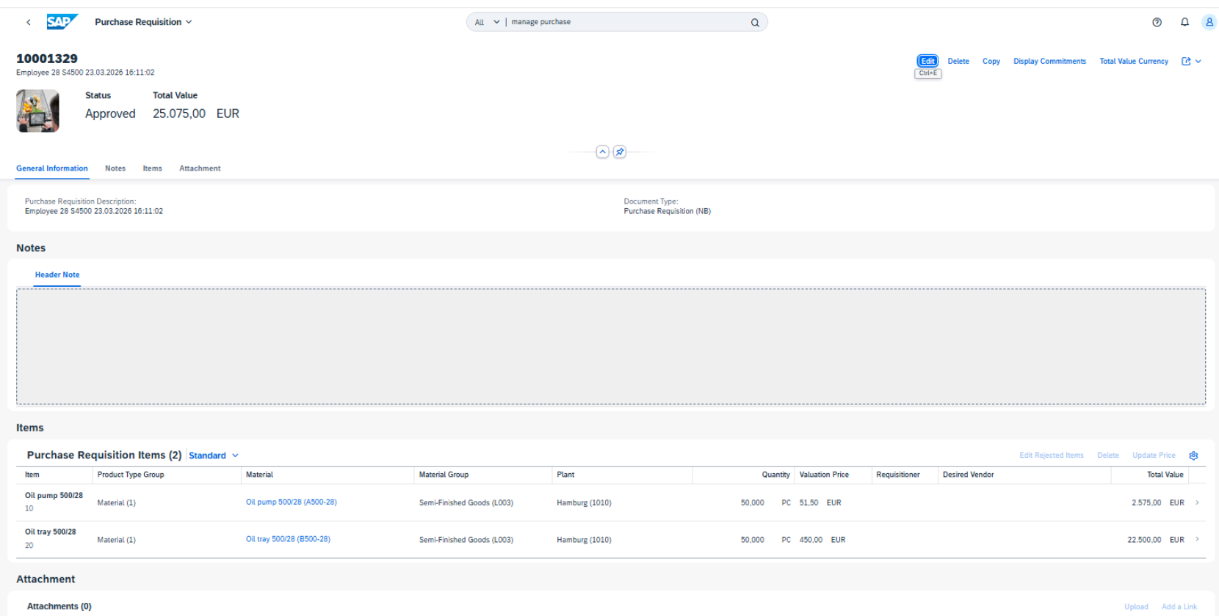
 | a) Start the Manage Purchase Requisitions – Professional app (tile group Purchase
 | Requisition Processing).
 | b) To create a new purchase requisition, choose Create .
 | c) To create the first item, in the Items area choose Create → Material.
 | (Do not add an item in the Limit Items area.)
 | d) Enter material A500-## and quantity 50. As delivery date choose <today + 2
 | weeks>.
 | Check the other relevant data and answer the questions about default values and
 | valuation price.
 | e) Choose Apply.
 | f) To create the next item, choose Create → Material.
 | g) Enter material B500-## and quantity 50. As delivery date choose <today + 2
 | weeks>.
 | Check the other relevant data a
 | h) Choose Apply.
 | i) Save the purchase requisition.
 | The object page for your new purchase requisition is shown. Note the document
 | number.

12
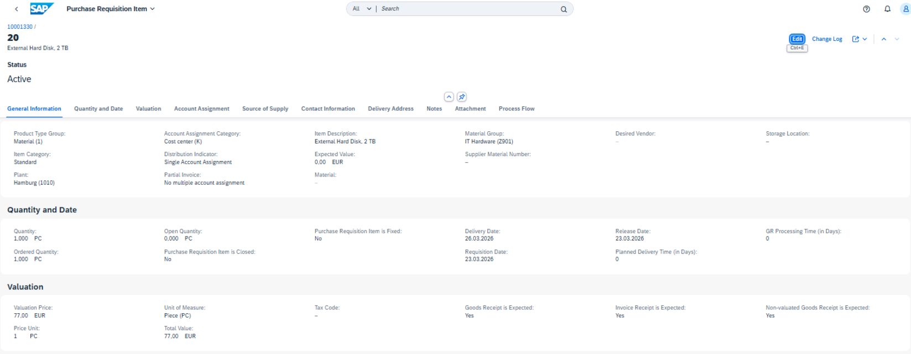
Always replace the characters ## with the number we assigned you.
Test Script |  |  |  | Test Execution
 |  |  |  | Tester Name | Freddy Reulier
Business Example |  |  |  | Tester Date | 2026-03-23
In the IT department in plant 1010, you require wireless mice and external hard disks. Both
products are consumable materials, and could not be placed in stock. For the wireless mouse, |  |  |  | Purchase requisition 10001330 created
a material master exists. For the external hard disk, you need to enter all the relevant data
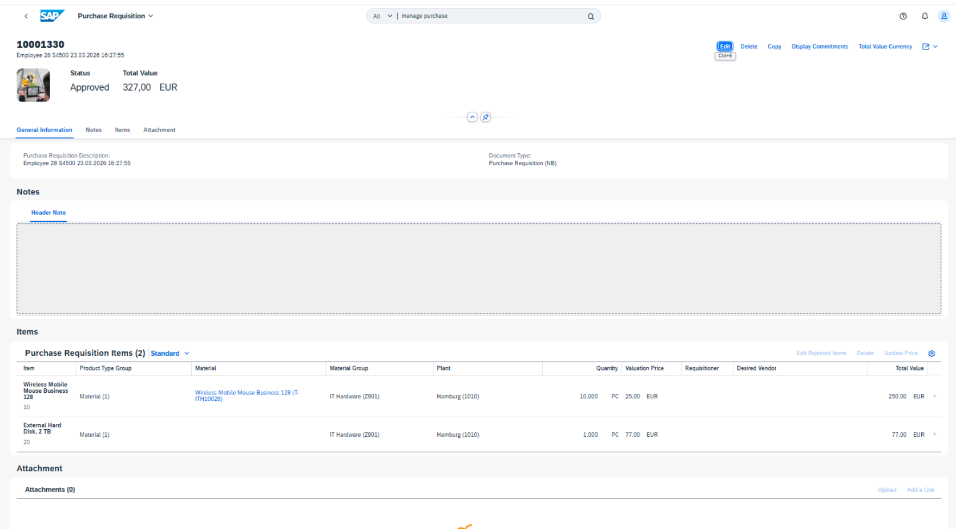
manually.

Test User
 | User Name / ID | Password
 | S4500-## | Welcome1

Procedure
1. Create a purchase requisition for the two IT materials ( . Use the SAP Fiori app Manage Purchase Requisitions – Professional. With the first item, request 10 PC of the Wireless Mobile Mouse T-ITH100## for cost center 4110 (Technical Assets).
With the first item, request 10 PC of the Wireless Mobile Mouse T-ITH100## for cost
center 4110 (Technical Assets).
In the second item, request one External Hard Disk with 2 TB. Because there is no master
record for this material, you must enter material group Z901 (IT Hardware), valuation
price EUR 77, and unit of measure PC yourself. This material is also requested for cost
center 4110.
 | Save the purchase requisition and note the document number:
 | Do not close the object page with the purchase requisition after this test case.
 | a) Start the Manage Purchase Requisitions – Professional app from the SAP Fiori
 | launchpad.
 | b) To create a new purchase requisition, choose Create .
 | c) To create the first item, in the Items area, choose Create → Material.
 | d) Enter material T-ITH100## and quantity 10.
 | e) In the Account Assignment area, change the proposed value for the cost center from
 | 113## to 4110.
 | f) Choose Apply (twice if necessary).
 | g) To create the next item, again choose Create → Material and enter the following data:
 | Field Name | Value
 | Item Description | External Hard Disk, 2 TB
 | Material Group | Z901 (IT Hardware)
 | Quantity | 1
 | Valuation Price | EUR 77
 | Unit of measure | PC
 | Cost Center | 4110 (Technical Assets)
 | h) Choose Apply (twice if necessary). |  |  | Goods receipt, invoice receipt, and non-valuated goods receipt indicators have been correctly set for both purchase requisition items
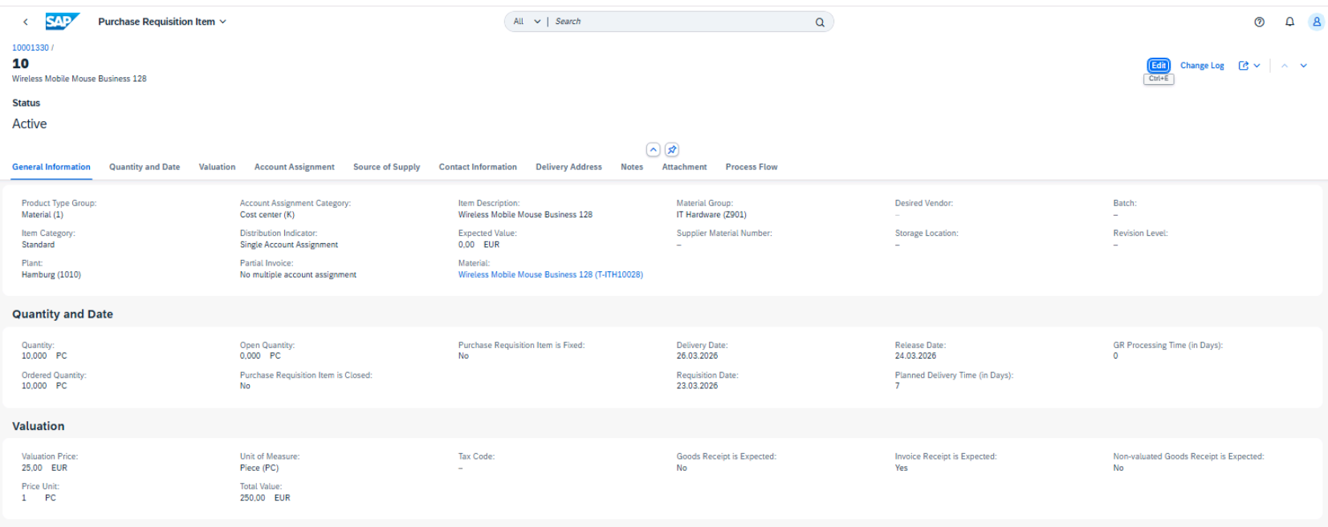
 | i) Save the purchase requisition. Ignore all massages (e.g. about delivery or release date)
 | and choose Save again.
 | The object page for the purchase requisition is shown. Note the document number.
 | j) Stay on the object page.

2. Change the goods receipt control for both items of your last purchase requisition.
For the wireless mice, you expect no goods receipt. For the external hard disk, you expect
a non-valuated goods receipt.
 | a) On the object page of the purchase requisition, choose Edit.
 | b)Change the data for the items as follows:

 | Field name | Item 1 (material T-ITH100###) | Item 2 (material Exter-nal Hard Disc)
 | Goods Receipt is Expected check-box | Deselected | Selected
 | Invoice Receipt is Expected check-box | Selected | Selected
 | Non-valuated Goods Receipt is Ex-pected checkbox | Deselected | Selected
 | c)Save the changes for the purchase requisition.

13
Always replace the characters ## with the number we assigned you.
Test Script |  |  | Test Execution
 |  |  | Tester Name | Freddy Reulier
Business Example |  |  | Tester Date | 2026-03-24
The purchase requisitions from the user departments need to be converted into purchase
orders. Create purchase orders for the purchase requisition items that are assigned to your
purchasing group Z##. |  |  | Puchase Order 4500000492 created
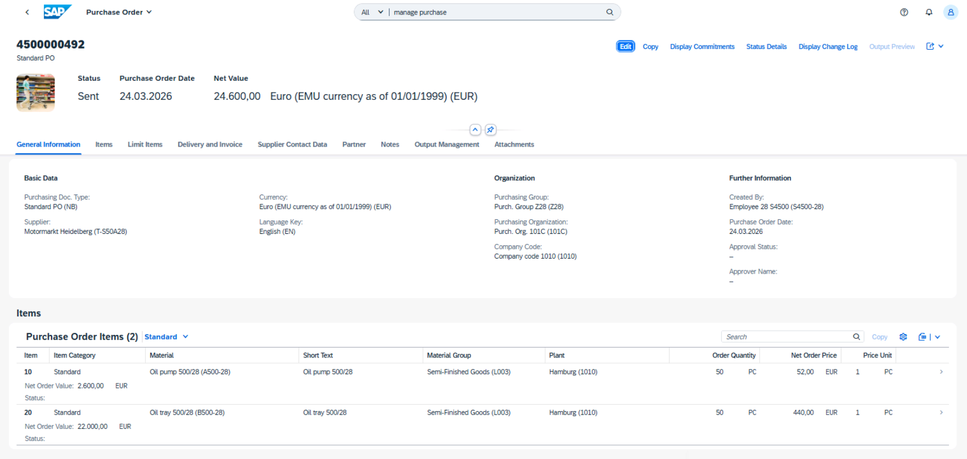

Test User
 | User Name / ID | Password
 | S4500-## | Welcome1

Procedure
1. Create a purchase order for the materials with material group (= product group) L003,
which are assigned to purchasing group Z##. For these materials, a source of supply
should be available. To assign the sources of supply to the purchase requisition items, and
then to create the PO, use Process Purchase Requisitions app.
Note the type of source of supply and the supplier for material A500-## should be Info record, supplier T-S50A##
Note the type of source of supply and the supplier for material B500-## should be Info record, supplier T-S50A##

When you have created the PO, write down the number.
 | a) Start the Process Purchase Requisitions app (tile group Purchase Requisition
 | Processing).
 | b) In the filter bar, enter Z## as the purchasing group and L003 as the product group.
 | Choose Go.
 | c) For the first purchase requisition item, you can see in the Assigned Supplier column
 | whether a source of supply is available for the material. Choose this entry (1 Sources).
 | A dialog box appears with more information about the source of supply. Write down
 | the information.
 | d) In the dialog box, select the proposed supplier, Motormarkt Heidelberg, to assign the
 | source to the purchase requisition item.
 | e) Repeat steps c) and d) for the second item.
 | f) Once you have assigned both items, select both items and choose Create Purchase
 | Order.
 | g) On the next screen choose Save and note the number of the created purchase order. |  | Puchase Order 4500000493 created
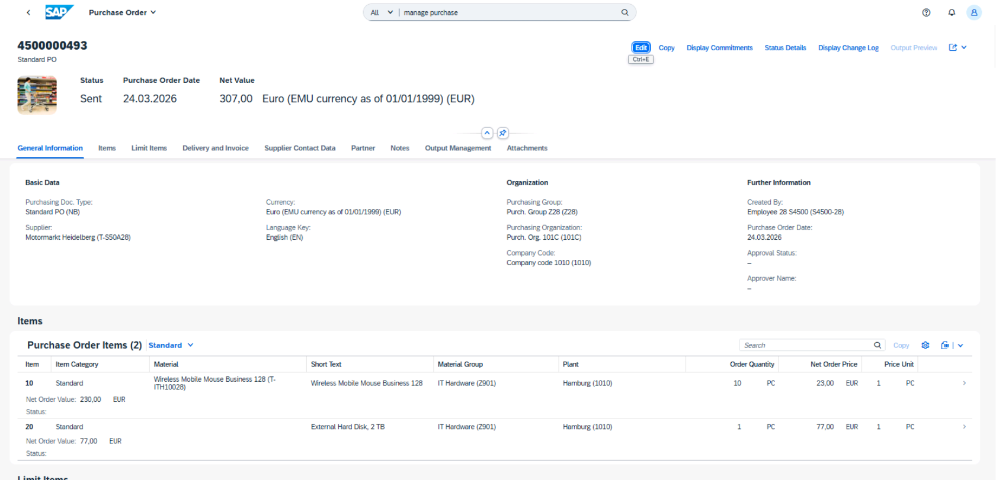
2.Create a purchase order for the materials with material group (= product group) Z901,
which are assigned to the purchasing group Z##. These materials should also be
purchased from supplier T-S50A##. If possible, assign a source of supply. If not, assign
the supplier manual. After this step, create the purchase order.
Note the type of source of supply and the supplier for the T-ITH100## material should be Info record, supplier T-S50A##
Note that no source of supply should be avaulable for the External Hard Disc material.
When you have created the PO, write down the number.
 | a) Start the Process Purchase Requisitions app.
 | b) In the filter bar, enter Z## as the purchasing group and Z901 as the product group, and
 | choose Go.
 | c) For the material T-ITH100##, assign the source of supply that is proposed by the
 | system. It should be an info record with the supplier T-S50A##. To do this, choose the
 | 1 Sources entry in the Assigned Supplier column and in the dialog box, select the
 | proposed supplier.
 | d) For the item without a material master, choose (Edit), enter supplier T-S50A##,
 | and choose OK.
 | e) Once you have assigned both items, select the items and choose Create Purchase
 | Order.
 | If necessary, confirm all messages with Close.
 | f) On the next screen choose Save and note the number of the created purchase order.

14
Always replace the characters ## with the number we assigned you.
Test Script |  |  |  | Test Execution
 |  |  |  | Tester Name | Freddy Reulier
Business Example |  |  |  | Tester Date | 2026-03-24
 | Supplier T-S50A## delivers materials A500–## and B500–##. The delivery contains the
 | invoice in addition to the delivery note. Enter the goods receipt and the invoice for the |  |  | Accounting 1 view displayed and data recorded for material B500-28 in plant 1010
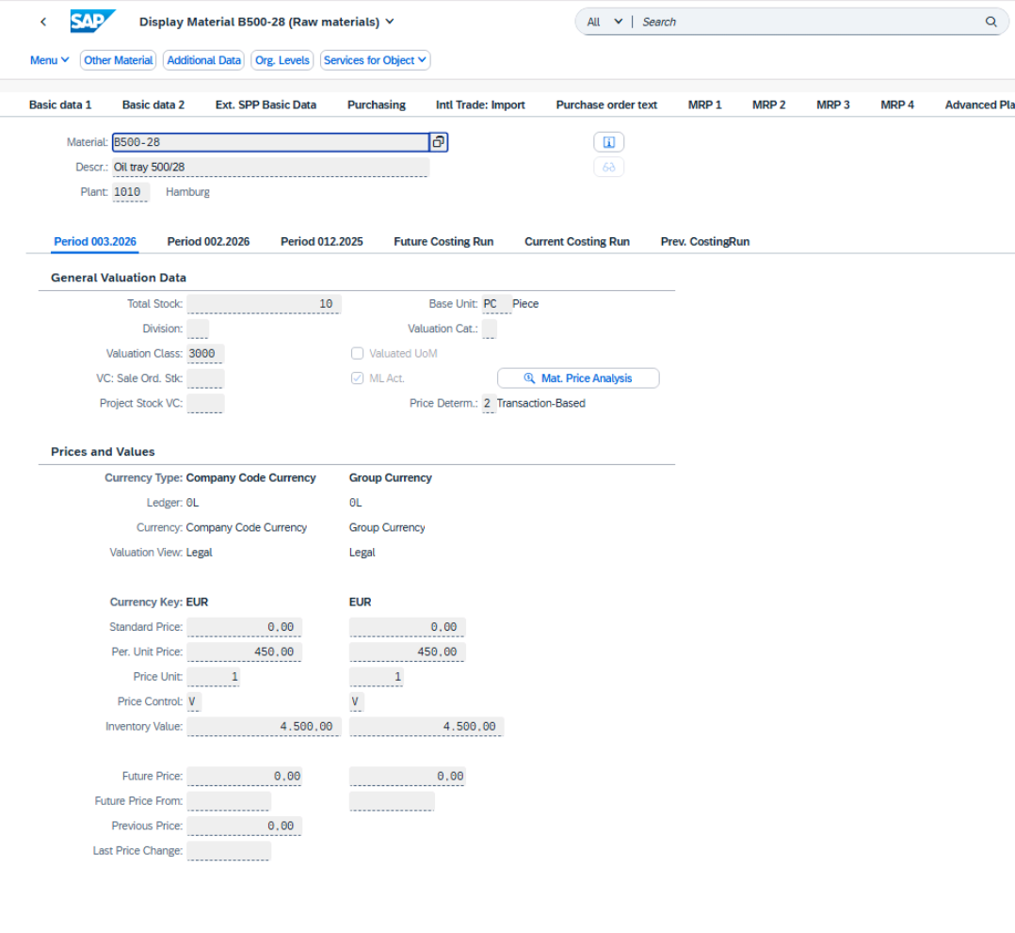
 | purchase order and check the correct update in accounting.

Test User
 | User Name / ID | Password
 | S4500-## | Welcome1

Procedure
1. Display the material master record for material B500-## (Oil tray 500/##). Display the
Accounting 1 view for plant 1010 and write down the following information:
 | Total stock
 | 10 PC

 | Price control indicator
 | V

 | Periodic unit price
 | EUR 450

 | Inventory value
 | EUR 4500

 | a) Start the Display Material app
 | b) Enter B500-## as the material and press Enter
 | c) Select the Accounting 1 view and choose (Continue).
 | d) Enter 1010 as plant and choose (Continue).

2.Display your purchase order with account assignment for the materials A500-## and
B500-##. Determine for both items whether the indicators Goods Receipt, Non-Valuated
Goods Receipt, and Invoice Receipt are set. Your results should fit with the following table:
 | Indicator | Values for item 1 (mate-rial A500-##) | Values item 2 (material B500-##)
 | Goods Receipt | Yes | Yes
 | Non-Valuated Goods Receipt | No | No
 | Invoice Receipt | Yes | Yes | Purchase order 4500000492 displayed; goods receipt, invoice receipt, and non-valuated goods receipt indicators verified for both items
 | a) Start the Manage Purchase Orders app.
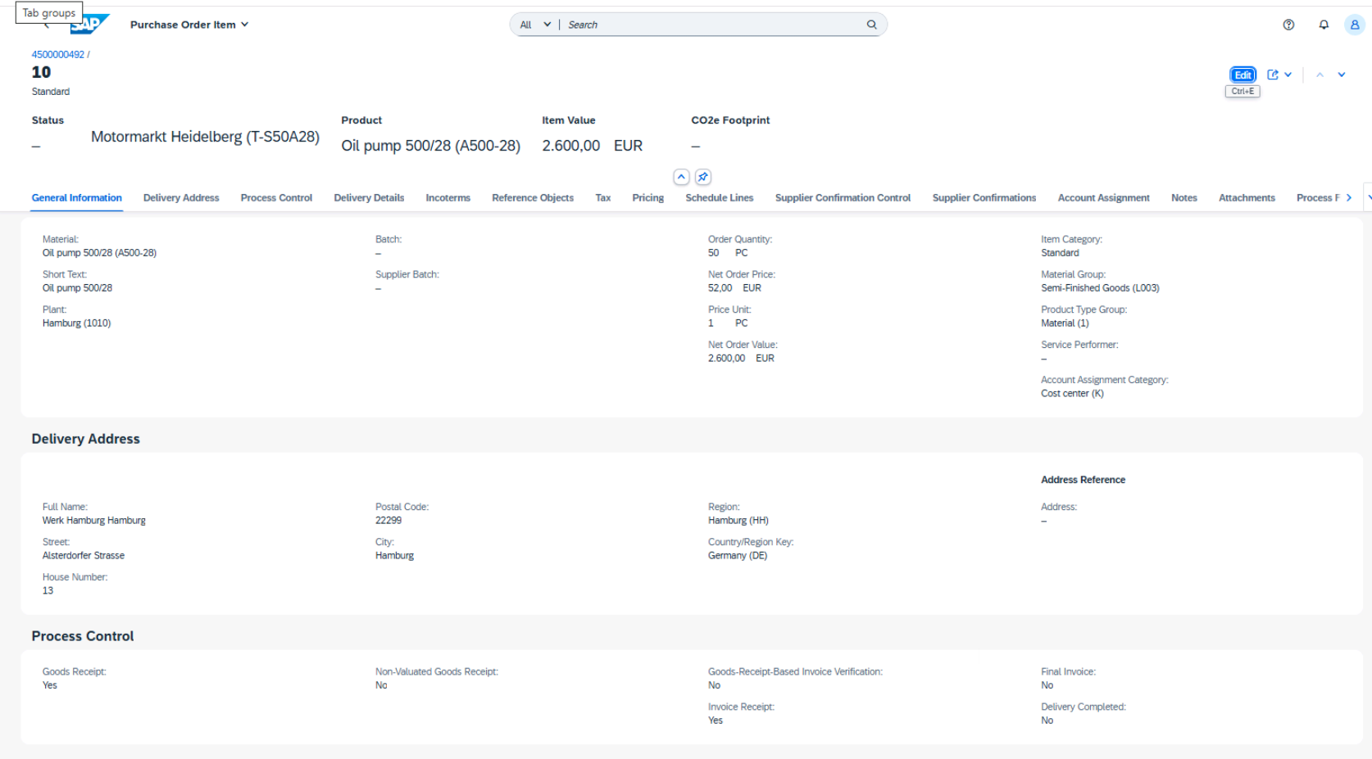
 | b) In the filter bar enter the following search criteria and choose Go:
 | Supplier T-S50A##
 | Material A500–## and B500–##
 | Plant 1010
 | c) Choose on the right in the line with your purchase order.
 | d) Choose Items and open the details for the first item by clicking on on the right in
 | the item line.
 | In the Process Controll you can find the relevant information.
 | e) Repeat step d) for the second item.
 | For both items a valuated goods receipt and an invoice receipt is expected.

3. Enter the goods receipt for the purchase order with the materials A500-## and B500-##.
Post the goods receipt using the following information:
 | Field | Value
 | Purchase Order | <your PO number from the test case >
 | Delivery Note | DN##04
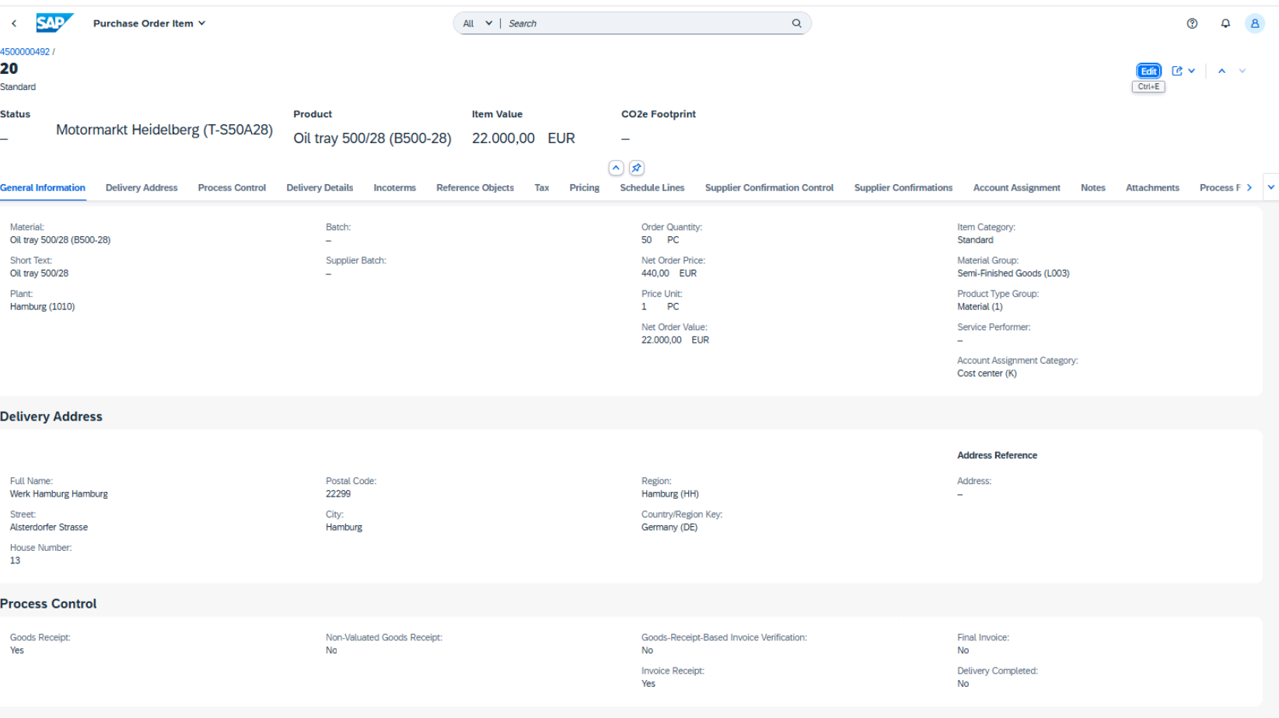
 | Document date | <today>
 | Material / Quantity | A500-## / 50 PC
 | Material / Quantity | B500-## / 50 PC
Write down the material document number.
 | a) Start the Post Goods Receipt for Purchasing Document app.
 | b) Enter the first PO number from the last test case.
 | c) Enter DN##04 as the delivery note.
 | d) Select both items and choose Post.
 | You get a message that a material document was posted. Write down the document
 | number.

4. Display the material document and accounting document for the goods receipt.
The accounting document should fit with the following table
 | G/L Account | Debit | Credit
 | 51100000 (Material Consumption) | EUR 2600
 | 21120000 (GR/IR) |  | EUR 2600
 | 51100000 (Material Consumption) | EUR 22000
 | 21120000 (GR/IR) |  | EUR 22000

5. Display the material master record for material B500-## again. Display the Accounting 1
view for plant 1010 and compare the total stock and the inventory value with the values
you noted in step 1.
There should be no changes in the Accounting view because the material was purchased for
consumption. Neither the stock quantity nor the stock value were influenced by this GR.

 | a) From the SAP Fiori launchpad, start the Display Material app.
 | b) Enter B500-## as material, then press Enter.
 | c) Select the Accounting 1 view and choose (Continue).
 | d) Enter 1010 as the plant and choose (Continue).
 | e) Write down the information requested. |  |  | Goods receipt posted for PO 4500000492 (materials A500-28 and B500-28); material document 5000000683 created
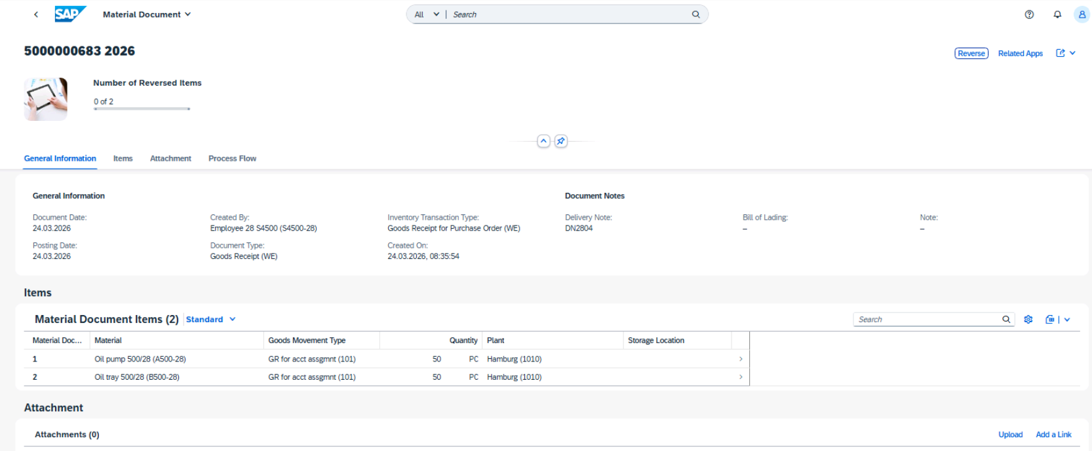

 |  |  |  | Material and accounting documents displayed; accounting entries verified and match expected postings
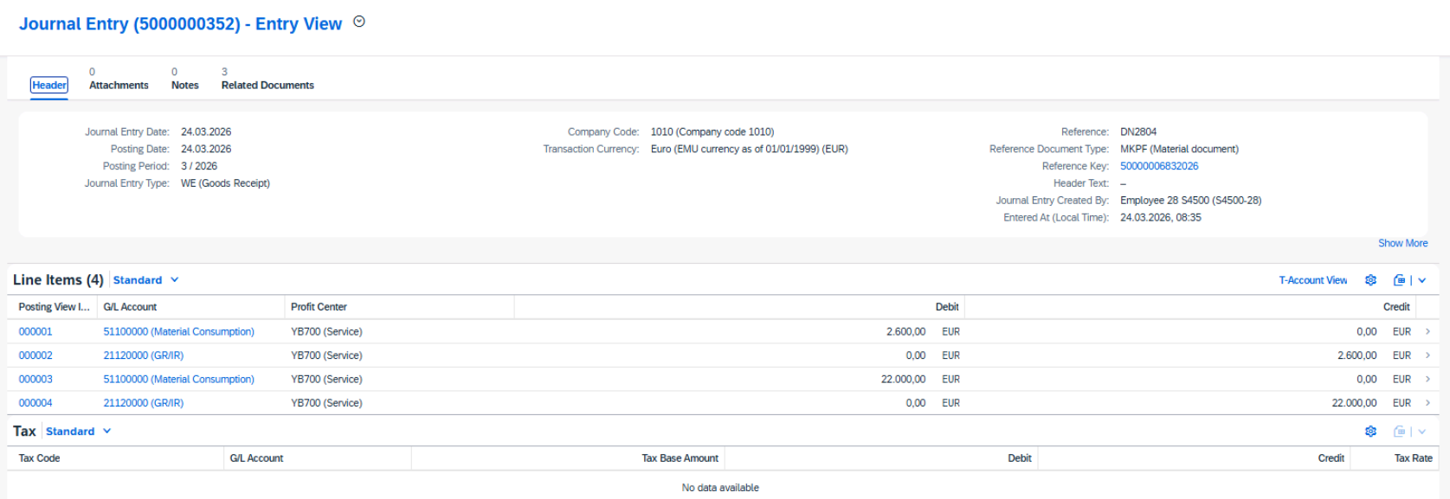

6. The supplier included the invoice with the goods delivery. Post the invoice for company
code 1010. Refer to the following invoice, IV##04, for the exact data.

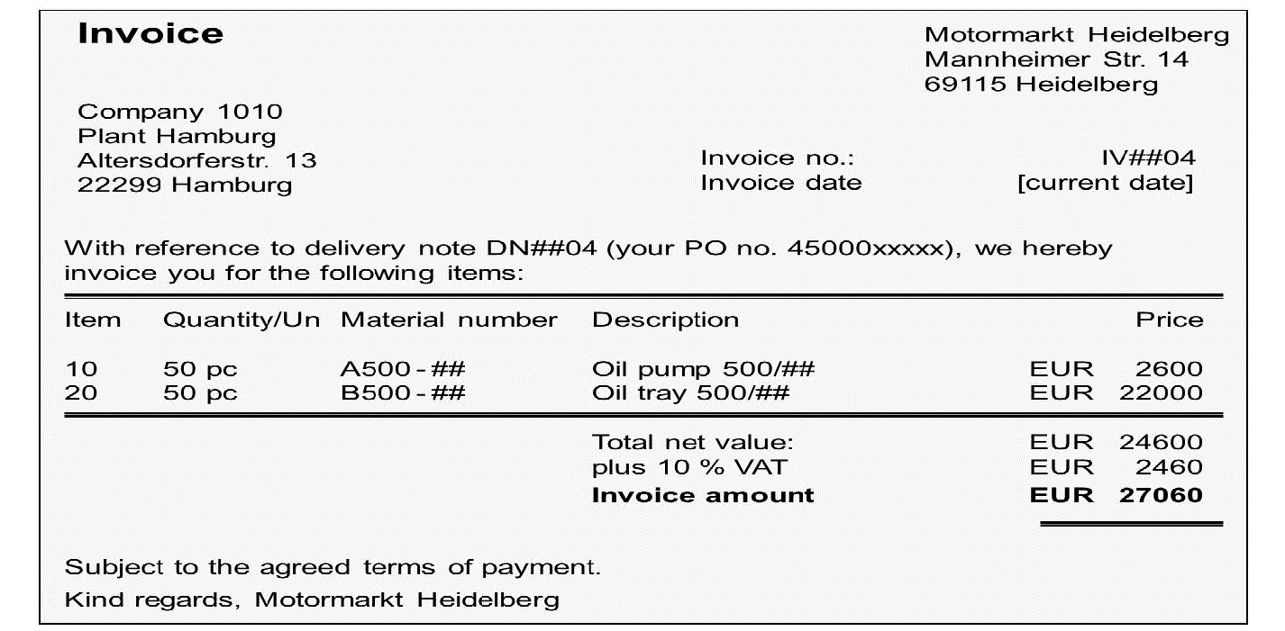

 |  |  |  | Supplier invoice 5105600420 created


Simulate posting the invoice and check the postings fit with the following table :
 | G/L Account | Debit | Credit
 | 21100000 (Motormarkt Heidelberg) |  | EUR 27060
 | 21120000 (GR/IR) | EUR 2600
 | 21120000 (GR/IR) | EUR 22000
 | 12600000 (Input Tax (VST)) | EUR 2460
After simulation, post the invoice and write down the number of the invoice document.

15
Always replace the characters ## with the number we assigned you.
Test Script |  |  |  | Test Execution
 |  |  |  | Tester Name | Freddy Reulier
Business Example |  |  |  | Tester Date | 2026-03-24
Supplier T-S50A## delivers the IT hardware. The delivery contains the invoice in addition to
the delivery note. Enter the goods receipt and the invoice for the purchase order and check
the correct update in accounting. |  |  |  | Material document 5000000684 posted for non-valuated GR for PO 4500000493

Test User
 | User Name / ID | Password
 | S4500-## | Welcome1

Procedure

1. Supplier T-S50A## delivers two hardware products.
Enter the goods receipt for the purchase order with the materials wireless mice (TITH100##)
and the external hard disk. Post the goods receipt using the following
information from delivery note DN##05:
 | Field | Value
 | Delivery Note | DN##05
 | Purchase Order | <your PO numbers from the test case>
 | Document date | <today>

 | Material / Quantity | T-ITH100## / 10 PC
 | Material / Quantity | External Hard Disk / 1 PC
 | a) Start the Post Goods Receipt for Purchasing Document app.
 | b) Enter the number of your second PO from the test case before last.
 | For material T-ITH100##, no item is selected because the GR expected indicator is not
 | selected in the PO item. It is not possible to post a GR for this PO item. For the external
 | hard disk, the item is suggested because the GR expected indicator in the PO item is
 | selected. You can select this PO item and post a GR.
 | c) Enter DN##05 as the delivery note and choose Post.
 | d) In the dialog box with the Success message, choose the material document number.
 | The fact sheet for the material document opens. In the Process Flow, you can see that
 | no accounting document was created. This is because the Non-Valuated GR indicator
 | was selected in the PO item for the external hard disk.

2. The supplier sends you the invoice for delivery DN##05. Post the invoice for company
code 1010. Refer to the following invoice, IV##05, for the exact data.
Be aware that you cannot select all items with reference to the delivery note. Instead, use
the PO as reference.


 |  |  |  | Invoice simulation results for IV2805; postings verified and match expected values


Simulate posting the invoice and check the postings fit with the following table
 | G/L Account | Debit | Credit
 | 21100000 (Motormarkt Heidelberg) |  | EUR 337.30
 | 51100000 (Material Consumption) | EUR 230.00
 | 51100000 (Material Consumption) | EUR 77.00
 | 12600000 (Input Tax (VST)) | EUR 30.70


After simulation, post the invoice and write down the number of the invoice document |  |  |  | Supplier invoice 5105600421 created
 | a) Start the Create Supplier Invoice app.
 | b) Enter the following data from the invoice:
 | Field name | Value
 | Company Code | 1010
 | Gross Invoice Amount | 337.70
 | Invoice Date | <today's date>
 | Reference | IV##05

 | c)Under Purchase Order References, choose Purchase Order/Scheduling Agreement as the reference document category. Enter the number of your second purchase order and press Enter.

 | d) Compare the proposed data with the supplier’s invoice and, if necessary, change the proposed data so that it fits with the supplier’s invoice. Make sure that the tax code for both items is 1I.

 | e) Choose Simulate.

 | f) Choose Post and write down the invoice number.

16
Always replace the characters ## with the number we assigned you.
Test Script |  |  | Test Execution
 |  |  | Tester Name | Freddy Reulier
Business Example |  |  | Tester Date | 2026-03-24
As an employee, you can order the materials you need via a self-service function. The
purchasing department provides a special catalog with all materials that you can request
yourself.
 |  |  | Default settings updated; cost center 10101201 maintained for purchase requisitions

Test User
 | User Name / ID | Password
 | S4500-## | Welcome1

Procedure
1. Before you request material with the employee self-service app Create Purchase
Requisition, change the default settings for your user. Change the default value for the
cost center to 10101201.
To do so, start the Create Purchase Requisition app, open the Me area, and choose Default
Settings for User.
After changing the default settings, stay in the Create Purchase Requisition app.
 | a) Start the Create Purchase Requisition app (tile group Employee Self Services).
 | b) To open the Me area, click on Default Settings for User on the top right of the screen.
 | c) Enter 10101201 in the field Cost Center.
 | d) Choose Save.

2. You need a new notebook and some accessories. You can find the materials in the catalog
that is assigned to your user. Request the following materials:

 | Material | Required Quantity
 | Notebook T520 | 1 PC
 | Privacy filter for notebook T520 | 1 PC
 | Keyboard MS natural Ergon | 1 PC

 | Caution: If no Lean Catalog icon is shown after changing your default values, refresh the browser window (F5) or restart the Create Purchase Requisition app.


Check, for all items, that supplier IT-Service Hamburg (T-S52IT) is assigned. Then transfer the items to SAP S/4 HANA
Change the name of the cart to Notebook EMPLOYEE ## and order the materials. |  |  | Purchase requisition 1001374 created
After this, remain in the Create Purchase Requisition app.

 | a) If necessary, press F5 to refresh the browser window.
 | b) Choose IT_Catalog to start the Employee Catalog.
 | c) Enter T520 in the Search field on top of the catalog screen, and press Enter to execute
 | the search.
 | d) In the search results, select Notebook T520 and Privacy filter. Then choose the Add
 | (Add to Shopping Cart) button at the top of the list.
 | e) To find the ergonomic keyboard, navigate in the hierarchy on the left side of the
 | screen. Choose Mobile, Hard and Software → IT Accessories → Keyboards, Mouse
 | etc. and add the Keyboard MS natural Ergon. to your shopping cart.
 | f) To check your shopping cart, choose Display at the top right of the screen. The
 | supplier IT-Service Hamburg (T-S52IT) should be the supplier for all materials.
 | g) To transfer the shopping cart items to SAP S/4HANA, choose Order at the top right of
 | the screen.
 | h) In SAP S/4HANA, choose the button at the top right of the screen and then
 | choose View Cart.
 | i) Choose the line for material T520 to open the item details. Here you find most of the
 | requested information. To find the cost center, scroll down to the Account Assignment
 | and choose . The requested values for the item are:

 | Field Name | Value Proposed by System
 | Purchasing Group | Z##
 | Purchasing Organization | 101C
 | Plant | 1010
 | Account Assignment Category | K (Cost Center)
 | Cost Center | 10101201

 | j) Choose (Back).
 | k) Enter Notebook Employee ## as the purchase requisition name and choose Order
 | twice.
 | A purchase requisition is created.
 |  |  | Purchase requisition 1001373 created
3. You also need some new coffee cups for your department. Request two sets of white

mugs, which you can find in the merchandise articles. Before you transfer the shopping
cart from the catalog to SAP S/4HANA, display the item details.
Check how many sets of the mugs are available in stock.
After this, order the material. Name this request Mugs EMPLOYEE ##.
 | a) Click on IT_Catalog to start the Employee Catalog.
 | b) To find the white mug, enter Mug in the Search field and press Enter to execute the
 | search.
 | c) Select SAP Mug, white, 6 PCs, change the quantity to 2, and add the item to your
 | shopping cart.
 | d) To check your shopping cart, choose Display at the top right of the screen. Choose the
 | short description to open the item details. If you scroll down, you can see how many
 | pieces of the material are available in stock.
 | e) To transfer the shopping cart items to SAP S/4HANA, choose Order.
 | f) In SAP S/4HANA, choose shopping cart icon and then choose View Cart.
 | g) Enter Mugs Employee ## as the Purchase Requisition Name and choose Order twice.
 | A purchase requisition is created.

17

Always replace the characters ## with the number we assigned you.
Test Script |  |  | Test Execution
 |  |  | Tester Name | Freddy Reulier
Business Example |  |  | Tester Date | 2026-03-24
The purchase requisition from the employee needs to be converted into a purchase order.


 |  |  | Purchase order 4500000498 created
Test User
 | User Name / ID | Password
 | S4500-## | Welcome1

Procedure
1. Search for all purchase requisition items with purchasing group Z## and processing
status Not edited. Convert the three items with the assigned supplier T-S52IT to a
purchase order.
 | a) Start the Manage Purchase Requisitions app. | Erreur -> il faut aller dans process purchase requisition app
 | b) In the filter bar, enter Z## as the purchasing group and Not edited as the processing
 | status. Then choose Go.
 | c) Select the three items with the assigned supplier T-S52IT and choose Create Purchase
 | Order.
 | d) Confirm all messages with Close, and on the next screen choose Save.
 | A purchase order is created.

2. As the employee, check the status of your Notebook request again. Use the employee selfservice
app My Purchase Requisitions. Check that the purchase order is shown as follow-on document.
 | a) Start the My Purchase Requisitions app from the SAP Fiori launchpad.
 | b) For the Notebook EMPLOYEE ## purchase requisition, choose the 3 Item text. In the
 | dialog box, choose a single material to review the status of the item. Now, for all items,
 | the purchase order is shown as follow-on document.

 |  |  | Purchase requisition status checked; purchase order correctly displayed as follow-on document for all items

18

Always replace the characters ## with the number we assigned you.
Test Script |  |  | Test Execution
 |  |  | Tester Name | Freddy Reulier
Business Example |  |  | Tester Date | 2026-03-24
As employee, you receive the requested notebook and keyboard. Post the goods receipt and
check the status of your requisition.

Test User |  |  | Goods receipt confirmed; material document 5000000687 created and correctly shown as follow-on document
 | User Name / ID | Password
 | S4500-## | Welcome1

Procedure
1. Confirm receipt of the notebook and keyboard. The privacy filter is not yet delivered. The
delivery note has number DN-EM##.
 | a) Start the Confirm Receipt of Goods – New app. The requisition with name Notebook
 | Employee ## should automatically be shown in the list.
 | b) Click on the purchase order number, to open the details of your requisition.
 | c) Choose Edit.
 | d) Enter DN-EM## as delivery note, select the items for the notebook and the keyboard,
 | and choose Confirm.


2. Review the status of your notebook purchase requisitions. Display the status details for
the notebook item. |  |  | Purchase requisition status reviewed; purchase order and goods receipt correctly displayed as follow-on documents
 | a) Start the My Purchase Requisitions app from the SAP Fiori launchpad.
 | b) In the Number of Items column, choose the 3 Items text. In the dialog box, choose one
 | of the delivered materials to review the status.
 | You can see that a purchase order and a goods receipt were created as follow-on
 | documents.



 |  |  | Privacy filter not yet delivered; no goods receipt material document created

19
Always replace the characters ## with the number we assigned you.
Test Script |  |  |  |  | Test Execution
 |  |  |  |  | Tester Name | Freddy Reulier
Business Example |  |  |  |  | Tester Date | 2026-03-24
 | You plan to optimize your procurement process in purchasing organization 101C. For better
 | purchasing conditions, you want to enter into more contracts with your suppliers. In addition,
 | you want to automate the source determination for purchase requisition items. |  |  |  | Contract 4600000029 created

Test User
 | User Name / ID | Password
 | S4500-## | Welcome1

Procedure
1. Your purchasing department has entered into a quantity contract with the supplier EFTParts
## GmbH (T-S52A##) for several materials. Create the contract for purchasing
organization 101C and purchasing group Z##. The validity period of the contract starts on
the first day of the previous month and ends two months from today. The contract is valid
for all plants that are assigned to purchasing organization 101C.
For all materials that you purchase via the contract, you get a 5% discount on gross.
For the item details, use the information in the following table:
 | Item | Material | Target Quantity | Net Price
 | 10 | A500-## (Oil pump 500/##) | 10000 PC | EUR 50
 | 20 | C500-## (Wheel bearing 500/##) | 40000 PC | EUR 48
 | 30 | D500-## (Suspension 500/##) | 40000 PC | EUR 66

 | a) Log on to the T41 system, client 400.
 | b) Choose Logistics → Materials Management → Purchasing → Outline Agreement →
 | Contract → Create (ME31K).
 | c) Enter the following data on the Initial screen.
 | Field | Value
 | Vendor | T-S52A##
 | Agreement type | MK (Quantity Contract)
 | Purchasing organization | 101C
 | Purchasing group | Z##
 | Plant | -------

 | d) After entering this data, choose (Enter).
 | e) Enter the following data in the Header data screen:
 | Field name | Value
 | Validity start date | <First of last month>
 | Validity end date | <today + 2 month>

 | f) After entering this data, choose (Enter) to go to the item overview. Acknowledge
 | the messages regarding the validity start date by choosing Enter.
 | g) In the item overview, enter the data for the three items provided in the table above.
 | Acknowledge the messages regarding the account assignment by choosing Enter.
 | h) To enter the discount on gross, choose Header → Conditions and enter 5% for
 | condition type RA01.
 | i) Choose (Save) and make a note of the contract number.

20
Always replace the characters ## with the number we assigned you.
Test Script |  |  | Test Execution
 |  |  | Tester Name | Freddy Reulier
Business Example |  |  | Tester Date | 2026-03-24
 | After you have entered into a quantity contract with supplier T-S52A##, you want to ensure
 | that the contract items are automatically determined as the source of supply for the
 | materials.
 | To do this, you create source list records for the relevant materials.
Test User |  |  | Source list maintained for material A500-28, records generated and contract set as fixed source with MRP relevance

 | User Name / ID | Password
 | S4500-## | Welcome1

Procedure
1. Maintain the source list for material A500-## (Oil pump 500/##) and plant 1010. In the
source list, use the Generate Records function. As default value for the validity period of
the records to be generated, enter the first day of the previous month to the end of next
year.
The contract item is to be the fixed source of supply for purchasing organization 101C. The
contract should also be taken into account by materials planning. Set the necessary
indicators for this.
 | a) Choose Logistics → Materials Management → Purchasing → Master Data → Source
 | List → Maintain (ME01).
 | b) Enter the following data:
 | Field | Value
 | Material | A500-##
 | Plant | 1010 | Source list records generated for materials C500-28 and D500-28; contract set as fixed source of supply

 | c) After entering this data, choose (Enter).
 | d) To maintain the source list entries, choose Edit → Generate Records.
 | e) In the dialog box, change the Valid from and Valid to dates as described above. Choose
 | (Continue).
 | The system automatically generates two source list records: one for supplier TS52A##
 | with the contract item and one for supplier T-S50A## because of an info
 | record.
 | f) Select the Fixed and MRP 1 (Record relevant to MRP) indicators for the contract item.
 | g) Choose (Save).

2. For materials C500-## and D500-##, you also need source list records with the contract
items. Use the follow-on function for mass generation of source list records. The contract
items are to be the fixed source of supply. Don’t change the proposed validity period.
Execute the program with the following data:
 | Field | Value
 | Material | C500-## and D500-##
 | Generate: Outline Agreements Only | X
 | Existing Records: Become Invalid | X
 | Test Run | (no)

Caution:Do not select the range from C500-## to D500-##. Select only the single values.

 | a) Choose Logistics → Materials Management → Purchasing → Master Data → Source
 | List → Follow-On Functions → Generate (ME05).
 | b) Enter C500-## as the material and choose (Multiple Selection). In the dialog box,
 | on the Select Single Values tab, enter D500-##. Choose (Copy).
 | Caution:Do not select the range from C500-## to D500-##.
 | c) Enter all other data as provided.
 | d) Choose (Execute).
 | e) In the selection result, choose to select all items and choose Fix.
 | f) Select all items again and save the changes.
 | The source list records are generated.

21

Always replace the characters ## with the number we assigned you.
Test Script |  |  |  |  | Test Execution
 |  |  |  |  | Tester Name | Freddy Reulier
Business Example |  |  |  |  | Tester Date | 2026-03-24
 | Create new purchase requisitions with the advanced transaction. To expedite conversion of
 | requisitions into purchase orders, let sources of supply automatically assign to the requisition |  |  |  | Personal default values maintained for purchase requisition

 | items if possible.

Test User
 | User Name / ID | Password
 | S4500-## | Welcome1

Procedure

1. Enter your personal default values before you create a purchase requisition. This data is
then proposed for each item. Define the following values:
 | Field | Value
 | Purchasing group | Purch. Group Z##
 | Plant | 1010
 | Tracking number | GR##
 | Source Determination | X
 | Do not exit the transaction when this task is finished.

 | a) Choose Logistics → Materials Management → Purchasing → Purchase
 | Requisition → Create (ME51N).
 | b) Choose Personal Setting.
 | c) Choose the Default Values tab.
 | d) Choose More Fields ... to add the missing fields. In the Change Layout dialog box, select
 | Source Determination, Plant, and Purchasing Group from the Hidden fields list and
 | choose (Show selected fields). Choose Copy.
 | e) Enter the default values as listed in the table. |  |  |  | Purchase requisition 10001376 created
 | f) Choose (Save) to save your personal default values. These default values are
 | used in the purchase requisition until you change them again
 | g) Do not exit the transaction when this task is finished.

2. Create a purchase requisition for stock material with the following items:
 | Item | Material | Quantity
 | 10 | B500-## (Oil tray 500/##) | 20 PC
 | 20 | C500-## (Wheel bearing 500/##) | 100 PC
 | 30 | D500-## (Suspension 500/##) | 100 PC

Before you save the purchase requisition, control whether a source of supply is assigned
to each item according to the following table:
 | Item | Material | Fixed Vendor | Type of Source of Supply


 | 10 | B500-## | T-S50A## | Info Record | Source of supply correctly assigned for all items (Info Record for B500-28, Contract items for C500-28 and D500-28)

 | 20 | C500-## | T-S52A## | Contract item
 | 30 | D500-## | T-S52A## | Contract item

 | a) Enter the item data in the item overview. If necessary, choose (Expand Items).
 | b) To confirm your entries, press Enter.
 | c) To open the item details, choose (Expand Item Details) and choose the Source of
 | Supply tab. To navigate between the items, choose (Next item). Note the data in
 | the table.
 | Item | Material | Fixed Vendor | Type of Source of Supply
 | 10 | B500-## | T-S50A## | Info Record
 | 20 | C500-## | T-S52A## | Contract item
 | 30 | D500-## | T-S52A## | Contract item

 | d) Save your document and note the purchase requisition number.
 | e) Do not exit the transaction when this task is finished.

3. Create a purchase requisition with multiple account assignment.
Create a purchase requisition for material A500-## (Oil pump 500/##) for plant 1010.
The 10 PCs of the material are required for two cost centers. Take the information of
account assignment from the following list. |  |  |  |  | Purchase requisition 10001377 with multiple account assignment created
 | Quantity | Cost Center | G/L Account

 | 4 PC | T-ENG## | 51700000
 | 6 PC | T-CCB## | 51100000
Before you save the purchase requisition, control whether a source of supply is assigned
to the item according to the following table:
 | Item | Material | Fixed Vendor | Type of Source of Supply
 | 10 | A500-## | T-S52A## | Contract item
Save the purchase requisition and note the document number.
 | a) Enter the data in the following table in the item overview.
 | Field name | Value
 | Account Assignment Category (A) | K (Cost Center)
 | Material | A500-##
 | Quantity | 10
 | b) To confirm your entries, press Enter.
 | c) In the Account Assignment tab, choose (Multiple Account Assignment). Enter the
 | data provided for account assignment and confirm your entries with (Enter).
 | d) Choose the Source of Supply tab. Check the data fits with the table.
 | Item | Material | Fixed Vendor | Type of Source of Supply
 | 10 | A500-## | T-S52A## | Contract item
 | e) Save the purchase requisition and note the number.

22

Always replace the characters ## with the number we assigned you.
Test Script |  |  | Test Execution
 |  |  | Tester Name | Freddy Reulier
Business Example |  |  | Tester Date | 2026-03-24
Order the requested 20 oil trays. The fixed vendor for this material is supplier Motormarkt
Heidelberg. Purchase requisition items with this supplier must be converted to a purchase
order manually. To convert the purchase requisition item, use transaction ME21N for purchase |  |  | Document overview configured with selection variant SV28 and layout L28
orders.

Test User
 | User Name / ID | Password
 | S4500-## | Welcome1

Procedure
1. Configure the document overview in the Create Purchase Order transaction (ME21N).
Select all assigned, open, and released purchase requisitions for the purchasing group
Z##. Save the selection as selection variant SV## with the description PurchRequ Group
##. Execute the selection variant.
Group your purchase requisitions according to fixed vendor, purchase requisition, and
purchase requisition item. As additional information, display the number and short text of
the material. Save these settings as the user-specific layout L## with the description
Layout Group ##.
 | a) Choose Logistics → Materials Management → Purchasing → Purchase Order →
 | Create → Vendor/Supplying Plant Known (ME21N).
 | b) If necessary choose (Close) to fade out the Help area, and choose Document
 | Overview On to open the document overview.
 | c) Choose (Selection Variant) and then Purchase Requisitions.
 | d) Set the Assigned, open, and released flag and enter purchasing group Z##. Delete all
 | other values from the selection. |  | Purchase requisitions successfully converted into one purchase order (PO 4500000499)
 | e) Choose (Save as Variant ...). Enter SV## as the variant name and the description

 | PurchRequ Group ##. Again choose (Save).
 | f) Choose (Execute) to execute the selection.
 | Your purchase requisitions for the purchasing group Z## are displayed in the
 | document overview.
 | g) Choose (Change breakdown). Select Fixed vendor (under Column Set) and
 | Purchase Requisition (under Sort Criteria) and choose (Add Sort Criterion).
 | Choose (Transfer).
 | h) Choose the small triangle on the button and choose Change layout…. Select
 | Material (under Column Set) and choose (Show Selected Fields). Repeat the
 | procedure for Short Text. Then choose (Transfer).
 | i) Choose the small triangle on the button and choose Save layout…. Enter L## as
 | the layout and the description Layout Group ##. Select the User-specific indicator
 | and choose Save.

2. Convert all purchase requisitions with fixed vendor T-S50A## to one purchase order.
Save your purchase order and note the document number.
Do not close the transaction ME21N after creating the purchase order.
 | a) Select the fixed vendor T-S50A## in the document overview and choose (Adopt).
 | b) Save and make a note of the PO number.

3. Display the converted purchase requisition item. Check that the processing status of the item is PO created.
 | a) If you have opened the document overview with your purchase requisitions, doubleclick
 | the purchase requisition number you converted to display this purchase
 | requisition.
 | b) Open the item detail data for the item with material B500–## (Oil tray 500/##).
 | c) Choose the Status tab page. The processing status of the item is PO created.

 |  |  | Purchase requisition 10001376 item B500-28 successfully processed, status ‘PO created’ confirmed with PO 4500000499”

23
Always replace the characters ## with the number we assigned you.
Test Script |  |  | Test Execution
 |  |  | Tester Name | Freddy Reulier
Business Example |  |  | Tester Date | 2026-03-24
All purchase requisitions for materials purchased from supplier T-S52A## (EFT-Parts ##)
should automatically converted to a purchase order. |  |  | Automatic PO indicator checked and confirmed as set for supplier T-S52A28 (Purchasing Org 101C)

Test User
 | User Name / ID | Password
 | S4500-## | Welcome1

Procedure
1. Check whether the Automatic PO indicator is set for supplier T-S52A## for purchasing
organization 101C. If not, change the business partner and set this indicator.
 | a) Choose Logistics → Materials Management → Purchasing → Master Data →
 | Vendor → Purchasing → Change (Current) (MK02).
 | b) Enter the data from the following table and choose Enter
 | Field | Value
 | Vendor | T-S52A##
 | Purchasing Organization | 101C
 | Purchasing data | X
 | c) Confirm the information message with (Continue).
 | d) Check the entry in the Change in BP role field. The value Supplier (maintained)
 | should be suggested.
 | If not, change the entry to Supplier (maintained).
 | e) If necessary, choose the Purchasing button in the application toolbar to display the
 | purchasing data.
 | f) You can find the Automatic PO indicator on the Purchasing Data tab page. |  | Automatic PO indicator checked and confirmed as set for materials : B500-28, A500-28, C500-28
 | The indicator is set for the business partner.



2. Check whether the Automatic PO indicator is set for materials A500-##, C500-##, and
D500-##. If not, change the materials and set this indicator.
 | a) Choose Logistics → Materials Management → Material Master → Material →
 | Change → Immediately (MM02).
 | b) Enter material A500-## (or C500-## or D500-##) and press Enter.
 | c) Select the Purchasing view and press Enter.
 | d) Enter 1010 as the plant and press Enter again.
 | e) Control the Automatic PO indicator.
 | f) Repeat the steps for the other materials.
 | The indicator is set for all materials.

3. Convert all purchase requisition items with fixed vendor T-S52A## automatically to a
purchase order. Select the purchase requisitions for purchasing group Z## that have
been assigned to vendor T-S52A##. A new purchase order should be created per
purchasing group. You require a detailed protocol with all messages.
 | a) Choose Logistics → Materials Management → Purchasing → Purchase Requisition |  | PO 4500000500 automatically created, all purchase requisitions successfully converted
 | → Follow-On Functions → Create Purchase Order → Automatically via Purchase
 | Requisitions (ME59N).
 | b) Enter the following data in the selection screen:
 | Field name | Value
 | Purchasing Group | Z##
 | Fixed Vendor | T-S52A##
 | New Purchase Order – Per Purchasing Group | Selected
 | Detailed Log | 2
 | c) Choose (Execute) to start the program.
 | d) After the function is completed, the following messages appear:
 | Purchase order successfully created, Requisition successfully
 | converted.
 | e) Note the PO number.

24
Always replace the characters ## with the number we assigned you.
Test Script |  |  | Test Execution
 |  |  | Tester Name | Freddy Reulier
Business Example |  |  | Tester Date | 2026-03-24
Suppliers T-S50A## and T-S52A## deliver the ordered materials. Post the goods receipts for
the purchase orders.
 |  |  | Default values in MIGO successfully maintained: plant 1010, storage location 0001, and ‘Propose OK Function in Future’ indicator set
Test User
 | User Name / ID | Password
 | S4500-## | Welcome1

Procedure
1. Enter some default values for transaction MIGO before you enter a goods receipt for a
purchase order.
Enter 0001 for the storage location and 1010 for the plant. Select the indicator so that the
OK function is proposed in future.
Do not exit transaction MIGO when this task is finished.
 | a) Choose Logistics → Materials Management → Inventory Management → Goods
 | Movement → GR for Purchase Order (MIGO_GR). |  | Goods receipt successfully posted for PO 4500000500, material document 5000000693 created
 | b) Choose Settings → Default Values.
 | c) In the Change Default Values dialog box, enter the following data:

 | Field | Value
 | Storage location | 0001
 | Plant | 1010
 | Propose the OK Function in Future | X

 | d) Choose Adopt and confirm the tip by choosing (Continue).
 | e) Do not exit transaction MIGO when this task is finished.


2. The ordered materials from supplier T-S52A## (EFT-Parts ## GmbH) are delivered for |  |  | Stock levels successfully verified for material B500-28 (10 unrestricted, 0 quality, 20 on-order
plant 1010 in good condition.
Post the goods receipt to unrestricted-use stock at storage location 0001 in plant 1010.
For each item, the whole purchase quantity is delivered. The delivery note has number
DN##06.
 | a) Choose transaction Goods Receipt and reference document Purchase Order. Enter
 | 101 as the default value for the movement type.
 | b) Choose (Find Purch. Order). Enter the following selection values:
 | Field | Value
 | Vendor | T-S52A##
 | Plant (not Supplying Plant!) | 1010
 | c) Choose Find. A separate screen area with the search result appears.
 | d) Select all items of your purchase order and choose (Adopt).Then close the search
 | result with (Close Search Result).
 | e) In the header data on the General tab page, enter DN##06 as the delivery note.
 | f) Ensure that the OK checkbox is selected for all items.
 | g) Check that for the stock material items the storage location is Material (0001).
 | h) Choose Post and make a note of the material document number. |  | Goods receipt posted for material B500-28 into quality inspection stock (storage location 0001). Material document 5000000694 created
 | i) Do not exit transaction MIGO when this task is finished.

3. Before you post the next goods receipt, analyze the stock overview for material B500-##
(Oil tray 500/##) in plant 1010. check that the stocks level fits with the following table:
 | Stock type | Quantity on plant level
 | Unrestricted use | 10 PC
 | Quality inspection | 0 PC
 | On-Order Stock | 20 PC
 | a) Choose Logistics → Materials Management → Inventory Management → |  | Stock levels successfully verified for material B500-28 (10 unrestricted, 20 quality, 0 on-order)

 | Environment → Stock → Stock Overview (MMBE).
 | b) Enter the following data:
 | Field name | Value
 | Material | B500-##
 | Plant | 1010
 | c) Choose (Execute).
 | d) Note the unrestricted-use stock, the quality inspection stock, and the on-order stock in
 | the table. The values should fit the following:
 | Stock type | Quantity on plant level
 | Unrestricted use | 10 PC
 | Quality inspection | 0 PC
 | On-Order Stock | 20 PC

4. The delivery of material B500-## (Oil tray 500/##) from supplier T-S50A##
(Motormarkt Heidelberg) has entered plant 1010. Enter the goods receipt with reference
to the purchase order. Post the whole quantity in the quality inspection stock in
storage location 0001. The delivery note has number DN##07.
 | a) Choose Logistics → Materials Management → Inventory Management → Goods
 | Movement → GR for Purchase Order (MIGO_GR).
 | b) Choose Goods Receipt as the transaction and Purchase Order as the reference.
 | c) Enter your purchase order number.
 | d) In the header data, choose the General tab page and enter DN##07 as delivery note .
 | e) In the item choose Quality Inspection as Stock Type.
 | f) Choose Post and make a note of the material document number.

5. Analyze the stock overview for material B500-## in plant 1010 after the goods receipt.
Stock level should fit the following:
 | Stock type | Quantity on plant level
 | Unrestricted use | 10 PC
 | Quality inspection | 20 PC
 | On-Order Stock | 0 PC

 | a) Choose Logistics → Materials Management → Inventory Management →
 | Environment → Stock → Stock Overview (MMBE).
 | b) Enter the following data:
 | Field name | Value
 | Material | B500-##
 | Plant | 1010
 | c) Choose (Execute).
 | d) Note the unrestricted-use stock, the quality inspection stock, and the on-order stock in
 | the table. The values should fit the following:
 | Stock type | Quantity on plant level
 | Unrestricted use | 10 PC
 | Quality inspection | 20 PC
 | On-Order Stock | 0 PC

25
Always replace the characters ## with the number we assigned you.
Test Script |  |  | Test Execution
 |  |  | Tester Name | Freddy Reulier
Business Example |  |  | Tester Date | 2026-03-25
Supplier T-S52A## (EFT-Parts ## GmbH) invoices you for his delivery. Enter the invoice
using transaction MIRO for Logistics Invoice Verification. |  |  | Invoice 5105600428 successfully created ( PO 4500000500)

Test User
 | User Name / ID | Password
 | S4500-## | Welcome1


Procedure
1. Enter the invoice for company code 1010. Take the necessary data from the supplier’s
invoice, IV##06. Compare the invoice price and invoice quantity with the data proposed
by the system.



Simulate posting the invoice. Then post the invoice.

 | a) Choose Logistics → Materials Management → Logistics Invoice Verification →
 | Document Entry → Enter Invoice (MIRO).
 | b) Enter 1010 as the company code and choose (Continue).
 | c) Enter the following data on the Basic Data tab:
 | Field | Value
 | Invoice date | <Today’s date>
 | Reference | IV##06
 | Amount | 12,435.50
 | Tax amount | 1,130.50
 | Tax code | 1I (input tax (10%))
 | d) On the PO Reference tab, choose Delivery Note as the reference document category |  | Purchase order history successfully checked. GR (material document 5000000693) and invoice (5105600428) are correctly linked to PO 4500000500.
 | and enter number DN##06 as Delivery Note.

 | e) Choose (Enter) so that the system proposes the data from the purchase order. The
 | default data agrees with that of the vendor invoice. The balance is zero.
 | f) To simulate your postings, choose Simulate.
 | g) Choose Post and note the number of the invoice document.

2. Display the invoice document and go from there to the purchase order history. Check that PO history shows the goods receipt and invoice correctly
 | a) You can display the invoice document directly from the Enter Invoice (MIRO)
 | transaction by choosing Invoice Document → Display.
 | However, you can also choose (Other invoice document). In the Choose Invoice
 | Document dialog box, the system proposes the last invoice you posted. Choose
 | (Continue) to display the invoice.
 | (After you have exited the transaction MIRO, choose Logistics → Materials
 | Management → Logistics Invoice Verification → Further Processing → Display
 | Invoice Document (MIR4)).
 | b) To display the PO history, choose Show PO Structure.
 | Alternately, double-click the PO number in the item overview. Then choose the
 | Purchase Order History tab in the detail data of one purchase order item.
 | The PO history shows the goods receipt and invoice correctly.

26
Always replace the characters ## with the number we assigned you.
Test Script |  |  | Test Execution
 |  |  | Tester Name | Freddy Reulier
Business Example |  |  | Tester Date | 2026-03-25
One of your materials is to be planned automatically in MRP in future. You must therefore add
the necessary data to the existing master record, that is, you must create the views for MRP.


Test User |  |  | Material E500-28 displayed. MRP views are not created, and automatic PO indicator is not set for plant 1010.
 | User Name / ID | Password
 | S4500-## | Welcome1

Procedure
The purchased material Fire Extinguisher ## for Forklift is used in your production in plant
1010. In future, the requirements for this material are to be determined using automatic
material requirements planning. Before you create the data required for MRP for this
material, display the material master record and determine some data.

1. Display the Fire Extinguisher ## f for forklift material. To determine the material number,
use the search function . Make note of the material number. Has the MRP data for this
material already been created by the user department?
Do not close the app after you have answered the question.

 | Note:Make sure you enter the text correctly. You can also just enter a part of the text and then enter an asterisk (*) as a placeholder.

 | a) Start the Display Material app (tile group Material Master).
 | b) Choose next to the material number field.
 | c) Enter the material description and choose Find.
 | d) Select your material E500-## and choose (Copy)
 | e) Choose Select View(s). This takes you to the corresponding dialog box.
 | f) The MRP view has not yet been created by the user departments for this material.
 | Do not leave the Select View(s) dialog box.

2. Display the purchasing data for plant 1010 and determine whether the indicator for
automatic purchase order generation is set.
 | a) In the Select View(s) dialog box, select Purchasing and choose Org.Levels.
 | b) Enter 1010 as plant and choose (Continue (Enter)).
 | c) On this screen, make note that the indicator for automatic purchase order generation
 | is not set yet. |  | MRP data created for material E500-28 (MRP type, reorder point , fixed lot size , planned delivery time )


3. Now create the MRP data for the material E500-## for plant 1010. You have decided that
the material is to be planned in your company using the manual reorder point procedure
and that a fixed lot size is to be procured in each case. Enter the following data in MRP
views 1 and 2:
 | Field Name MRP 1 | Value
 | MRP Type | VB
 | Reorder Point | 100 (PC)
 | MRP Controller | 0##
 | Lot Sizing Procedure | FX
 | Fixed Lot Size | 300 (PC)

 | Field Name MRP 2 | Value
 | Planned Deliv. Time | 7 days
 | GR processing time (should be already maintained) | 1 day


 | a) Start the Create Material app.
 | b) Enter material number E500-## and choose Continue. If necessary, confirm the
 | message that the material type and industry sector will be copied from the material
 | master record with Continue.
 | c) Select the MRP 1 and MRP 2 views and choose (Continue).
 | d) Enter 1010 as the plant and choose (Continue).
 | e) Enter the provided data for MRP 1.
 | f) Choose the MRP 2 tab page and enter the provided data for MRP 2.
 | g) Choose Save.

27
Always replace the characters ## with the number we assigned you.
Test Script |  |  | Test Execution
 |  |  | Tester Name | Freddy Reulier
Business Example |  |  | Tester Date | 2026-03-25
MRP determines the requirements for your material and, if possible, also assigns a source of
supply.
 |  |  | Automatic sourcing indicator successfully set in purchasing info record for material E500-28 and supplier T-S50C28


Test User
 | User Name / ID | Password
 | S4500-## | Welcome1

Procedure
1. In the purchasing info record for your material E500-## and supplier T-S50C##, select
the Automatic Sourcing indicator.
 | a) Open the Manage Purchasing Info Records app.
 | b) If necessary choose (Expand Header) and enter E500-## as the material and T-S50C##
 | as the supplier.
 | c) Choose Go.
 | d) Select the info record line and choose to the right of the line to see the details.
 | e) Choose Edit.
 | f) In the Delivery and Quantity section, select the Automatic Sourcing indicator.
 | g) Choose Save.

2. Display the stock/requirement list and check the availability of your material. Choose the
Check Material Coverage app and make the following entries:
 | Field | Value
 | Material | E500-##
 | Plant | 1010
 | Shortage Definition | MRP Standard
 | a) Open the Check Material Coverage app (MRP tile group) and make the entries listed
 | above.
 | b) Choose OK.
 | The Stock/Requirements List tab should be selected and you can check that your
 | material has an available quantity of 10 that is below the reorder point of 100 |  | MRP shows available stock of 20 PC instead of 10 PC due to a test issue (duplicate goods receipt posted during test 9 phase, not system-related).
 | maintained in the previous test case. Do not leave the Stock/Requirements List screen. |  | After MRP run, a purchase requisition of 300 PC was automatically created (fixed lot size), as the available stock (20 PC) is below the reorder point (100 PC).

3. Run MRP for your material and check the result: a purchase requisition with a source of
supply assigned must be created. Display the details of the purchase requisition and check
the following information:
Requested quantity : 300 PC
Vendor : T-S50C##

 | a) In the Stock/Requirements List of your material, choose the Start MRP Run button in
 | the lower right corner.
 | The system issues the message MRP run in progress. Wait until the MRP run is
 | finished.
 | b) After the MRP run is completed for your material, verify, in the Stock/Requirements
 | List, that a new purchase requisition has been created. The quantity should be 300
 | c) Choose the Open... button in the lower right corner. Choose Stock/Requirements List. |  | MRP run executed successfully for material E500-28. A purchase requisition of 300 PC was automatically created with source of supply assigned to vendor T-S50C28

 | d) Choose the (Elements Details) at the left of the line corresponding to your new
 | purchase requisition. The vendor should be T-50C##
 | e) Choose (Continue)

28
Always replace the characters ## with the number we assigned you.

Test Script |  |  | Test Execution
 |  |  | Tester Name | Freddy Reulier
Business Example |  |  | Tester Date | 2026-03-25
MRP determines the requirements for your material and, if possible, also assigns a source of
supply.

Test User
 | User Name / ID | Password | Automatic PO and evaluated receipt settlement indicators successfully maintained for supplier T-S50C28 (purchasing organization 101C)
 | S4500-## | Welcome1


Procedure
1. Make sure that the indicators for automatic purchase order generation and evaluated
receipt settlement are set for supplier T-S50C## for purchasing organization 101C. If
necessary, set the indicators in the supplier master record.
 | a) Start the Maintain Business Partner app (tile group Supplier and BP).
 | b) Enter T-S50C## as the business partner and choose Start.
 | c) A line with the supplier number is displayed. Double-click the supplier number in this
 | row.
 | d) You are in the display mode of the Maintain Business Partner app. In the Display in BP
 | role field, choose . This opens a list with all defined roles for the business partner.
 | Choose Supplier.
 | e) Choose Purchasing (in the menu on top of the app).
 | f) Verify that the purchasing organization is 101C. You can find both indicators on the
 | Purchasing Data tab page, in the Additional Purchasing Data section. Only the
 | Automatic PO indicator is set.
 | g) Choose Switch between Display and Change (in the menu on top of the app).
 | h) On the Purchasing Data tab page, in the Additional Purchasing Data section, set the
 | Eval. Receipt Sett. indicator.
 | i) Choose Save.

2. Change material E500-## and set the Automatic PO indicator for plant 1010.
 | a) Start the Change Material app (tile group Material Master).
 | b) Enter your material E500-## and choose Continue.
 | c) In the dialog box Select View(s), select the Purchasing view.
 | d) Choose Org. Levels and enter 1010 as the plant.
 | e) In the General Data section, set the Autom. PO indicator.
 | f) Choose Save.

 |  |  | Automatic PO indicator also set for material E500-28 (plant 1010)



3. Convert your purchase requisition created by MRP automatically to a purchase order.
Select the purchase requisitions with purchasing organization 101C for your supplier TS50C##.
You require a detailed protocol with all messages.
 | a) Use the enterprise search in the upper right corner to locate the Automatic Creation of
 | Purchase Orders from Requisitions app.
 | b) Enter the following data in the selection screen:
 | Field name | Value
 | Purch. Organization | 101C
 | Fixed Vendor | T-S50C##
 | Detailed Log | 2
 | c) Choose Execute to start the program.
 | d) After the function is completed, the following messages appear:
 | Purchase order successfully created, Requisition successfully
 | converted.
 | e) Note the PO number.

 |  |  | Purchase order 4500000615 successfully created automatically from purchase requisition 10001413

29
Always replace the characters ## with the number we assigned you.
Test Script |  |  | Test Execution
 |  |  | Tester Name | Freddy Reulier
Business Example |  |  | Tester Date | 2026-03-25
In this test case, you enter the goods receipt for the purchase order that was created
automatically in the previous test case. Afterwards, you execute an Evaluated Receipt
Settlement.
 |  |  | GR-based invoice verification and evaluated receipt settlement indicators successfully verified for supplier T-S50C28 (purchasing organization 101C)




Procedure
1. Verify that the indicators for goods-receipt based invoice verification and automatic goods
receipt settlement are set for supplier T-S50C## for purchasing organization 101C.
 | a) Start the Maintain Business Partner app (tile group Supplier and BP).
 | b) Enter T-S50C## as the business partner and choose Start.
 | c) A line with the supplier number is displayed. Double-click the supplier number in this
 | row.
 | d) You are in the display mode of the Maintain Business Partner app. In the Display in BP
 | role field, choose . This opens a list with all defined roles for the business partner.
 | Choose Supplier.
 | e) Choose Purchasing (in the menu on top of the app).
 | f) Verify that the purchasing organization is 101C.
 | g) You find the indicator for goods-receipt based invoice verification (GR-Based Inv.
 | Verif.) on the Purchasing Data tab page, in the Control Data section.
 | h) You find the indicator for automatic goods receipt settlement (Eval. Receipt Sett.) on
 | the Purchasing Data tab page, in the Additional Purchasing Data section.

2. Verify that a tax code and the checkboxes for goods-receipt based invoice verification and
automatic goods receipt settlement are set in your purchase order created in the previous
test case.
Use the Manage Purchase Order app, and do not exit the app at the end of this task.
 | a) Start the Manage Purchase Order app (tile group Purchase Order Processing or tile
 | group Favorites).
 | b) Enter your purchase order number (or your supplier T-S50C##) and choose Go.
 | c) Select the purchase order line and choose to the right of the line to see the details.
 | d) Choose Items tab page and then choose to the right of the item line.
 | You find the requested information in the Process Control data and in the Tax data.
 | e) Choose (Back) twice and stay n the PO list.

3. Enter the goods receipt for your purchase order directly from the Post Goods Receipt for Purchasing document
app. Use the following information:
 | Purchase order | <PO number from previous test case, Create a Purchase Order Automatically>
 | Delivery note | DN##08
 | Document date | <Today's date>
 | Material | E500-##
 | Quantity | Adopt the quantity proposed by the system
 | Storage location | 1
 |  |  | Tax code and indicators for GR-based invoice verification and evaluated receipt settlement successfully verified in purchase order 4500000615
Post the goods receipt and write down the material document number.

 | a) In the purchase order list click on Standard PO (first row in the list) and choose Post
 | Goods Receipt for Purchasing Document.
 | b) Enter DN##08 as the delivery note and choose 0001 as the storage location.
 | c) Choose Post. You get a message that a material document was posted. Write down the
 | document number.

4. Settle the goods receipts entered yesterday and today for vendor T-S50C## in company
code 1010. A separate invoice should be created for each purchase order item. First make
sure in test mode that you have made the correct selection. Then carry out automatic
settlement and make a note of the document number. You can optionally open the invoice
and display the data. |  |  | Goods receipt posted successfully for purchase order 4500000615. Material document 5000000703 created for material E500-28
 | a) Start the Create Evaluated Receipt Settlement app (tile group Supplier Invoice

 | Processing).
 | b) Enter the following data on the initial screen:
 | Company Code | 1010
 | Goods Receipt Posting Date | From <Yesterday's date> to <Today's date>
 | Vendor | T-S50C##
 | Document Selection | 3 (Document Selection per Order Item)
 | Test Run | X
 | c) Choose Execute.
 | d) One item is selected for settlement. You can see from the overview (left-hand column)
 | that the item is postable.
 | e) Choose Cancel.
 | f) Cancel the selection for the Test Run checkbox and choose Execute to carry out the
 | settlement.
 | g) The selected item has now been settled. You can see the invoice document number in
 | the column Doc. No. The column FI Doc. shows the corresponding financial document.
 | h) To open the invoice, choose the number of the invoice in the column Doc. No.

 |  |  | Invoice document 5105600432 successfully created via evaluated receipt settlement for vendor T-S50C28

30

Always replace the characters ## with the number we assigned you.
Test Script |  |  |  | Test Execution
 |  |  |  | Tester Name | Freddy Reulier
 |  |  |  | Tester Date | 2026-03-25

Post some initial stock balances as Other Goods Receipts, and after this, control the postings
in Financial Accounting. |  |  |  | Price control settings for materials A510-28 and B510-10 in plant 1010 reviewed successfully .B510-28 price is 10 instead of expected 20.


Test User
 | User Name / ID | Password
 | S4510-## | Welcome1

Procedure
1. Review the settings for the price control for materials A510-## and B510-## for plant
1010. Use the SAP GUI transaction MM03 (or the Fiori app Display Material from tile group
Material Master).
You should see the following information from the material master records:
 | Material (A510 - ##) | Material (B510 - ##)
Price control | V | S
Price | 10 | 20

 | a) On the SAP Easy Access screen, choose Logistics → Materials Management → Material
 | Master → Material → Display → Display Current (transaction MM03).
 | b) Enter A510-##.
 | c) Choose Select View(s).
 | d) In the Select View(s) dialog box, choose Accounting 1.
 | e) Choose Org. Levels.
 | f) In the Organizational levels dialog box, enter 1010 in the Plant field and choose
 | Continue.
 | g) Record the values for material A510-##.
 | h) Choose (Other Material) to return to the initial screen and repeat solution steps b
 | through g with material number B510-##.
 | The following data displays in the material master records:
 |  | Material (A510 - ##) | Material (B510 - ##)
 | Price control | V | S
 | Price | 10 | 20

2. Post an initial entry of stock for 20 pieces each of A510-## and B510-## for plant 1010,
storage location 0001. Use the SAP GUI transaction MIGO (or the Fiori app Post Goods
Movement from tile group Warehouse Processing). Do not leave the transaction after
booking the goods receipt.
 | a) On the SAP Easy Access screen, choose Logistics → Materials
 | Management → Inventory Management → Goods Movement → Goods Movement
 | (MIGO).
 | b) Choose transaction Goods Receipt and, as the reference, choose Other.
 | c) As the movement type, enter 561.
 | d) Choose Enter to confirm your entries. Choose Enter again to confirm the Tip.
 | e) Enter the following data for item 1:
 | Tab Page | Field | Value
 | Material | Material | A510-##
 | Quantity | Qty in Unit of Entry | 20 PC
 | Where | Plant | 1010 | Material document 4900006915 created successfully from GR (movement 561) for materials A510-28 and B510-28, 20 PC each, posted to unrestricted stock (plant 1010, sloc 0001

 | Where | Storage Location | 0001

 | f) Choose (Next Item).
 | g) Enter the following data for item 2:
 | Tab Page | Field | Value
 | Material | Material | B510-##
 | Quantity | Qty in Unit of Entry | 20 PC
 | Where | Plant | 1010
 | Where | Storage Location | 0001

 | h) Choose the Post button.
 | i) Note the material document number in the status bar.

3. Display the accounting document for the initial entry of stock balances.
Note the amounts posted to the stock account in the following table:
 | a) Choose transaction Display and, as the reference, choose Material Document.
 | b) Choose (Execute).
 | c) In the document header, choose the Doc. info tab page.
 | d) Choose the FI Documents button.
 | e) In the List of Documents in Accounting dialog box, double-click the number of the
 | accounting document.
 | f) Note that the amount for both materials is EUR 200 each.

4. Post a second initial entry of stock for 10 pieces of A510-## for plant 1010, storage
location 0001 and stock type Blocked Stock. Use the SAP Fiori app Manage Stock.
 | a) Logon to the SAP Fiori launchpad with user S4510–##.
 | b) Start the app Manage Stock from tile group Warehouse Management.
 | c) Enter material A510–## and plant 1010. If necessary, confirm your entries with Enter.
 | d) In the stock overview click on the right side of blocked stock for storage location
 | 0001.
 | e) In the dialog screen Manage Stock, check that Stock Change is Inital Entry and
 | enter the Quantity 10.
 | f) Post the initial stock entry.

 |  |  |  | Accounting document 4900005862 displayed successfully; stock account posted with 200EUR for materials A510-28 and B510-28.


 |  |  |  | Material document 4900006916 created successfully from initial stock entry (blocked stock) for material A510-28, 10 PC, plant 1010, sloc 0001.

31

Always replace the characters ## with the number we assigned you.
Test Script |  |  | Test Execution
 |  |  | Tester Name | Freddy Reulier
 |  |  | Tester Date | 2026-03-25
Transfer the materials A510–## and B510–## from plant 1010 to plant 1030. Use a stock
transport order to do so.
Enter the goods issue and goods receipt for the stock transport order. Monitor the process for
the stock in transit and in the PO history and in FI. |  |  | Stock transport order 4500000511 created successfully with two items: A510-28 and B510-28, 10 PC each, from plant 1010 to plant 1030 (sloc 0001).

Test User
 | User Name / ID | Password
 | S4510-## | Welcome1

Procedure
1. Create a stock transport order with two items. Use the data from the following table: |  |  | Goods issue posted successfully for STO 4500000511 (movement 351); material document 4900006918 created and accounting document 49000005865 displayed.
Field | Value

Header Data
Document type | Stock transport order
Supplying plant | 1010 (Hamburg)
Purchasing organization | 101C
Purchasing group | Z##
Company code | 1010
Item 10
Material | A510-##
Quantity | 10 pc
Plant | 1030 (Frankfurt)
Storage Location | 0001 (Materiallager)
Item 20
Material | B510-##
Quantity | 10 pc
Plant | 1030 (Frankfurt)
Storage Location | 0001 (Materiallager)



 | a) In the Fiori Launchpad start the Create Purchase Order - Advanced app from tile group
 | Purchase Order Processing.
 | b) Choose the Stock Transp. Order (UB) document type.
 | c) Enter 1010 in the Supplying Plant field.
 | d) Enter the following header data on the Org. Data tab page.
 | Field | Value
 | Purch. Organization | 101C
 | Purch. Group | Z##
 | Company Code | 1010
 | e) Enter the following data in the item overview:
 | Field | Value
 | Row for Item 10
 | Material | A510-##
 | PO Quantity | 10
 | Plant | 1030
 | Stor. Location | 0001
 | Row for Item 20
 | Material | B510-##
 | PO Quantity | 10
 | Plant | 1030
 | Stor. Location | 0001
 | f) Save the stock transport order and note the PO number.

2. Enter the goods issue for your stock transport order. The materials are withdrawn from
storage location 0001 of plant 1010.
Display the material document and the accounting document directly after posting.
 | a) In the Fiori Launchpad start the Post Goods Movement app from tile group Warehouse
 | Processing.
 | b) Choose transaction Goods Issue and, as the reference, choose Purchase Order.
 | c) Ensure that movement type 351 is entered (transfer posting to stock in transit from
 | unrestricted-use).
 | d) Enter your PO number from last exercise step and then choose (Execute).
 | e) Select the Item OK checkbox for both items (if it is not already selected).
 | f) In the Storage Location field, enter 0001 for both items.
 | g) Choose the Post button.
 | h) Choose transaction Display, and, as the reference, choose Material Document. Choose
 | (Execute).
 | i) On the Doc. Info tab page, choose the FI Documents button to display the
 | accounting document.
 | j) In the List of Documents in Accounting dialog box, double-click the Accounting
 | document. |  | Stock in transit displayed for materials A510-28 and B510-28 (plant 1030)
 | k) Return to the material document by choosing the Back icon, then the Cancel icon in
 | the dialog box.

3. Display the stock in transit of your materials (material numbers ends with *##) for the
receiving plant 1030 using the Overdue Materials - Stock in Transit app. Display the details
for one of your materials.
From the app, post the goods receipt for both items of your stock transport order.
After the GR posting execute the same selection as at the beginning and display the
details of a material again.
 | a) In the Fiori Launchpad start the Overdue Materials - Stock in Transit app from tile
 | group Stock Monitoring.
 | b) In the filter area enter 1030 in the Receiving Plant field and *## in the Material field. To
 | execute the selection choose Go.
 | c) To display more details for one of the items, click on the Shipping Duration Chart.
 | In the Stock Transport Order Item window you can see information e.g. about the Total
 | Goods Issue Quantity, Total Goods Recept Quantity and the Process Flow for the PO
 | item.
 | d) Choose (Back), to navigate back to the list.
 | e) Click on the PO number in one item line and in the dialog window choose Post Goods
 | Receipt for Purchasing Document.
 | f) In the Post Goods Receipt for Purchasing Document window select both items and
 | choose Post. |  | Goods receipt posted successfully for STO 4500000511; material document 5000000702 created for materials A510-28 and B510-28, 10 PC each (plant 1030, sloc 0001).
 | g) To confirm the success message with OK.

 | h) Repeat the solution steps a to c.

4. Check which goods movements were recorded in the purchase order history.
 | a) In the Fiori Launchpad start the Create Purchase Order - Advanced app from tile group
 | Purchase Order Processing.
 | b) Choose More → Purchase Order → Other Purchase Order.
 | c) In the Select Document window enter the number of your stock transport order and
 | choose Other Document.
 | d) In the details of one item choose the Purchase Order History tab page.
 | Both goods movements are recorded in the PO history.

 |  |  | PO 4500000511 displayed; total goods receipt quantity matches total goods issue quantity.



 |  |  | PO 4500000511 history displayed; goods issue (351) and goods receipt (101) correctly recorded.

32


Always replace the characters ## with the number we assigned you.
Test Script |  |  | Test Execution
 |  |  | Tester Name | Freddy Reulier
Business Example |  |  | Tester Date | 2026-03-25
You use two procurement processes for material A510-##. In addition to the normal
purchasing process, you also procure the material as a consignment material.
 |  |  | Consignment info record found for material A510-28 (purch. org. 101C) with vendor S4515-128; price EUR 9.50.


Test User
 | User Name / ID | Password
 | S4510-## | Welcome1

Procedure
1. To purchase a material using the vendor consignment process, this agreement with a
supplier must be documented using a purchasing info record. Determine whether a
consignment info record has already been created for material A510-## and standard
purchasing organization 101C.
 | a) On the SAP Easy Access screen, choose Logistics → Materials
 | Management → Purchasing → Master Data → Info Record → List Displays → By
 | Material (transaction ME1M).
 | Or, in the Fiori Launchpad search for Manage Purchasing Info Records app.
 | b) Enter the following data and then choose (Execute).
 | Field | Value | Consignment PO 4500000616 created successfully for vendor S4515-128; material A510-28, 200 PC, plant 1010, sloc 0001.
 | Material | A510–##
 | Purchasing Organization | 101C
 | Info Category | 2 (Consignment) | 
 | A consignment info record should exists for vendor S4515-1## with a price of EUR 9,50 for
 | the material.



2. Create a consignment purchase order for the vendor that you determined in the last
exercise step. Order 200 pieces of material A510-## for plant 1010, storage location |  |  | Material A510-28 displayed (plant 1010); Accounting 1 and Plant Stock views reviewed successfully, consignment stock = 0.
0001. As purchasing organization use 101C and as purchasing group Z##.
 | a) On the SAP Easy Access screen, choose Logistics → Materials
 | Management → Purchasing → Purchase Order → Create → Vendor/Supplying Plant
 | Known (transaction ME21N).
 | Or, in the Fiori Launchpad search for Create Purchase Order - Advanced app.
 | b) On the Create Purchase Order screen, enter S4515-1## in the Vendor field.
 | c) In the Header data on the Org. Data tab page, enter the following data:
 | Field | Value
 | Purch. Org. | 101C
 | Purch. Group | Z##
 | d) In the item overview, enter the following data:
 | Field | Value
 | Item Cat. | K (Consignment)
 | Material | A510-##
 | PO Quantity | 200 PC
 | Plnt | 1010
 | Stor. Location | 0001
 | e) Confirm your entries with Enter.
 | You can see that no price is displayed in the line item.
 | f) Save your data and note the PO number.

3.Display the Accounting 1 and Plant Stock views of the material master record for material
A510–## in plant 1010.
 | a) On the SAP Easy Access screen, choose Logistics → Materials Management → Material
 | Master → Material → Display → Display Current (transaction MM03).
 | b) On the Display Material (Initial Screen) screen, enter material number A510–## and
 | choose the Select View(s) button.
 | c) On the Select View(s) screen, select Accounting 1 and Plant Stock, and choose
 | the Org. Levels button.
 | d) On the Organizational Levels screen, enter 1010 in Plant field, and choose
 | (Continue).
 | e) Note the relevant data from the Accounting 1 tab page in the table. Then choose Enter.
 | f) Note the relevant data from the Plant Stock tab page.
 | The total stock, inventory value, own unrestricted stock and own quality inspection
 | stock may vary, depending on what exercise you have previously done. All
 | consignment stock types should be zero.

4. The supplier S4515-1## delivers the consignment material from the PO to plant 1010. The
packing is damaged. Enter a GR of 20 pieces into blocked stock and 180 pieces into stock
in quality inspection in storage location 0001. Before you post the GR control the Special
Stock Indicator in the items. |  |  | Goods receipt posted successfully for consignment PO 4500000616; material document 5000000704 created for material A510-28 (20 PC blocked stock, 180 PC quality inspection, plant 1010, sloc 0001).

Stay in transaction MIGO after posting the document.
 | a) On the SAP Easy Access screen, choose Logistics → Materials
 | Management → Inventory Management → Goods Movement → Goods Movement
 | (MIGO).
 | b) Choose transaction Goods Receipt and as reference Purchase Order.
 | c) Enter the PO number from step 2 and choose (Execute).
 | d) Set the Item OK indicator.
 | e) Choose (Distribute Qty) and if necessary confirm the tip with Enter.
 | f) On the Distribute Quantity screen, enter the quantities and stock types mentioned in
 | the exercise, and choose the Adopt button.
 | g) To see the special stock indicator, scroll to the right in the item overview. The system
 | automatically determines K (consignment) as the special stock indicator based on the
 | item category in the purchase order.
 | h) Choose the Post button.
 | Stay in the transaction after posting.

5. Again display the Accounting 1 and Plant Stock views of the material master record for
material A510–## in plant 1010. Note the following values in the table.
 | a) Choose transaction Display and as reference, choose Material Document.
 | b) Choose (Execute).
 | c) To display the material master record, double click on the plant 1010 in an item line.
 | The material master record for material A510–## opens on the Plant Stock view. Note
 | the requested values in the table.
 | The consignment quality inspection stock and the consignment blocked stock has
 | increased to 180 and 20 pieces. All other stock values are unchanged.
 | d) Choose the Accounting 1 view and note the requested values.
 | All values are unchanged.

 |  |  | Material A510-28 displayed ; consignment stock updated (180 PC quality inspection, 20 PC blocked), Accounting 1 unchanged.

33
Always replace the characters ## with the number we assigned you.
Test Script |  |  | Test Execution
 |  |  | Tester Name | Freddy Reulier
Business Example |  |  | Tester Date | 2026-03-25
You need to transfer the consignment stock, for which you carried out the quality inspection,
to the unrestricted-use consignment stock. |  |  | Transfer posting completed successfully to transfer stock A510-28 (180 PC) from quality inspection to unrestricted-use; material document 4900006919 created



Test User
 | User Name / ID | Password
 | S4510-## | Welcome1

Procedure
1. For the 180 pieces of material A510-## from vendor S4515-1##, the quality inspection in
plant 1010 is now complete. Transfer the stock to unrestricted-use consignment stock.
 | a) On the SAP Easy Access screen, choose Logistics → Materials
 | Management → Inventory Management → Goods Movement → Goods Movement
 | (MIGO).
 | b) Choose transaction Transfer Posting and, as reference Other.
 | c) Enter 321 as Movement Type and K as Special Stock Indicator. Confirm you entries
 | with Enter.
 | d) On the Transfer Posting tab page, enter the following data:
 | Field | Value
 | Material | A510-##
 | Plant | 1010
 | Stor. Loc. | 0001
 | Vendor (field under Spec. Stock; choose Enter to display it) | S4515-1##
 | Qty in Unit of Entry | 180
 | e) Choose the Post button.

2. Display the stock overview.
Note the details for the consignment stock of vendor S4515-1## in plant 1010, storage
location 0001 in the following table:
 | a) On the SAP Easy Access screen, choose Logistics → Materials
 | Management → Inventory Management → Environment → Stock → Stock Overview
 | (transaction MMBE).
 | b) Enter the following data:
 | Field | Value
 | Material | A510-##
 | Plant | 1010
 | Storage location | 0001
 | c) Choose (Execute).
 | d) On the Stock Overview: Basic List screen, choose the Vendor Consignment line, and
 | choose Detailed Display button.
 | The following data displays:
 | Stock Type | Value | Stock overview displayed for material A510-28 : 180 PC unrestricted, 0 PC quality inspection, 20 PC blocked.

 | Unrestricted use | 180
 | Qual. inspection | 0
 | Blocked | 20

34
Always replace the characters ## with the number we assigned you.
Test Script |  |  |  | Test Execution
 |  |  |  | Tester Name | Freddy Reulier
Business Example |  |  |  | Tester Date | 2026-03-25
Enter a goods withdrawal from consignment stock and settle the resulting liabilities.

 |  |  |  | Reservation 0000002218 created successfully for material A510-28, 50 PC, plant 1010, sloc 0001, cost center 4110.
Test User
 | User Name / ID | Password
 | S4510-## | Welcome1
 |  |  |  | 

 |  |  |  | Material document 4900006920 created for goods issue of 50 PC : reservation 0000002218.
Procedure
1. Create a reservation for today for 50 pieces of material A510-## in plant 1010, storage
location 0001, for cost center 4110.
 | a) On the SAP Easy Access screen, choose Logistics → Materials
 | Management → Inventory Management → Reservation → Create (transaction MB21).
 | b) On the Create Reservations: Initial screen, enter Movement Type 201, Plant 1010, and
 | choose Enter.
 | c) On the Create Reservations: New Items screen, enter the following data:
 | Field | Value
 | Cost Center | 4110
 | Material | A510-##
 | Quantity | 50 PC
 | SLoc | 0001
 | Note that in the reservation, you cannot specify whether the withdrawal is made from
 | anonymous warehouse stock or from a special stock.
 | d) Choose (Post).

2. The 50 pieces required according to the reservation are taken from the consignment
stock of vendor S4515-1##. Post the goods issue with reference to the reservation
created in step 1.
 | a) On the SAP Easy Access screen, choose Logistics → Materials
 | Management → Inventory Management → Goods Movement → Goods Movement
 | (transaction MIGO).
 | b) Choose transaction Goods Issue and reference Reservation. |  |  | Accounting document 4900005866 posted for the goods issue

 | c) Enter your reservation number and choose (Execute).
 | d) Set the Item OK indicator.
 | e) In the item details, choose the Where tab page and enter special stock indicator K.
 | Confirm your entries by choosing Enter.
 | f) On the Partner tab page, you can now enter S4515-1## in the Vendor field.
 | g) Choose (Post).
 | h) Choose transaction Display and reference Material Document. Then choose
 | (Execute).
 | i) In the header data, choose the Doc. info tab page.
 | j) Choose the FI Documents button.
 | k) View the accounting document.
 | The following data displays:
 | Debit / Credit | Account Number / Description
 | Credit (H) | 21110000 / GR/IR Consi/Pipeline
 | Debit (S) | 51100000 / Material Consumption

3. Note the movements of the consignment stock of material A510-## over the past two
months. Note which of the goods movements are relevant for the consignment
settlement. |  |  |  | Material document display confirms that recorded movements match expected values, with only goods issue (201) relevant for consignment settlement.
 | a) On the SAP Easy Access screen, choose Logistics → Materials
 | Management → Inventory Management → Environment → List Displays → Material
 | Documents (transaction MB51).
 | b) Enter material A510-##, special stock indicator K. Restrict the posting date to the
 | period <Today - 2 months> until today. Delete all other values and execute the
 | selection.
 | The following data displays:
 | Movement Type | Quantity | Relevant for Settlement
 | 101 | 20 | No
 | 101 | 180 | No
 | 321 | – 180 | No
 | 321 | 180 | No
 | 201 | – 50 | Yes | Consignment liabilities settled for 50 PC of material A510-##; invoice 5100000251 created and posted.

4. Settle your consignment liabilities for vendor S4515-1# and company code 1010. Note the
invoice number.
 | a) On the SAP Easy Access screen, choose Logistics → Materials
 | Management → Inventory
 | Management → Environment → Consignment → Consignment from
 | Supplier → Liability (transaction MRKO).
 | Or, in the Fiori Launchpad search for Create Consignment and Pipeline Settlement app.
 | b) Enter the following data:
 | Field | Value
 | Company Code | 1010

 | Vendor | S4515-1##
 | c) Select the Consignment checkbox and the Settle radio button.
 | d) Choose (Execute).
 | The withdrawal of 50 pieces of material A510–## is settled.

35

Always replace the characters ## with the number we assigned you.
Test Script |  |  |  | Test Execution
 |  |  |  | Tester Name | Freddy Reulier
Business Example |  |  |  | Tester Date | 2026-03-26
In your company, wheels (material T-FL4A##) are procured via subcontracting. The tyres and
rims required for the production of the wheels are provided to the subcontractor T-S50A## in
larger quantities. The remaining components are made available to the subcontractor as |  |  |  | Material BOM for T-FL4A28 successfully displayed, showing all expected components with correct quantities

required.

Test User
 | User Name / ID | Password
 | S4510-## | Welcome1

Procedure

1-Display the bill of material (usage 1) for material T-FL4A## in plant 1010.
 | a) On the SAP Easy Access screen, choose Logistics → Production → Master Data
 | → Bills of Material → Bill of Material → Material BOM → Display (transaction CS03).
 | b) On the Display material BOM: Initial screen, enter the following data:
 | Field | Value
 | Material | T-FL4A##
 | Plant | 1010
 | BOM Usage | 1
 | c) Choose Enter.
 | d) The following components with the appropriate quantities display:
 | Component | Component Quantity |  | Material document 4900006926 created for transfer of 300 pcs of material T-FL4A228 to subcontractor stock from plant 1010.

 | T-FL4A1## | 1
 | T-FL4A2## | 1
 | T-FL4A3## | 1
 | T-FL4A4## | 1

2. Supplier T-S50A## receives rims in large quantities. Make 300 pieces of material TFL4A2##
available to the vendor from the stock in plant 1010, storage location 0001.
 | a) On the SAP Easy Access screen, choose Logistics → Materials
 | Management → Inventory Management → Goods Movement → Goods Movement
 | (transaction MIGO).
 | b) Choose transaction Transfer Posting and, as the reference, choose Other.
 | c) Enter movement type 541 (Transfer Posting to Stock with Subcontractor from
 | Unrestricted-Use Stock), and choose Enter.
 | Confirm the Tip with Enter.
 | d) On the Transfer Posting tab page, enter the following data:
 | Field | From Area | Dest. Area
 | Material | c
 | Plant | 1010 | 1010
 | Stor. Loc. | 0001
 | Vendor (below special stock O) |  | T-S50A##
 | Qty in UnE | 300 PC
 | e) Choose Enter.
 | f) Choose the Post button.

3. Check whether components other than the rims have already been provided to
subcontractor T-S50A##. To do this, use the evaluation Stock with subcontractor
(transaction MBLB). Select with vendor number and plant 1010.
 | a) On the SAP Easy Access screen, choose Logistics → Materials
 | Management → Inventory Management → Environment → Stock → Stock with
 | Subcontractor (transaction MBLB).
 | Or, in the Fiori Launchpad search for Stocks at Subcontractor app.
 | b) Enter the following data:
 | Field | Value
 | Vendor | T-S50A##
 | Plant | 1010
 | c) Choose (Execute).
 | d) Note that only 300 pieces of material T-FL4A2## were provided to vendor T-S50A##.

4. Create a subcontracting purchase order for supplier T-S50A##. Order 100 pieces of
material T-FL4A## for plant 1010/storage location 0001 with a delivery date in one week.
The net price is EUR 100. You work for purchasing organization 101C and purchasing
group Z##.
 | a) On the SAP Easy Access screen, choose Logistics → Materials
 | Management → Purchasing → Purchase Order → Create → Vendor/Supplying Plant
 | Known (transaction ME21N). |  |  | Subcontracting PO 4500000625 created for 100 pcs of material T-FL4A28

 | Or, in the Fiori Launchpad search for Create Purchase Order - Advanced app.
 | b) Enter T-S50A## in the Vendor field.
 | c) In the header data on the Org. Data tab page, enter the following data:
 | Field | Value
 | Purchasing Organization | 101C
 | Purchasing Group | Z##
 | d) In the item overview, enter the following data:
 | Field | Value
 | Item category (I field) | L (Subcontracting)
 | Material | T-FL4A##
 | PO Quantity | 100 PC
 | Deliv. Date | <Today + 1 week>
 | Net Price | EUR 100
 | Plnt | 1010
 | Stor. Location | 0001
 | e) In the item details, on the Material Data tab page, choose (Components).
 | 100 pieces of each component are required.
 | f) Choose (Back).
 | g) Save your data and note the PO number.

5. The component T-FL4A1## (tires) is ordered from another supplier and is to be delivered
directly to the subcontractor.
Order 500 pieces of material T-FL4A1## for plant 1010 from supplier T-S52A##. The net
price for a tire is EUR 300. Enter the subcontractor T-S50A## as the delivery address.
 | a) On the SAP Easy Access screen, choose Logistics → Materials
 | Management → Purchasing → Purchase Order → Create → Vendor/Supplying Plant
 | Known (transaction ME21N).
 | Or, in the Fiori Launchpad search for Create Purchase Order - Advanced app.
 | b) Enter T-S52A## in the Vendor field.
 | c) In the item overview, enter the following data:
 | Field | Value
 | Material | T-FL4A1##
 | PO Quantity | 500 PC
 | Net Price | EUR 300
 | Plnt | 1010
 | d) In the item details, on the Delivery Address tab page, enter in the Supplier field the
 | number of the subcontractor T-S50A## and set the SC Supp indicator.

 | e) Save your data and note the PO number.

6. Analyze the subcontracting orders for supplier T-S50A## in plant 1010. Use the
Subcontracting Cockpit . Check whether the necessary components and the correct
quantities are available to the supplier for the production of assembly T-FL4A##.
Do not leave the list after these tasks.
 | a) On the SAP Easy Access screen, choose Logistics → Materials
 | Management → Purchasing → Purchase Order → Reporting → Subcontracting Cockpit
 | (transaction ME2ON).
 | b) Enter the following data:
 | Field | Value
 | Vendor | T-S50A##
 | Plant | 1010
 | c) Choose (Execute).
 | The following data is displayed:
 | 100 pieces are required per component.
 | Component T-FL4A1##: 500 pieces have already been ordered from this component
 | for the stock of material provided. However, the goods receipt for this purchase order
 | is still outstanding.
 | Component T-FL4A2##: The subcontractor has already received 300 pieces of this
 | component.
 | Components T-FL4A3## and T-FL4A4##: These components have not been provided
 | to the subcontractor yet.
 | d) Do not leave the list after these tasks.

7. You must provide the subcontractor T-S50A## with the missing components required to
manufacture the material T-FL4A##. Post the component from plant 1010, storage |  |  |  | PO 4500000626 created for 500 pcs of material T-FL4A128 with delivery directly to subcontractor T-S50A28
location 0001 to the supplier. Use the Subcontracting Cockpit.
Note the posted movement type and the number of the created material document(s).

 | a) To display the number of the purchase order that causes the component
 | requirements, choose (Expand All).
 | b) Choose the PO line for material T-FL4A3##, and choose the Post Goods Issue button.
 | The system displays the movement type value as 541.
 | c) Enter storage location 0001, and choose Create Document.
 | d) Repeat step a), b) and c) for component T-FL4A4##.

8. The subcontractor has informed you that he has received the component T-FL4A1## from
supplier T-S52A##. Post the goods receipt for this purchase order from supplier TS52A##.
 | a) On the SAP Easy Access screen, choose Logistics → Materials
 | Management → Inventory Management → Goods Movement → Goods Movement
 | (MIGO).
 | b) Choose transaction Goods Receipt and, as reference document, choose Purchase
 | Order. As movement type enter 101.
 | c) Enter your PO number from task 6 and choose (Execute).
 | d) Set the Item OK indicator for the item and choose Post.

9. In the Subcontracting Cockpit check whether all components are now available to the
subcontractor T-S50A## in sufficient quantity.
 | a) On the SAP Easy Access screen, choose Logistics → Materials
 | Management → Purchasing → Purchase Order → Reporting → Subcontracting Cockpit
 | (transaction ME2ON).
 | b) Enter the following data:
 | Field | Value
 | Vendor | T-S50A##
 | Plant | 1010
 | c) Choose (Execute).
 | Now the subcontractor has all the components available in sufficient quantity.


 |  |  |  | Subcontracting cockpit shows missing components (red indicators) T-FL4A328 and T-FL4A428 for production of 100 pcs of product T-FL4A28.


 |  |  |  | Material documents 4900006928 and 4900006930 posted for subcontractor stock transfer (541) of missing components (100 pcs each)




 |  |  |  | Material document 5000000708 created for goods receipt of 500 pcs of material T-FL4A128 from supplier T-S52A28.

 |  |  |  | All required components are now available in sufficient quantity for subcontractor

37

Always replace the characters ## with the number we assigned you.
Test Script |  |  |  | Test Execution
 |  |  |  | Tester Name | Freddy Reulier
 |  |  |  | Tester Date | 2026-03-26
Business Example
 | Create a new pipeline material and a pipeline info record. Then post a withdrawal for the
 | material and settle this withdrawal.
 |  |  |  | Material P510-28 created using template Z510-14 with required views and updated description.

Test User
 | User Name / ID | Password
 | S4510-## | Welcome1

Procedure

1. Create the new pipeline material P510–## for plant 1010. Create the views Basic data 1,
Purchasing, Accounting 1. Use the material Z510–14 (plant 1010) as a template. Only
change the material short text to PIPE material Gr##. Copy all other data from the
template material.
 | a) On the SAP Easy Access screen, choose Logistics → Materials Management → Material
 | Master → Material → Create (General) → Immediately (transaction MM01).
 | b) Enter the following data:
 | Field | Value
 | Material | P510-##
 | Industry Sector | Mechanical Engineering
 | Material type | Pipeline materials
 | Copy from Material | Z510–14
 | c) Choose the Select View(s) button.
 | d) In the Select View(s) dialog box, select Basic Data 1, Purchasing, Accounting 1 and the
 | Create views selected checkbox.
 | e) Choose the Org. Levels button.
 | f) In the Organizational Levels dialog box, enter Plant 1010 in both fields and then choose
 | (Continue).
 | g) In the Create Material P510–## (Pipeline materials) screen enter PIPE material
 | Gr## as the Description.
 | h) Choose (Save), to create the new material master record.

2. Create a pipeline info record for your new material P510-##
Enter the following data:
 | Field | Value
 | Vendor | S4515–1##
 | Material | P510–##
 | Purchasing Org. | 101C
 | Plant | 1010
 | Info category | Pipeline
 | Purch. Organization Data 1 |  |  | Pipeline info record 5300005129 created for material P510-28

 | Pl. Deliv. Time | 1
 | Standard Qty | 1
 | Tax Code | 1I
 | Net Price | 1.45
 | a) On the SAP Easy Access screen, choose Logistics → Materials
 | Management → Purchasing → Master Data → Info Record → Create (transaction
 | ME11).
 | b) Enter the data provided above. To navigate from the Initial screen to the Purch.
 | Organization Data 1 screen, choose (Enter) twice.
 | c) Save the info record.

3. Enter a GI for 100 liters of pipeline material P510-## in plant 1010 for cost center
10101201. Display the material document and the accounting document. Note the
automatically determined vendor and the accounts posted to debit and credit:
 | a) On the SAP Easy Access screen, choose Logistics → Materials
 | Management → Inventory Management → Goods Movement → Goods Movement
 | (MIGO).
 | b) Choose transaction Goods Issue and reference Other.
 | c) Enter Movement Type 201 and confirm your entries by choosing Enter.
 | d) Enter the following data:
 | Tab Page | Field | Value
 | Material | Material | P510-##
 | Quantity | Qty in Unit of Entry | 100
 | Where | Special Stock | P (Pipeline material)
 | Where | Plant | 1010
 | Account Assignment (tab appears after choosing En-ter) | Cost Center | 10101201
 | e) Choose Post.
 | f) Choose transaction Display and (Execute). |  |  | Material document 4900006922 created for goods issue (movement 201): consumption of 100 L of pipeline material P510-28

 | g) In the item detail, on the Partner tab page, you find the automatically determined
 | vendor S4515–1##.
 | h) In the header data, on the Document Info tab page, choose the FI Documents
 | button.
 | i) Double-click the Accounting document number.
 | The accounts details are as follows:
 | Debit (S) | Credit (H) / Amount

 | 51100000 / Material Consumption / 145,00 EUR | 21110000 / GR/IR Consi/Pipeline / 145,00- EUR
4. Settle your pipeline liabilities with vendor S4515–1## in company code 1010. Open the
invoice document from the result list of the settlement. Check whether the account GR/IR
Consi/Pipeline was cleared and whether the correct tax code was determined from the
info record.
 | a) On the SAP Easy Access screen, choose Logistics → Materials
 | Management → Inventory
 | Management → Environment → Consignment → Consignment from Vendor → Liability
 | (transaction MRKO).
 | Or, in the Fiori Launchpad search for Create Consignment and Pipeline Settlement app.
 | b) Enter the following data:
 | Field | Value
 | Company code | 1010
 | Vendor | S4515–1##
 | c) Select the Pipeline checkbox and the Settle radio button.
 | d) Choose (Execute).
 | e) To open the accounting document that was created, click on the document number.



 |  |  |  | Accounting document 4900005868 shows correct FI postings: debit to material consumption account (51100000) and credit to GR/IR pipeline account (21110000) for 145.00 EUR.


 |  |  |  | Accounting document 5100000252 displayed for vendor invoice generated during pipeline settlement

38
Always replace the characters ## with the number we assigned you.
Test Script |  |  | Test Execution
 |  |  | Tester Name | Freddy Reulier

 |  |  | Tester Date | 2026-03-26

Business Example
You want to pay a rent to your supplier automatically. For this reason, you must know how to |  |  | Business partner S520-128 checked ; payment terms 0003 confirmed and Evaluated Receipt Settlement indicator successfully activated in purchasing data

create a periodic invoicing plan and carry out automatic settlement.

Test User
 | User Name / ID | Password
 | S4520-## | Welcome1


 |  |  |  |  | 
 |  |  | Framework Order 45000000629 created for printer rental; monthly invoice plan active with status A (open) for each period.
Procedure

1. You want to create a rental agreement with supplier S520-1## in the system in the form of
a periodic invoicing plan. The rent is to be settled (invoiced and paid) automatically.
The Eval. Receipt Sett. checkbox must be selected for the business partner in the
additional purchasing data.
Check whether this indicator is set for business partner S520-1## and find out the terms
of payment that will be defaulted for the 101C purchasing organization.
 | a) Call transaction BP.
 | b) Enter business partner S520–1## and choose Start.
 | c) Double-click on the S520-1## business partner.
 | d) If necessary, change the business partner role to FLVN01 Supplier.
 | e) Choose Purchasing.
 | f) If necessary, switch between display and change.
 | g) Note that the payment terms are 0003 (14 days 3%, 20 days 2%, 30 days net) in the
 | Purchasing Data tab..
 | h) In the Purchasing Data tab, scroll down to the Additional Purchasing Data screen area
 | and select the Eval. Receipt Sett. checkbox.
 | i) Save your entry. Confirm the Warning message with No.


2. Create a rental agreement with supplier S520-1## as a purchase order with the document |  |  | Invoice 5105600434 created for invoicing period 03/2026 under the rental agreement.
type Framework order. The rental agreement begins on the first day of the current month
and is valid for 12 months. Use the following data:
 | Field | Data Value
 | Acct Ass. Cat. (Account Assignment Cate-gory) | K
 | Short Text | Rent for a printer
 | PO Quantity | 1
 | OUn (Order Unit) | MON (month)
 | Net Price | (EUR) 99
 | Matl Group | Z901
 | Plnt | 1010
 | G/L Account | 63005000
 | Cost Center | 20200
 | Tax Code | V1


Since you do not expect a goods receipt for this item, change the relevant indicator on the |  |  | Now, in the framework order, invoicing status for period 03/2026 is C (invoiced).
Delivery tab. To create the invoicing dates, assign the 10 Sample Periodic Invoice Plan
invoicing plan type to the item. To do so, choose the Invoicing Plan button on the Invoice
tab.
The invoice date of the first rental payment should be the first day of the current month. The billing
status is A (Open).
Select the In Advance checkbox. Go back to the item overview and save the invoicing plan.
 | a) On the SAP Easy Access screen, choose Logistics → Materials Management →
 | Purchasing → Purchase Order → Create → Vendor/Supplying Plant Known (ME21N).
 | b) Change the Order type from NB Standard PO to FO Framework Order .
 | c) Enter vendor S520-1##.
 | d) Choose the Additional Data tab and enter the validity period of the rental agreement. In
 | the Validity Start field, enter <first day of the current month> and, in the Validity End
 | field, enter <last day of the previous month + 1 year>. Confirm your entries.
 | e) Confirm the message about a validity period start date in the past.
 | f) Enter the following item data in the item overview:
 | Field | Data Value
 | Acct Ass. Cat. (Account Assignment Cate-gory) | K
 | Short Text | Rent for a printer
 | PO Quantity | 1
 | OUn (Order Unit) | MON (month)
 | Net Price | (EUR) 99
 | Matl Group | Z901
 | Plnt | 1010
 | g) On the Account Assignment tab in the item details, change the G/L account to
 | 63005000 and enter cost center 20200.
 | h) On the Delivery tab, deselect the indicator for goods receipt.
 | i) On the Invoice tab, enter tax code V1 and choose the Invoicing Plan button. Select 10
 | Sample periodic invoice plan and choose the Continue button.
 | j) Select the In Advance checkbox.
 | k) Return to the previous screen, confirm the information about unbilled dates in the past
 | and save the invoicing plan.

3. Generate the invoice that is due according to the invoicing plan. Use the following
selection criteria for this purpose:
 | Field | Data Value
 | Company Code | 1010
 | Plant | 1010
 | Vendor | S520-1##
Ensure that the Test run indicator checkbox is deselected and display the invoicing plan by
branching from the processing log to the purchase order.
Is invoicing complete for the first invoicing date? Check the billing status.
Invoicing is complete for the first invoice date. This is indicated by the billing status C.
 | a) On the SAP Easy Access screen, choose Logistics → Materials Management →
 | Logistics Invoice Verification → Automatic Settlement → Invoicing Plan Settlement
 | (MRIS).
 | b) Enter company code 1010, plant 1010, and vendor S520-1##.
 | c) In the Processing Options screen area, deselect the Test Run indicator if it is selected.
 | d) Execute the program to generate the invoice.
 | The system displays a log with the numbers of the documents that were generated.
 | e) Click the purchasing document that is displayed (your purchase order).
 | f) In the item details, choose the Invoice tab, and choose the Invoicing Plan button to see
 | the invoice status.

4. Deselect the indicator for automatic settlement for business partner S520-1##.
 | a) Call transaction BP.
 | b) Enter business partner S520-1## and choose Start.
 | c) Double-click on the S520–1## business partner.
 | d) If necessary, change the business partner role to FLVN01 Supplier.
 | e) Choose Purchasing.
 | f) If necessary, switch between display and change.
 | g) Scroll down to the Additional Purchasing Data screen area and deselect the Eval.
 | Receipt Sett. checkbox.
 | h) Save your entry.

39
Always replace the characters ## with the number we assigned you.
Test Script |  |  | Test Execution
 |  |  | Tester Name | Freddy Reulier
 |  |  | Tester Date | 2026-03-26
Business Example
You want to simplify the procurement of low-value consumable materials that are required at
irregular intervals. For this reason, you must know how to create blanket purchase orders and
enter invoices for the blanket purchase orders. |  |  | Framework order 4500000630 has been created with an overall limit of EUR 52,000 and an expected value of EUR 50,000
Process a blanket purchase order.

Test User
 | User Name / ID | Password
 | S4520-## | Welcome1

Procedure

1. Your purchasing department has agreed with supplier S520-1## that the 1010 plant can
procure office materials by fax or mail. For this purpose, you create a blanket purchase
order.
Note the following:
● Use the Z## purchasing group and the 101C purchasing organization.
● The validity period starts today and ends on December 31 of next year.
● Choose document type FO Framework Order and the item category for Limit items.
● Allocate the costs to the 20200 cost center.
● Enter office supplies as the short text and 190690 as the material group.
● The expected value is EUR 50,000. In addition, stipulate that the overall limit for
invoice verification purposes is to be EUR 52,000.
When you have entered all the data, save your purchase order. |  |  | Invoice 5105600435 has been posted for framework order 4500000630 with a gross amount of EUR 11,900 (net EUR 10,000 + tax EUR 1,900).
 | a) On the SAP Easy Access screen, choose Logistics → Materials Management →
 | Purchasing → Purchase Order → Create → Vendor/Supplying Plant Known (ME21N).
 | b) Change the document type from the Standard PO NB document type to the FO
 | Framework order document type.
 | c) Enter supplier S520-1## and your purchasing group Z##.
 | d) Enter the following data in the purchase order header: |  | 
 | Field | Data Value | Framework order 4500000630 shows an actual consumption of EUR 10,000 against an expected value of EUR 50,000 and an overall limit of EUR 52,000.
 | Validity Start | <Today’s date>

 | Validity End | <End of next year>

 | Field | Data Value
 | Purch. Org. | 101C
 | Purch. Group | Z##

 | e) Enter the following data in the Item Overview screen area and confirm your entries:
 | Field | Data Value
 | Acct Ass. Cat. | K (Cost center)
 | Item Cat. | B (Limit)
 | Short Text | Office supplies
 | Matl Group | 190690
 | Plnt | 1010

 | f) In the Item Details screen area, on the Limits tab, enter the following data:
 | Field | Data Value
 | Overall Limit | 52000 | Invoice 5105600436 has been posted for framework order 4500000630 with a gross amount of EUR 59,500 (net EUR 50,000 + tax EUR 9,500).
 | Expected value | 50000


 | g) Choose Account Assignment. In the Account Assignment of Limit dialog box, enter
 | cost center 20200, and choose Continue.
 | h) Save the purchase order and note the number.

2. Supplier S520-1## sends you the following invoice. Enter the invoice using Logistics
Invoice Verification with the following data and then post the invoice:
 | Field | Data Value
 | Invoice date | <yesterday>
 | Amount | 11900
 | Tax amount | 1900
 | Tax code (header and item data) | V1
 | Purchase order | <your PO from step 1>

 | a) On the SAP Easy Access screen, choose Logistics → Materials Management →
 | Logistics Invoice Verification → Document Entry → Enter Invoice (MIRO).
 | b) Enter the data shown in the table.
 | c) Confirm your entry so that the system proposes the data from the purchase order.
 | d) Scroll to the right of the item line and choose (Multiple Selection) in the Account
 | Assignment column so you can enter the item amount.
 | e) Enter 10000 as amount and confirm your entry.
 | f) Choose Back.
 | g) Post the invoice and note the number of the invoice document.
 |  |  | The invoice exceeds the overall limit and is therefore blocked for payment.”
3. Display your blanket purchase order.
The actual value of the purchase order item should be 10 000 EUR
 | a) On the SAP Easy Access screen, choose Logistics → Materials Management →
 | Purchasing → Purchase Order → Display (ME23N).
 | b) If your blank et purchase order is not displayed, choose Other Purchase Order, enter
 | the number of the blanket purchase order and choose the Other Document button.
 | c) Choose the Limits tab in the Item Details screen area.
 | The actual value of the item is EUR 10,000.


4. Enter a further invoice against your blanket purchase order. Use the following data:
 | Field | Data Value
 | Invoice date | <yesterday>
 | Amount | 59500
 | Tax amount | 9500
 | Tax code (header and item data) | V1
 | Purchase order | <Your PO from step 1>

You must choose an invoice amount that causes the purchase order’s overall limit to be
exceeded, such as an amount of EUR 59,500 and a tax of EUR 9,500.
You can still post the invoice even if the limit is exceeded. However, the system blocks it
for payment due to price variance.
 | a) On the SAP Easy Access screen, choose Logistics → Materials Management
 | → Logistics Invoice Verification → Document Entry → Enter Invoice (MIRO).
 | b) On the Basic Data tab, enter the data shown in the table.
 | c) Confirm your entry so that the system proposes the data from the purchase order.
 | d) Scroll to the right of the item line and choose the (Multiple Selection) in the
 | Account Assignment column so you can enter the item amount.
 | e) Enter 50000 as amount and confirm your entry.
 | f) Choose Back and confirm the message regarding the limit.
 | g) Post the invoice.
 | You get the information that the invoice is blocked for payment. When you return to
 | the SAP Easy Access screen, an express document is shown on your screen. This
 | message is addressed to the creator of the purchase order to inform him about the
 | exceeded limit. If you adjust the overall limit to the actual value, the invoice can be
 | released automatically.

